NDOR1 _multivariate
Reported by Tex Li-Hsing Chi. tex@gate.sinica.edu.tw 2019-08-17

Table 2. The clinicopathological features of HNSCC cohort and NDOR1 expression. (Chi square test)
Cutoff at -0.268 (49.8%)
 |  | NDOR1 expression |  | NDOR1 expression |  | (Optimised)
 | Features | Low | (%) | High | (%) | Case no | P-value | Remark | Matthews
Gender | Female | 159 | 38.3 | 147 | 35.4 | 415 | 0.1905 | 0 | 0
2 | Male | 48 | 11.6 | 61 | 14.7
Age at diagnosis | <=65y | 133 | 32 | 141 | 34 | 415 | 0.5111 | 0 | 0
4 | >65y | 74 | 17.8 | 67 | 16.1
Clinical T Status | T1+T2 | 76 | 18.3 | 73 | 17.6 | 415 | 0.8092 | 0 | 0
6 | T3+T4 | 131 | 31.6 | 135 | 32.5
Clinical N Status | N0 | 104 | 25.1 | 112 | 27 | 415 | 0.5243 | 0 | 0
8 | N1-3 | 103 | 24.8 | 96 | 23.1
Clinical M Status | M0 | 207 | 49.9 | 205 | 49.4 | 415 | 0.2482 | 0 | 0
10 | M1 | 0 | 0 | 3 | 0.7
Clinical Stage | Stage I+II | 51 | 12.3 | 51 | 12.3 | 415 | 1 | 0 | 0
12 | Stage III+IV | 156 | 37.6 | 157 | 37.8
Surgical Margin status | Negative | 156 | 37.6 | 162 | 39 | 415 | 0.5636 | 0 | 0
14 | Positive | 51 | 12.3 | 46 | 11.1
Tobacco Exposure | Low | 78 | 18.8 | 83 | 20 | 415 | 0.6873 | 0 | 0
16 | High | 129 | 31.1 | 125 | 30.1

Table 3. Univariate/Multivariate Cox's proportional hazards regression analyses on OS time of NDOR1 gene expression in HNSCC

 |  | Univariate |  |  |  | Multivariate
 | Features | HR | CI95%(L) | CI95%(H) | P-value | HR | CI95%(L) | CI95%(H) | P-value
1 | Female | 1 |  |  |  | 1
Gender | Male | 1.157 | 0.843 | 1.587 | 0.367 | 1.216 | 0.868 | 1.704 | 0.255
11 | <=65y | 1 |  |  |  | 1
Age at diagnosis | >65y | 1.329 | 0.99 | 1.784 | 0.058 | 1.399 | 1.029 | 1.903 | 0.032
12 | T1+T2 | 1 |  |  |  | 1
Clinical T Status | T3+T4 | 1.409 | 1.028 | 1.931 | 0.033 | 2.229 | 1.177 | 4.221 | 0.014
13 | N0 | 1 |  |  |  | 1
Clinical N Status | N1-3 | 1.185 | 0.89 | 1.577 | 0.246 | 1.24 | 0.869 | 1.769 | 0.236
14 | M0 | 1 |  |  |  | 1
Clinical M Status | M1 | 4.097 | 1.009 | 16.644 | 0.049 | 9.942 | 2.137 | 46.262 | 0.003
15 | Stage I+II | 1 |  |  |  | 1
Clinical Stage | Stage III+IV | 1.245 | 0.882 | 1.759 | 0.213 | 0.499 | 0.233 | 1.073 | 0.075
16 | Negative | 1 |  |  |  | 1
Surgical Margin status | Positive | 1.591 | 1.155 | 2.191 | 0.004 | 1.675 | 1.212 | 2.315 | 0.002
17 | Low | 1 |  |  |  | 1
Tobacco Exposure | High | 1.364 | 1.008 | 1.844 | 0.044 | 1.456 | 1.057 | 2.006 | 0.022
18 | Low | 1 |  |  |  | 1
RNAseq(z-score) | High | 1.014 | 0.761 | 1.35 | 0.926 | 0.925 | 0.69 | 1.242 | 0.606

Table 4. Univariate/Multivariate Cox's proportional hazards regression analyses on RFS time of NDOR1 gene expression in HNSCC

 |  | Univariate |  |  |  | Multivariate
 | Features | HR | CI95%(L) | CI95%(H) | P-value | HR | CI95%(L) | CI95%(H) | P-value
1 | Female | 1 |  |  |  | 1
Gender | Male | 1.157 | 0.843 | 1.587 | 0.367 | 1.216 | 0.868 | 1.704 | 0.255
11 | <=65y | 1 |  |  |  | 1
Age at diagnosis | >65y | 1.329 | 0.99 | 1.784 | 0.058 | 1.399 | 1.029 | 1.903 | 0.032
12 | T1+T2 | 1 |  |  |  | 1
Clinical T Status | T3+T4 | 1.409 | 1.028 | 1.931 | 0.033 | 2.229 | 1.177 | 4.221 | 0.014
13 | N0 | 1 |  |  |  | 1
Clinical N Status | N1-3 | 1.185 | 0.89 | 1.577 | 0.246 | 1.24 | 0.869 | 1.769 | 0.236
14 | M0 | 1 |  |  |  | 1
Clinical M Status | M1 | 4.097 | 1.009 | 16.644 | 0.049 | 9.942 | 2.137 | 46.262 | 0.003
15 | Stage I+II | 1 |  |  |  | 1
Clinical Stage | Stage III+IV | 1.245 | 0.882 | 1.759 | 0.213 | 0.499 | 0.233 | 1.073 | 0.075
16 | Negative | 1 |  |  |  | 1
Surgical Margin status | Positive | 1.591 | 1.155 | 2.191 | 0.004 | 1.675 | 1.212 | 2.315 | 0.002
17 | Low | 1 |  |  |  | 1
Tobacco Exposure | High | 1.364 | 1.008 | 1.844 | 0.044 | 1.456 | 1.057 | 2.006 | 0.022
18 | Low | 1 |  |  |  | 1
RNAseq(z-score) | High | 1.014 | 0.761 | 1.35 | 0.926 | 0.925 | 0.69 | 1.242 | 0.606

Kaplan-Meier survival estimate: Cutoff at -0.268 (49.8%)



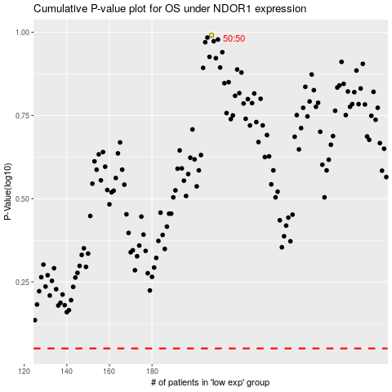

 |  |  |  |  |  | cases_OS | p_OS | rank | exp
 |  |  |  |  |  |  | cases_RFS | p_RFS | rank | exp

