NDRG3 _multivariate
Reported by Tex Li-Hsing Chi. tex@gate.sinica.edu.tw 2019-08-17

Table 2. The clinicopathological features of HNSCC cohort and NDRG3 expression. (Chi square test)
Cutoff at -0.195 (49.8%)
 |  | NDRG3 expression |  | NDRG3 expression |  | (Optimised)
 | Features | Low | (%) | High | (%) | Case no | P-value | Remark | Matthews
Gender | Female | 148 | 35.7 | 158 | 38.1 | 415 | 0.3567 | 0 | 0
2 | Male | 59 | 14.2 | 50 | 12
Age at diagnosis | <=65y | 129 | 31.1 | 145 | 34.9 | 415 | 0.1372 | 0 | 0
4 | >65y | 78 | 18.8 | 63 | 15.2
Clinical T Status | T1+T2 | 67 | 16.1 | 82 | 19.8 | 415 | 0.1628 | 0 | 0
6 | T3+T4 | 140 | 33.7 | 126 | 30.4
Clinical N Status | N0 | 110 | 26.5 | 106 | 25.5 | 415 | 0.7294 | 0 | 0
8 | N1-3 | 97 | 23.4 | 102 | 24.6
Clinical M Status | M0 | 206 | 49.6 | 206 | 49.6 | 415 | 1 | 0 | 0
10 | M1 | 1 | 0.2 | 2 | 0.5
Clinical Stage | Stage I+II | 46 | 11.1 | 56 | 13.5 | 415 | 0.3182 | 0 | 0
12 | Stage III+IV | 161 | 38.8 | 152 | 36.6
Surgical Margin status | Negative | 155 | 37.3 | 163 | 39.3 | 415 | 0.4187 | 0 | 0
14 | Positive | 52 | 12.5 | 45 | 10.8
Tobacco Exposure | Low | 76 | 18.3 | 85 | 20.5 | 415 | 0.4207 | 0 | 0
16 | High | 131 | 31.6 | 123 | 29.6

Table 3. Univariate/Multivariate Cox's proportional hazards regression analyses on OS time of NDRG3 gene expression in HNSCC

 |  | Univariate |  |  |  | Multivariate
 | Features | HR | CI95%(L) | CI95%(H) | P-value | HR | CI95%(L) | CI95%(H) | P-value
1 | Female | 1 |  |  |  | 1
Gender | Male | 1.157 | 0.843 | 1.587 | 0.367 | 1.22 | 0.873 | 1.704 | 0.245
11 | <=65y | 1 |  |  |  | 1
Age at diagnosis | >65y | 1.329 | 0.99 | 1.784 | 0.058 | 1.418 | 1.042 | 1.93 | 0.026
12 | T1+T2 | 1 |  |  |  | 1
Clinical T Status | T3+T4 | 1.409 | 1.028 | 1.931 | 0.033 | 2.233 | 1.181 | 4.222 | 0.013
13 | N0 | 1 |  |  |  | 1
Clinical N Status | N1-3 | 1.185 | 0.89 | 1.577 | 0.246 | 1.228 | 0.86 | 1.752 | 0.258
14 | M0 | 1 |  |  |  | 1
Clinical M Status | M1 | 4.097 | 1.009 | 16.644 | 0.049 | 9.14 | 1.992 | 41.941 | 0.004
15 | Stage I+II | 1 |  |  |  | 1
Clinical Stage | Stage III+IV | 1.245 | 0.882 | 1.759 | 0.213 | 0.503 | 0.235 | 1.079 | 0.077
16 | Negative | 1 |  |  |  | 1
Surgical Margin status | Positive | 1.591 | 1.155 | 2.191 | 0.004 | 1.671 | 1.209 | 2.309 | 0.002
17 | Low | 1 |  |  |  | 1
Tobacco Exposure | High | 1.364 | 1.008 | 1.844 | 0.044 | 1.472 | 1.067 | 2.029 | 0.018
18 | Low | 1 |  |  |  | 1
RNAseq(z-score) | High | 1.11 | 0.832 | 1.479 | 0.478 | 1.198 | 0.894 | 1.605 | 0.227

Table 4. Univariate/Multivariate Cox's proportional hazards regression analyses on RFS time of NDRG3 gene expression in HNSCC

 |  | Univariate |  |  |  | Multivariate
 | Features | HR | CI95%(L) | CI95%(H) | P-value | HR | CI95%(L) | CI95%(H) | P-value
1 | Female | 1 |  |  |  | 1
Gender | Male | 1.157 | 0.843 | 1.587 | 0.367 | 1.22 | 0.873 | 1.704 | 0.245
11 | <=65y | 1 |  |  |  | 1
Age at diagnosis | >65y | 1.329 | 0.99 | 1.784 | 0.058 | 1.418 | 1.042 | 1.93 | 0.026
12 | T1+T2 | 1 |  |  |  | 1
Clinical T Status | T3+T4 | 1.409 | 1.028 | 1.931 | 0.033 | 2.233 | 1.181 | 4.222 | 0.013
13 | N0 | 1 |  |  |  | 1
Clinical N Status | N1-3 | 1.185 | 0.89 | 1.577 | 0.246 | 1.228 | 0.86 | 1.752 | 0.258
14 | M0 | 1 |  |  |  | 1
Clinical M Status | M1 | 4.097 | 1.009 | 16.644 | 0.049 | 9.14 | 1.992 | 41.941 | 0.004
15 | Stage I+II | 1 |  |  |  | 1
Clinical Stage | Stage III+IV | 1.245 | 0.882 | 1.759 | 0.213 | 0.503 | 0.235 | 1.079 | 0.077
16 | Negative | 1 |  |  |  | 1
Surgical Margin status | Positive | 1.591 | 1.155 | 2.191 | 0.004 | 1.671 | 1.209 | 2.309 | 0.002
17 | Low | 1 |  |  |  | 1
Tobacco Exposure | High | 1.364 | 1.008 | 1.844 | 0.044 | 1.472 | 1.067 | 2.029 | 0.018
18 | Low | 1 |  |  |  | 1
RNAseq(z-score) | High | 1.11 | 0.832 | 1.479 | 0.478 | 1.198 | 0.894 | 1.605 | 0.227

Kaplan-Meier survival estimate: Cutoff at -0.195 (49.8%)



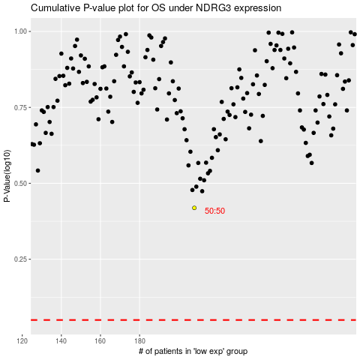

 |  |  |  |  |  | cases_OS | p_OS | rank | exp
 |  |  |  |  |  |  | cases_RFS | p_RFS | rank | exp

