NDUFA1 _multivariate
Reported by Tex Li-Hsing Chi. tex@gate.sinica.edu.tw 2019-08-17

Table 2. The clinicopathological features of HNSCC cohort and NDUFA1 expression. (Chi square test)
Cutoff at -0.361 (50.0%)
 |  | NDUFA1 expression |  | NDUFA1 expression |  | (Optimised)
 | Features | Low | (%) | High | (%) | Case no | P-value | Remark | Matthews
Gender | Female | 153 | 36.9 | 153 | 36.9 | 415 | 1 | 0 | 0
2 | Male | 54 | 13 | 55 | 13.3
Age at diagnosis | <=65y | 138 | 33.3 | 136 | 32.8 | 415 | 0.8634 | 0 | 0
4 | >65y | 69 | 16.6 | 72 | 17.3
Clinical T Status | T1+T2 | 81 | 19.5 | 68 | 16.4 | 415 | 0.206 | 0 | 0
6 | T3+T4 | 126 | 30.4 | 140 | 33.7
Clinical N Status | N0 | 110 | 26.5 | 106 | 25.5 | 415 | 0.7294 | 0 | 0
8 | N1-3 | 97 | 23.4 | 102 | 24.6
Clinical M Status | M0 | 207 | 49.9 | 205 | 49.4 | 415 | 0.2482 | 0 | 0
10 | M1 | 0 | 0 | 3 | 0.7
Clinical Stage | Stage I+II | 59 | 14.2 | 43 | 10.4 | 415 | 0.0822 | 0 | 0
12 | Stage III+IV | 148 | 35.7 | 165 | 39.8
Surgical Margin status | Negative | 167 | 40.2 | 151 | 36.4 | 415 | 0.0632 | 0 | 0
14 | Positive | 40 | 9.6 | 57 | 13.7
Tobacco Exposure | Low | 83 | 20 | 78 | 18.8 | 415 | 0.6152 | 0 | 0
16 | High | 124 | 29.9 | 130 | 31.3

Table 3. Univariate/Multivariate Cox's proportional hazards regression analyses on OS time of NDUFA1 gene expression in HNSCC

 |  | Univariate |  |  |  | Multivariate
 | Features | HR | CI95%(L) | CI95%(H) | P-value | HR | CI95%(L) | CI95%(H) | P-value
1 | Female | 1 |  |  |  | 1
Gender | Male | 1.157 | 0.843 | 1.587 | 0.367 | 1.185 | 0.847 | 1.658 | 0.321
11 | <=65y | 1 |  |  |  | 1
Age at diagnosis | >65y | 1.329 | 0.99 | 1.784 | 0.058 | 1.394 | 1.026 | 1.894 | 0.034
12 | T1+T2 | 1 |  |  |  | 1
Clinical T Status | T3+T4 | 1.409 | 1.028 | 1.931 | 0.033 | 2.207 | 1.168 | 4.17 | 0.015
13 | N0 | 1 |  |  |  | 1
Clinical N Status | N1-3 | 1.185 | 0.89 | 1.577 | 0.246 | 1.248 | 0.874 | 1.78 | 0.222
14 | M0 | 1 |  |  |  | 1
Clinical M Status | M1 | 4.097 | 1.009 | 16.644 | 0.049 | 8.792 | 1.906 | 40.565 | 0.005
15 | Stage I+II | 1 |  |  |  | 1
Clinical Stage | Stage III+IV | 1.245 | 0.882 | 1.759 | 0.213 | 0.495 | 0.231 | 1.064 | 0.072
16 | Negative | 1 |  |  |  | 1
Surgical Margin status | Positive | 1.591 | 1.155 | 2.191 | 0.004 | 1.621 | 1.166 | 2.254 | 0.004
17 | Low | 1 |  |  |  | 1
Tobacco Exposure | High | 1.364 | 1.008 | 1.844 | 0.044 | 1.456 | 1.057 | 2.007 | 0.022
18 | Low | 1 |  |  |  | 1
RNAseq(z-score) | High | 1.263 | 0.948 | 1.684 | 0.11 | 1.145 | 0.851 | 1.541 | 0.371

Table 4. Univariate/Multivariate Cox's proportional hazards regression analyses on RFS time of NDUFA1 gene expression in HNSCC

 |  | Univariate |  |  |  | Multivariate
 | Features | HR | CI95%(L) | CI95%(H) | P-value | HR | CI95%(L) | CI95%(H) | P-value
1 | Female | 1 |  |  |  | 1
Gender | Male | 1.157 | 0.843 | 1.587 | 0.367 | 1.185 | 0.847 | 1.658 | 0.321
11 | <=65y | 1 |  |  |  | 1
Age at diagnosis | >65y | 1.329 | 0.99 | 1.784 | 0.058 | 1.394 | 1.026 | 1.894 | 0.034
12 | T1+T2 | 1 |  |  |  | 1
Clinical T Status | T3+T4 | 1.409 | 1.028 | 1.931 | 0.033 | 2.207 | 1.168 | 4.17 | 0.015
13 | N0 | 1 |  |  |  | 1
Clinical N Status | N1-3 | 1.185 | 0.89 | 1.577 | 0.246 | 1.248 | 0.874 | 1.78 | 0.222
14 | M0 | 1 |  |  |  | 1
Clinical M Status | M1 | 4.097 | 1.009 | 16.644 | 0.049 | 8.792 | 1.906 | 40.565 | 0.005
15 | Stage I+II | 1 |  |  |  | 1
Clinical Stage | Stage III+IV | 1.245 | 0.882 | 1.759 | 0.213 | 0.495 | 0.231 | 1.064 | 0.072
16 | Negative | 1 |  |  |  | 1
Surgical Margin status | Positive | 1.591 | 1.155 | 2.191 | 0.004 | 1.621 | 1.166 | 2.254 | 0.004
17 | Low | 1 |  |  |  | 1
Tobacco Exposure | High | 1.364 | 1.008 | 1.844 | 0.044 | 1.456 | 1.057 | 2.007 | 0.022
18 | Low | 1 |  |  |  | 1
RNAseq(z-score) | High | 1.263 | 0.948 | 1.684 | 0.11 | 1.145 | 0.851 | 1.541 | 0.371

Kaplan-Meier survival estimate: Cutoff at -0.361 (50.0%)



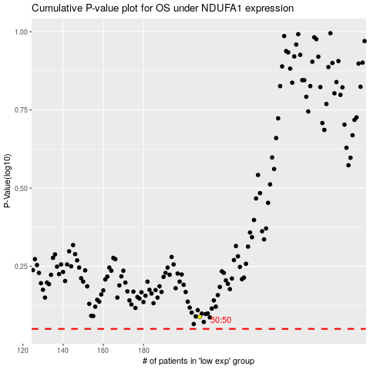

 |  |  |  |  |  | cases_OS | p_OS | rank | exp
 |  |  |  |  |  |  | cases_RFS | p_RFS | rank | exp

