NDUFA10 _multivariate
Reported by Tex Li-Hsing Chi. tex@gate.sinica.edu.tw 2019-08-17

Table 2. The clinicopathological features of HNSCC cohort and NDUFA10 expression. (Chi square test)
Cutoff at -0.269 (50.0%)
 |  | NDUFA10 expression |  | NDUFA10 expression |  | (Optimised)
 | Features | Low | (%) | High | (%) | Case no | P-value | Remark | Matthews
Gender | Female | 141 | 34 | 165 | 39.8 | 415 | 0.013 | 1 | 0
2 | Male | 66 | 15.9 | 43 | 10.4
Age at diagnosis | <=65y | 130 | 31.3 | 144 | 34.7 | 415 | 0.2009 | 0 | 0
4 | >65y | 77 | 18.6 | 64 | 15.4
Clinical T Status | T1+T2 | 73 | 17.6 | 76 | 18.3 | 415 | 0.8666 | 0 | 0
6 | T3+T4 | 134 | 32.3 | 132 | 31.8
Clinical N Status | N0 | 105 | 25.3 | 111 | 26.7 | 415 | 0.6598 | 0 | 0
8 | N1-3 | 102 | 24.6 | 97 | 23.4
Clinical M Status | M0 | 207 | 49.9 | 205 | 49.4 | 415 | 0.2482 | 0 | 0
10 | M1 | 0 | 0 | 3 | 0.7
Clinical Stage | Stage I+II | 51 | 12.3 | 51 | 12.3 | 415 | 1 | 0 | 0
12 | Stage III+IV | 156 | 37.6 | 157 | 37.8
Surgical Margin status | Negative | 158 | 38.1 | 160 | 38.6 | 415 | 0.9081 | 0 | 0
14 | Positive | 49 | 11.8 | 48 | 11.6
Tobacco Exposure | Low | 95 | 22.9 | 66 | 15.9 | 415 | 0.0035 | 1 | 0
16 | High | 112 | 27 | 142 | 34.2

Table 3. Univariate/Multivariate Cox's proportional hazards regression analyses on OS time of NDUFA10 gene expression in HNSCC

 |  | Univariate |  |  |  | Multivariate
 | Features | HR | CI95%(L) | CI95%(H) | P-value | HR | CI95%(L) | CI95%(H) | P-value
1 | Female | 1 |  |  |  | 1
Gender | Male | 1.157 | 0.843 | 1.587 | 0.367 | 1.186 | 0.848 | 1.658 | 0.318
11 | <=65y | 1 |  |  |  | 1
Age at diagnosis | >65y | 1.329 | 0.99 | 1.784 | 0.058 | 1.386 | 1.02 | 1.884 | 0.037
12 | T1+T2 | 1 |  |  |  | 1
Clinical T Status | T3+T4 | 1.409 | 1.028 | 1.931 | 0.033 | 2.205 | 1.166 | 4.172 | 0.015
13 | N0 | 1 |  |  |  | 1
Clinical N Status | N1-3 | 1.185 | 0.89 | 1.577 | 0.246 | 1.231 | 0.862 | 1.756 | 0.253
14 | M0 | 1 |  |  |  | 1
Clinical M Status | M1 | 4.097 | 1.009 | 16.644 | 0.049 | 10.084 | 2.18 | 46.641 | 0.003
15 | Stage I+II | 1 |  |  |  | 1
Clinical Stage | Stage III+IV | 1.245 | 0.882 | 1.759 | 0.213 | 0.505 | 0.235 | 1.083 | 0.079
16 | Negative | 1 |  |  |  | 1
Surgical Margin status | Positive | 1.591 | 1.155 | 2.191 | 0.004 | 1.692 | 1.223 | 2.341 | 0.002
17 | Low | 1 |  |  |  | 1
Tobacco Exposure | High | 1.364 | 1.008 | 1.844 | 0.044 | 1.476 | 1.069 | 2.039 | 0.018
18 | Low | 1 |  |  |  | 1
RNAseq(z-score) | High | 0.933 | 0.701 | 1.243 | 0.637 | 0.88 | 0.656 | 1.181 | 0.394

Table 4. Univariate/Multivariate Cox's proportional hazards regression analyses on RFS time of NDUFA10 gene expression in HNSCC

 |  | Univariate |  |  |  | Multivariate
 | Features | HR | CI95%(L) | CI95%(H) | P-value | HR | CI95%(L) | CI95%(H) | P-value
1 | Female | 1 |  |  |  | 1
Gender | Male | 1.157 | 0.843 | 1.587 | 0.367 | 1.186 | 0.848 | 1.658 | 0.318
11 | <=65y | 1 |  |  |  | 1
Age at diagnosis | >65y | 1.329 | 0.99 | 1.784 | 0.058 | 1.386 | 1.02 | 1.884 | 0.037
12 | T1+T2 | 1 |  |  |  | 1
Clinical T Status | T3+T4 | 1.409 | 1.028 | 1.931 | 0.033 | 2.205 | 1.166 | 4.172 | 0.015
13 | N0 | 1 |  |  |  | 1
Clinical N Status | N1-3 | 1.185 | 0.89 | 1.577 | 0.246 | 1.231 | 0.862 | 1.756 | 0.253
14 | M0 | 1 |  |  |  | 1
Clinical M Status | M1 | 4.097 | 1.009 | 16.644 | 0.049 | 10.084 | 2.18 | 46.641 | 0.003
15 | Stage I+II | 1 |  |  |  | 1
Clinical Stage | Stage III+IV | 1.245 | 0.882 | 1.759 | 0.213 | 0.505 | 0.235 | 1.083 | 0.079
16 | Negative | 1 |  |  |  | 1
Surgical Margin status | Positive | 1.591 | 1.155 | 2.191 | 0.004 | 1.692 | 1.223 | 2.341 | 0.002
17 | Low | 1 |  |  |  | 1
Tobacco Exposure | High | 1.364 | 1.008 | 1.844 | 0.044 | 1.476 | 1.069 | 2.039 | 0.018
18 | Low | 1 |  |  |  | 1
RNAseq(z-score) | High | 0.933 | 0.701 | 1.243 | 0.637 | 0.88 | 0.656 | 1.181 | 0.394

Kaplan-Meier survival estimate: Cutoff at -0.269 (50.0%)



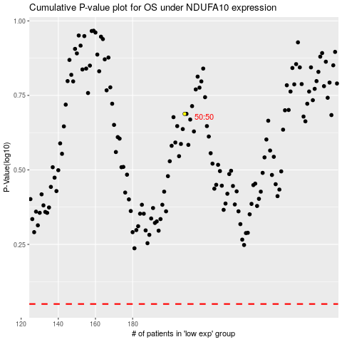

 |  |  |  |  |  | cases_OS | p_OS | rank | exp
 |  |  |  |  |  |  | cases_RFS | p_RFS | rank | exp

