NDUFA11 _multivariate
Reported by Tex Li-Hsing Chi. tex@gate.sinica.edu.tw 2019-08-17

Table 2. The clinicopathological features of HNSCC cohort and NDUFA11 expression. (Chi square test)
Cutoff at -0.238 (53.4%)
 |  | NDUFA11 expression |  | NDUFA11 expression |  | (Optimised)
 | Features | Low | (%) | High | (%) | Case no | P-value | Remark | Matthews
Gender | Female | 164 | 39.5 | 142 | 34.2 | 415 | 0.9029 | 0 | 0
2 | Male | 57 | 13.7 | 52 | 12.5
Age at diagnosis | <=65y | 140 | 33.7 | 134 | 32.3 | 415 | 0.2608 | 0 | 0
4 | >65y | 81 | 19.5 | 60 | 14.5
Clinical T Status | T1+T2 | 80 | 19.3 | 69 | 16.6 | 415 | 0.975 | 0 | 0
6 | T3+T4 | 141 | 34 | 125 | 30.1
Clinical N Status | N0 | 116 | 28 | 100 | 24.1 | 415 | 0.9257 | 0 | 0
8 | N1-3 | 105 | 25.3 | 94 | 22.7
Clinical M Status | M0 | 219 | 52.8 | 193 | 46.5 | 415 | 1 | 0 | 0
10 | M1 | 2 | 0.5 | 1 | 0.2
Clinical Stage | Stage I+II | 55 | 13.3 | 47 | 11.3 | 415 | 0.9668 | 0 | 0
12 | Stage III+IV | 166 | 40 | 147 | 35.4
Surgical Margin status | Negative | 167 | 40.2 | 151 | 36.4 | 415 | 0.6424 | 0 | 0
14 | Positive | 54 | 13 | 43 | 10.4
Tobacco Exposure | Low | 86 | 20.7 | 75 | 18.1 | 415 | 1 | 0 | 0
16 | High | 135 | 32.5 | 119 | 28.7

Table 3. Univariate/Multivariate Cox's proportional hazards regression analyses on OS time of NDUFA11 gene expression in HNSCC

 |  | Univariate |  |  |  | Multivariate
 | Features | HR | CI95%(L) | CI95%(H) | P-value | HR | CI95%(L) | CI95%(H) | P-value
1 | Female | 1 |  |  |  | 1
Gender | Male | 1.157 | 0.843 | 1.587 | 0.367 | 1.211 | 0.867 | 1.691 | 0.261
11 | <=65y | 1 |  |  |  | 1
Age at diagnosis | >65y | 1.329 | 0.99 | 1.784 | 0.058 | 1.351 | 0.992 | 1.84 | 0.057
12 | T1+T2 | 1 |  |  |  | 1
Clinical T Status | T3+T4 | 1.409 | 1.028 | 1.931 | 0.033 | 2.2 | 1.162 | 4.164 | 0.015
13 | N0 | 1 |  |  |  | 1
Clinical N Status | N1-3 | 1.185 | 0.89 | 1.577 | 0.246 | 1.27 | 0.889 | 1.815 | 0.189
14 | M0 | 1 |  |  |  | 1
Clinical M Status | M1 | 4.097 | 1.009 | 16.644 | 0.049 | 9.185 | 2.003 | 42.121 | 0.004
15 | Stage I+II | 1 |  |  |  | 1
Clinical Stage | Stage III+IV | 1.245 | 0.882 | 1.759 | 0.213 | 0.495 | 0.23 | 1.063 | 0.071
16 | Negative | 1 |  |  |  | 1
Surgical Margin status | Positive | 1.591 | 1.155 | 2.191 | 0.004 | 1.67 | 1.207 | 2.309 | 0.002
17 | Low | 1 |  |  |  | 1
Tobacco Exposure | High | 1.364 | 1.008 | 1.844 | 0.044 | 1.48 | 1.075 | 2.039 | 0.016
18 | Low | 1 |  |  |  | 1
RNAseq(z-score) | High | 0.747 | 0.558 | 1 | 0.05 | 0.739 | 0.55 | 0.993 | 0.045

Table 4. Univariate/Multivariate Cox's proportional hazards regression analyses on RFS time of NDUFA11 gene expression in HNSCC

 |  | Univariate |  |  |  | Multivariate
 | Features | HR | CI95%(L) | CI95%(H) | P-value | HR | CI95%(L) | CI95%(H) | P-value
1 | Female | 1 |  |  |  | 1
Gender | Male | 1.157 | 0.843 | 1.587 | 0.367 | 1.211 | 0.867 | 1.691 | 0.261
11 | <=65y | 1 |  |  |  | 1
Age at diagnosis | >65y | 1.329 | 0.99 | 1.784 | 0.058 | 1.351 | 0.992 | 1.84 | 0.057
12 | T1+T2 | 1 |  |  |  | 1
Clinical T Status | T3+T4 | 1.409 | 1.028 | 1.931 | 0.033 | 2.2 | 1.162 | 4.164 | 0.015
13 | N0 | 1 |  |  |  | 1
Clinical N Status | N1-3 | 1.185 | 0.89 | 1.577 | 0.246 | 1.27 | 0.889 | 1.815 | 0.189
14 | M0 | 1 |  |  |  | 1
Clinical M Status | M1 | 4.097 | 1.009 | 16.644 | 0.049 | 9.185 | 2.003 | 42.121 | 0.004
15 | Stage I+II | 1 |  |  |  | 1
Clinical Stage | Stage III+IV | 1.245 | 0.882 | 1.759 | 0.213 | 0.495 | 0.23 | 1.063 | 0.071
16 | Negative | 1 |  |  |  | 1
Surgical Margin status | Positive | 1.591 | 1.155 | 2.191 | 0.004 | 1.67 | 1.207 | 2.309 | 0.002
17 | Low | 1 |  |  |  | 1
Tobacco Exposure | High | 1.364 | 1.008 | 1.844 | 0.044 | 1.48 | 1.075 | 2.039 | 0.016
18 | Low | 1 |  |  |  | 1
RNAseq(z-score) | High | 0.747 | 0.558 | 1 | 0.05 | 0.739 | 0.55 | 0.993 | 0.045

Kaplan-Meier survival estimate: Cutoff at -0.238 (53.4%)



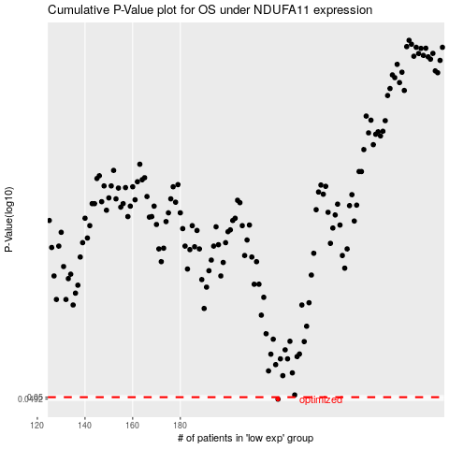

 |  |  |  |  |  | cases_OS | p_OS | rank | exp
 |  |  |  |  |  | 221 | 0.0492 | 231 | -0.2376459277
 |  |  |  |  |  |  | cases_RFS | p_RFS | rank | exp
 |  |  |  |  |  |  | 220 | 0.0492 | 38 | -0.23943867156

