NDUFA12 _multivariate
Reported by Tex Li-Hsing Chi. tex@gate.sinica.edu.tw 2019-08-17

Table 2. The clinicopathological features of HNSCC cohort and NDUFA12 expression. (Chi square test)
Cutoff at -0.224 (50.0%)
 |  | NDUFA12 expression |  | NDUFA12 expression |  | (Optimised)
 | Features | Low | (%) | High | (%) | Case no | P-value | Remark | Matthews
Gender | Female | 149 | 35.9 | 157 | 37.8 | 415 | 0.4848 | 0 | 0
2 | Male | 58 | 14 | 51 | 12.3
Age at diagnosis | <=65y | 141 | 34 | 133 | 32 | 415 | 0.4272 | 0 | 0
4 | >65y | 66 | 15.9 | 75 | 18.1
Clinical T Status | T1+T2 | 71 | 17.1 | 78 | 18.8 | 415 | 0.5638 | 0 | 0
6 | T3+T4 | 136 | 32.8 | 130 | 31.3
Clinical N Status | N0 | 118 | 28.4 | 98 | 23.6 | 415 | 0.0551 | 1 | 0
8 | N1-3 | 89 | 21.4 | 110 | 26.5
Clinical M Status | M0 | 207 | 49.9 | 205 | 49.4 | 415 | 0.2482 | 0 | 0
10 | M1 | 0 | 0 | 3 | 0.7
Clinical Stage | Stage I+II | 54 | 13 | 48 | 11.6 | 415 | 0.5498 | 0 | 0
12 | Stage III+IV | 153 | 36.9 | 160 | 38.6
Surgical Margin status | Negative | 164 | 39.5 | 154 | 37.1 | 415 | 0.2462 | 0 | 0
14 | Positive | 43 | 10.4 | 54 | 13
Tobacco Exposure | Low | 76 | 18.3 | 85 | 20.5 | 415 | 0.4207 | 0 | 0
16 | High | 131 | 31.6 | 123 | 29.6

Table 3. Univariate/Multivariate Cox's proportional hazards regression analyses on OS time of NDUFA12 gene expression in HNSCC

 |  | Univariate |  |  |  | Multivariate
 | Features | HR | CI95%(L) | CI95%(H) | P-value | HR | CI95%(L) | CI95%(H) | P-value
1 | Female | 1 |  |  |  | 1
Gender | Male | 1.157 | 0.843 | 1.587 | 0.367 | 1.199 | 0.858 | 1.676 | 0.287
11 | <=65y | 1 |  |  |  | 1
Age at diagnosis | >65y | 1.329 | 0.99 | 1.784 | 0.058 | 1.386 | 1.019 | 1.885 | 0.037
12 | T1+T2 | 1 |  |  |  | 1
Clinical T Status | T3+T4 | 1.409 | 1.028 | 1.931 | 0.033 | 2.216 | 1.171 | 4.191 | 0.014
13 | N0 | 1 |  |  |  | 1
Clinical N Status | N1-3 | 1.185 | 0.89 | 1.577 | 0.246 | 1.233 | 0.863 | 1.761 | 0.25
14 | M0 | 1 |  |  |  | 1
Clinical M Status | M1 | 4.097 | 1.009 | 16.644 | 0.049 | 9.172 | 1.993 | 42.224 | 0.004
15 | Stage I+II | 1 |  |  |  | 1
Clinical Stage | Stage III+IV | 1.245 | 0.882 | 1.759 | 0.213 | 0.502 | 0.234 | 1.079 | 0.077
16 | Negative | 1 |  |  |  | 1
Surgical Margin status | Positive | 1.591 | 1.155 | 2.191 | 0.004 | 1.663 | 1.203 | 2.299 | 0.002
17 | Low | 1 |  |  |  | 1
Tobacco Exposure | High | 1.364 | 1.008 | 1.844 | 0.044 | 1.452 | 1.053 | 2.001 | 0.023
18 | Low | 1 |  |  |  | 1
RNAseq(z-score) | High | 1.141 | 0.857 | 1.521 | 0.367 | 1.066 | 0.795 | 1.427 | 0.67

Table 4. Univariate/Multivariate Cox's proportional hazards regression analyses on RFS time of NDUFA12 gene expression in HNSCC

 |  | Univariate |  |  |  | Multivariate
 | Features | HR | CI95%(L) | CI95%(H) | P-value | HR | CI95%(L) | CI95%(H) | P-value
1 | Female | 1 |  |  |  | 1
Gender | Male | 1.157 | 0.843 | 1.587 | 0.367 | 1.199 | 0.858 | 1.676 | 0.287
11 | <=65y | 1 |  |  |  | 1
Age at diagnosis | >65y | 1.329 | 0.99 | 1.784 | 0.058 | 1.386 | 1.019 | 1.885 | 0.037
12 | T1+T2 | 1 |  |  |  | 1
Clinical T Status | T3+T4 | 1.409 | 1.028 | 1.931 | 0.033 | 2.216 | 1.171 | 4.191 | 0.014
13 | N0 | 1 |  |  |  | 1
Clinical N Status | N1-3 | 1.185 | 0.89 | 1.577 | 0.246 | 1.233 | 0.863 | 1.761 | 0.25
14 | M0 | 1 |  |  |  | 1
Clinical M Status | M1 | 4.097 | 1.009 | 16.644 | 0.049 | 9.172 | 1.993 | 42.224 | 0.004
15 | Stage I+II | 1 |  |  |  | 1
Clinical Stage | Stage III+IV | 1.245 | 0.882 | 1.759 | 0.213 | 0.502 | 0.234 | 1.079 | 0.077
16 | Negative | 1 |  |  |  | 1
Surgical Margin status | Positive | 1.591 | 1.155 | 2.191 | 0.004 | 1.663 | 1.203 | 2.299 | 0.002
17 | Low | 1 |  |  |  | 1
Tobacco Exposure | High | 1.364 | 1.008 | 1.844 | 0.044 | 1.452 | 1.053 | 2.001 | 0.023
18 | Low | 1 |  |  |  | 1
RNAseq(z-score) | High | 1.141 | 0.857 | 1.521 | 0.367 | 1.066 | 0.795 | 1.427 | 0.67

Kaplan-Meier survival estimate: Cutoff at -0.224 (50.0%)



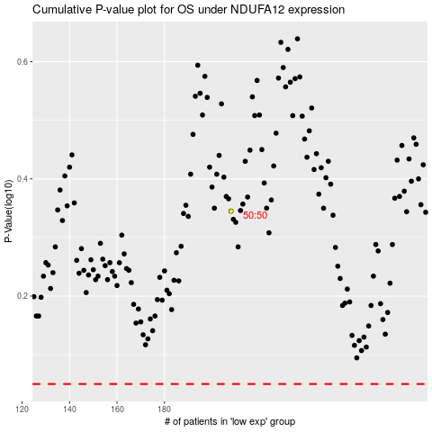

 |  |  |  |  |  | cases_OS | p_OS | rank | exp
 |  |  |  |  |  |  | cases_RFS | p_RFS | rank | exp

