NDUFA13 _multivariate
Reported by Tex Li-Hsing Chi. tex@gate.sinica.edu.tw 2019-08-17

Table 2. The clinicopathological features of HNSCC cohort and NDUFA13 expression. (Chi square test)
Cutoff at -0.282 (50.0%)
 |  | NDUFA13 expression |  | NDUFA13 expression |  | (Optimised)
 | Features | Low | (%) | High | (%) | Case no | P-value | Remark | Matthews
Gender | Female | 149 | 35.9 | 157 | 37.8 | 415 | 0.4848 | 0 | 0
2 | Male | 58 | 14 | 51 | 12.3
Age at diagnosis | <=65y | 136 | 32.8 | 138 | 33.3 | 415 | 0.9719 | 0 | 0
4 | >65y | 71 | 17.1 | 70 | 16.9
Clinical T Status | T1+T2 | 82 | 19.8 | 67 | 16.1 | 415 | 0.1417 | 0 | 0
6 | T3+T4 | 125 | 30.1 | 141 | 34
Clinical N Status | N0 | 109 | 26.3 | 107 | 25.8 | 415 | 0.8812 | 0 | 0
8 | N1-3 | 98 | 23.6 | 101 | 24.3
Clinical M Status | M0 | 206 | 49.6 | 206 | 49.6 | 415 | 1 | 0 | 0
10 | M1 | 1 | 0.2 | 2 | 0.5
Clinical Stage | Stage I+II | 59 | 14.2 | 43 | 10.4 | 415 | 0.0822 | 0 | 0
12 | Stage III+IV | 148 | 35.7 | 165 | 39.8
Surgical Margin status | Negative | 163 | 39.3 | 155 | 37.3 | 415 | 0.3537 | 0 | 0
14 | Positive | 44 | 10.6 | 53 | 12.8
Tobacco Exposure | Low | 87 | 21 | 74 | 17.8 | 415 | 0.1911 | 0 | 0
16 | High | 120 | 28.9 | 134 | 32.3

Table 3. Univariate/Multivariate Cox's proportional hazards regression analyses on OS time of NDUFA13 gene expression in HNSCC

 |  | Univariate |  |  |  | Multivariate
 | Features | HR | CI95%(L) | CI95%(H) | P-value | HR | CI95%(L) | CI95%(H) | P-value
1 | Female | 1 |  |  |  | 1
Gender | Male | 1.157 | 0.843 | 1.587 | 0.367 | 1.214 | 0.869 | 1.698 | 0.256
11 | <=65y | 1 |  |  |  | 1
Age at diagnosis | >65y | 1.329 | 0.99 | 1.784 | 0.058 | 1.383 | 1.017 | 1.881 | 0.038
12 | T1+T2 | 1 |  |  |  | 1
Clinical T Status | T3+T4 | 1.409 | 1.028 | 1.931 | 0.033 | 2.208 | 1.167 | 4.177 | 0.015
13 | N0 | 1 |  |  |  | 1
Clinical N Status | N1-3 | 1.185 | 0.89 | 1.577 | 0.246 | 1.233 | 0.864 | 1.761 | 0.248
14 | M0 | 1 |  |  |  | 1
Clinical M Status | M1 | 4.097 | 1.009 | 16.644 | 0.049 | 10.081 | 2.192 | 46.35 | 0.003
15 | Stage I+II | 1 |  |  |  | 1
Clinical Stage | Stage III+IV | 1.245 | 0.882 | 1.759 | 0.213 | 0.518 | 0.241 | 1.114 | 0.092
16 | Negative | 1 |  |  |  | 1
Surgical Margin status | Positive | 1.591 | 1.155 | 2.191 | 0.004 | 1.703 | 1.23 | 2.356 | 0.001
17 | Low | 1 |  |  |  | 1
Tobacco Exposure | High | 1.364 | 1.008 | 1.844 | 0.044 | 1.503 | 1.087 | 2.078 | 0.014
18 | Low | 1 |  |  |  | 1
RNAseq(z-score) | High | 0.888 | 0.666 | 1.183 | 0.417 | 0.804 | 0.599 | 1.079 | 0.146

Table 4. Univariate/Multivariate Cox's proportional hazards regression analyses on RFS time of NDUFA13 gene expression in HNSCC

 |  | Univariate |  |  |  | Multivariate
 | Features | HR | CI95%(L) | CI95%(H) | P-value | HR | CI95%(L) | CI95%(H) | P-value
1 | Female | 1 |  |  |  | 1
Gender | Male | 1.157 | 0.843 | 1.587 | 0.367 | 1.214 | 0.869 | 1.698 | 0.256
11 | <=65y | 1 |  |  |  | 1
Age at diagnosis | >65y | 1.329 | 0.99 | 1.784 | 0.058 | 1.383 | 1.017 | 1.881 | 0.038
12 | T1+T2 | 1 |  |  |  | 1
Clinical T Status | T3+T4 | 1.409 | 1.028 | 1.931 | 0.033 | 2.208 | 1.167 | 4.177 | 0.015
13 | N0 | 1 |  |  |  | 1
Clinical N Status | N1-3 | 1.185 | 0.89 | 1.577 | 0.246 | 1.233 | 0.864 | 1.761 | 0.248
14 | M0 | 1 |  |  |  | 1
Clinical M Status | M1 | 4.097 | 1.009 | 16.644 | 0.049 | 10.081 | 2.192 | 46.35 | 0.003
15 | Stage I+II | 1 |  |  |  | 1
Clinical Stage | Stage III+IV | 1.245 | 0.882 | 1.759 | 0.213 | 0.518 | 0.241 | 1.114 | 0.092
16 | Negative | 1 |  |  |  | 1
Surgical Margin status | Positive | 1.591 | 1.155 | 2.191 | 0.004 | 1.703 | 1.23 | 2.356 | 0.001
17 | Low | 1 |  |  |  | 1
Tobacco Exposure | High | 1.364 | 1.008 | 1.844 | 0.044 | 1.503 | 1.087 | 2.078 | 0.014
18 | Low | 1 |  |  |  | 1
RNAseq(z-score) | High | 0.888 | 0.666 | 1.183 | 0.417 | 0.804 | 0.599 | 1.079 | 0.146

Kaplan-Meier survival estimate: Cutoff at -0.282 (50.0%)



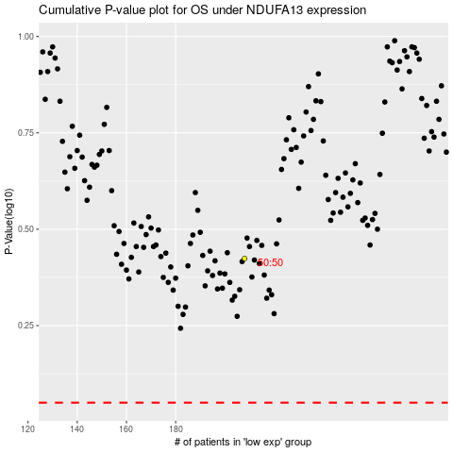

 |  |  |  |  |  | cases_OS | p_OS | rank | exp
 |  |  |  |  |  |  | cases_RFS | p_RFS | rank | exp

