NDUFA2 _multivariate
Reported by Tex Li-Hsing Chi. tex@gate.sinica.edu.tw 2019-08-17

Table 2. The clinicopathological features of HNSCC cohort and NDUFA2 expression. (Chi square test)
Cutoff at -0.357 (49.8%)
 |  | NDUFA2 expression |  | NDUFA2 expression |  | (Optimised)
 | Features | Low | (%) | High | (%) | Case no | P-value | Remark | Matthews
Gender | Female | 152 | 36.6 | 154 | 37.1 | 415 | 0.9766 | 0 | 0
2 | Male | 55 | 13.3 | 54 | 13
Age at diagnosis | <=65y | 137 | 33 | 137 | 33 | 415 | 1 | 0 | 0
4 | >65y | 70 | 16.9 | 71 | 17.1
Clinical T Status | T1+T2 | 67 | 16.1 | 82 | 19.8 | 415 | 0.1628 | 0 | 0
6 | T3+T4 | 140 | 33.7 | 126 | 30.4
Clinical N Status | N0 | 111 | 26.7 | 105 | 25.3 | 415 | 0.5875 | 0 | 0
8 | N1-3 | 96 | 23.1 | 103 | 24.8
Clinical M Status | M0 | 207 | 49.9 | 205 | 49.4 | 415 | 0.2482 | 0 | 0
10 | M1 | 0 | 0 | 3 | 0.7
Clinical Stage | Stage I+II | 52 | 12.5 | 50 | 12 | 415 | 0.8871 | 0 | 0
12 | Stage III+IV | 155 | 37.3 | 158 | 38.1
Surgical Margin status | Negative | 169 | 40.7 | 149 | 35.9 | 415 | 0.0201 | 1 | 0
14 | Positive | 38 | 9.2 | 59 | 14.2
Tobacco Exposure | Low | 80 | 19.3 | 81 | 19.5 | 415 | 1 | 0 | 0
16 | High | 127 | 30.6 | 127 | 30.6

Table 3. Univariate/Multivariate Cox's proportional hazards regression analyses on OS time of NDUFA2 gene expression in HNSCC

 |  | Univariate |  |  |  | Multivariate
 | Features | HR | CI95%(L) | CI95%(H) | P-value | HR | CI95%(L) | CI95%(H) | P-value
1 | Female | 1 |  |  |  | 1
Gender | Male | 1.157 | 0.843 | 1.587 | 0.367 | 1.198 | 0.857 | 1.674 | 0.291
11 | <=65y | 1 |  |  |  | 1
Age at diagnosis | >65y | 1.329 | 0.99 | 1.784 | 0.058 | 1.395 | 1.026 | 1.897 | 0.034
12 | T1+T2 | 1 |  |  |  | 1
Clinical T Status | T3+T4 | 1.409 | 1.028 | 1.931 | 0.033 | 2.221 | 1.174 | 4.204 | 0.014
13 | N0 | 1 |  |  |  | 1
Clinical N Status | N1-3 | 1.185 | 0.89 | 1.577 | 0.246 | 1.241 | 0.87 | 1.77 | 0.234
14 | M0 | 1 |  |  |  | 1
Clinical M Status | M1 | 4.097 | 1.009 | 16.644 | 0.049 | 9.171 | 1.992 | 42.215 | 0.004
15 | Stage I+II | 1 |  |  |  | 1
Clinical Stage | Stage III+IV | 1.245 | 0.882 | 1.759 | 0.213 | 0.501 | 0.233 | 1.075 | 0.076
16 | Negative | 1 |  |  |  | 1
Surgical Margin status | Positive | 1.591 | 1.155 | 2.191 | 0.004 | 1.649 | 1.186 | 2.292 | 0.003
17 | Low | 1 |  |  |  | 1
Tobacco Exposure | High | 1.364 | 1.008 | 1.844 | 0.044 | 1.456 | 1.056 | 2.007 | 0.022
18 | Low | 1 |  |  |  | 1
RNAseq(z-score) | High | 1.12 | 0.84 | 1.493 | 0.441 | 1.066 | 0.793 | 1.434 | 0.671

Table 4. Univariate/Multivariate Cox's proportional hazards regression analyses on RFS time of NDUFA2 gene expression in HNSCC

 |  | Univariate |  |  |  | Multivariate
 | Features | HR | CI95%(L) | CI95%(H) | P-value | HR | CI95%(L) | CI95%(H) | P-value
1 | Female | 1 |  |  |  | 1
Gender | Male | 1.157 | 0.843 | 1.587 | 0.367 | 1.198 | 0.857 | 1.674 | 0.291
11 | <=65y | 1 |  |  |  | 1
Age at diagnosis | >65y | 1.329 | 0.99 | 1.784 | 0.058 | 1.395 | 1.026 | 1.897 | 0.034
12 | T1+T2 | 1 |  |  |  | 1
Clinical T Status | T3+T4 | 1.409 | 1.028 | 1.931 | 0.033 | 2.221 | 1.174 | 4.204 | 0.014
13 | N0 | 1 |  |  |  | 1
Clinical N Status | N1-3 | 1.185 | 0.89 | 1.577 | 0.246 | 1.241 | 0.87 | 1.77 | 0.234
14 | M0 | 1 |  |  |  | 1
Clinical M Status | M1 | 4.097 | 1.009 | 16.644 | 0.049 | 9.171 | 1.992 | 42.215 | 0.004
15 | Stage I+II | 1 |  |  |  | 1
Clinical Stage | Stage III+IV | 1.245 | 0.882 | 1.759 | 0.213 | 0.501 | 0.233 | 1.075 | 0.076
16 | Negative | 1 |  |  |  | 1
Surgical Margin status | Positive | 1.591 | 1.155 | 2.191 | 0.004 | 1.649 | 1.186 | 2.292 | 0.003
17 | Low | 1 |  |  |  | 1
Tobacco Exposure | High | 1.364 | 1.008 | 1.844 | 0.044 | 1.456 | 1.056 | 2.007 | 0.022
18 | Low | 1 |  |  |  | 1
RNAseq(z-score) | High | 1.12 | 0.84 | 1.493 | 0.441 | 1.066 | 0.793 | 1.434 | 0.671

Kaplan-Meier survival estimate: Cutoff at -0.357 (49.8%)



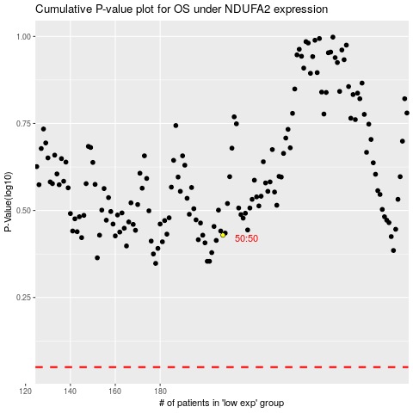

 |  |  |  |  |  | cases_OS | p_OS | rank | exp
 |  |  |  |  |  |  | cases_RFS | p_RFS | rank | exp

