NDUFA3 _multivariate
Reported by Tex Li-Hsing Chi. tex@gate.sinica.edu.tw 2019-08-17

Table 2. The clinicopathological features of HNSCC cohort and NDUFA3 expression. (Chi square test)
Cutoff at -0.257 (55.6%)
 |  | NDUFA3 expression |  | NDUFA3 expression |  | (Optimised)
 | Features | Low | (%) | High | (%) | Case no | P-value | Remark | Matthews
Gender | Female | 170 | 41 | 136 | 32.8 | 415 | 1 | 0 | 0
2 | Male | 60 | 14.5 | 49 | 11.8
Age at diagnosis | <=65y | 156 | 37.6 | 118 | 28.4 | 415 | 0.4473 | 0 | 0
4 | >65y | 74 | 17.8 | 67 | 16.1
Clinical T Status | T1+T2 | 78 | 18.8 | 71 | 17.1 | 415 | 0.4011 | 0 | 0
6 | T3+T4 | 152 | 36.6 | 114 | 27.5
Clinical N Status | N0 | 116 | 28 | 100 | 24.1 | 415 | 0.5256 | 0 | 0
8 | N1-3 | 114 | 27.5 | 85 | 20.5
Clinical M Status | M0 | 229 | 55.2 | 183 | 44.1 | 415 | 0.588 | 0 | 0
10 | M1 | 1 | 0.2 | 2 | 0.5
Clinical Stage | Stage I+II | 54 | 13 | 48 | 11.6 | 415 | 0.6415 | 0 | 0
12 | Stage III+IV | 176 | 42.4 | 137 | 33
Surgical Margin status | Negative | 187 | 45.1 | 131 | 31.6 | 415 | 0.0142 | 1 | 0
14 | Positive | 43 | 10.4 | 54 | 13
Tobacco Exposure | Low | 81 | 19.5 | 80 | 19.3 | 415 | 0.1053 | 0 | 0
16 | High | 149 | 35.9 | 105 | 25.3

Table 3. Univariate/Multivariate Cox's proportional hazards regression analyses on OS time of NDUFA3 gene expression in HNSCC

 |  | Univariate |  |  |  | Multivariate
 | Features | HR | CI95%(L) | CI95%(H) | P-value | HR | CI95%(L) | CI95%(H) | P-value
1 | Female | 1 |  |  |  | 1
Gender | Male | 1.157 | 0.843 | 1.587 | 0.367 | 1.192 | 0.853 | 1.666 | 0.303
11 | <=65y | 1 |  |  |  | 1
Age at diagnosis | >65y | 1.329 | 0.99 | 1.784 | 0.058 | 1.399 | 1.029 | 1.903 | 0.032
12 | T1+T2 | 1 |  |  |  | 1
Clinical T Status | T3+T4 | 1.409 | 1.028 | 1.931 | 0.033 | 2.273 | 1.202 | 4.295 | 0.011
13 | N0 | 1 |  |  |  | 1
Clinical N Status | N1-3 | 1.185 | 0.89 | 1.577 | 0.246 | 1.243 | 0.871 | 1.773 | 0.23
14 | M0 | 1 |  |  |  | 1
Clinical M Status | M1 | 4.097 | 1.009 | 16.644 | 0.049 | 8.697 | 1.892 | 39.979 | 0.005
15 | Stage I+II | 1 |  |  |  | 1
Clinical Stage | Stage III+IV | 1.245 | 0.882 | 1.759 | 0.213 | 0.498 | 0.232 | 1.068 | 0.073
16 | Negative | 1 |  |  |  | 1
Surgical Margin status | Positive | 1.591 | 1.155 | 2.191 | 0.004 | 1.589 | 1.145 | 2.205 | 0.006
17 | Low | 1 |  |  |  | 1
Tobacco Exposure | High | 1.364 | 1.008 | 1.844 | 0.044 | 1.485 | 1.077 | 2.049 | 0.016
18 | Low | 1 |  |  |  | 1
RNAseq(z-score) | High | 1.333 | 1.001 | 1.775 | 0.049 | 1.323 | 0.986 | 1.774 | 0.062

Table 4. Univariate/Multivariate Cox's proportional hazards regression analyses on RFS time of NDUFA3 gene expression in HNSCC

 |  | Univariate |  |  |  | Multivariate
 | Features | HR | CI95%(L) | CI95%(H) | P-value | HR | CI95%(L) | CI95%(H) | P-value
1 | Female | 1 |  |  |  | 1
Gender | Male | 1.157 | 0.843 | 1.587 | 0.367 | 1.192 | 0.853 | 1.666 | 0.303
11 | <=65y | 1 |  |  |  | 1
Age at diagnosis | >65y | 1.329 | 0.99 | 1.784 | 0.058 | 1.399 | 1.029 | 1.903 | 0.032
12 | T1+T2 | 1 |  |  |  | 1
Clinical T Status | T3+T4 | 1.409 | 1.028 | 1.931 | 0.033 | 2.273 | 1.202 | 4.295 | 0.011
13 | N0 | 1 |  |  |  | 1
Clinical N Status | N1-3 | 1.185 | 0.89 | 1.577 | 0.246 | 1.243 | 0.871 | 1.773 | 0.23
14 | M0 | 1 |  |  |  | 1
Clinical M Status | M1 | 4.097 | 1.009 | 16.644 | 0.049 | 8.697 | 1.892 | 39.979 | 0.005
15 | Stage I+II | 1 |  |  |  | 1
Clinical Stage | Stage III+IV | 1.245 | 0.882 | 1.759 | 0.213 | 0.498 | 0.232 | 1.068 | 0.073
16 | Negative | 1 |  |  |  | 1
Surgical Margin status | Positive | 1.591 | 1.155 | 2.191 | 0.004 | 1.589 | 1.145 | 2.205 | 0.006
17 | Low | 1 |  |  |  | 1
Tobacco Exposure | High | 1.364 | 1.008 | 1.844 | 0.044 | 1.485 | 1.077 | 2.049 | 0.016
18 | Low | 1 |  |  |  | 1
RNAseq(z-score) | High | 1.333 | 1.001 | 1.775 | 0.049 | 1.323 | 0.986 | 1.774 | 0.062

Kaplan-Meier survival estimate: Cutoff at -0.257 (55.6%)



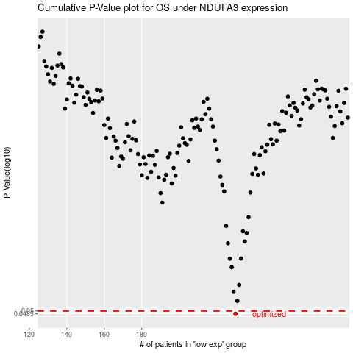

 |  |  |  |  |  | cases_OS | p_OS | rank | exp
 |  |  |  |  |  | 230 | 0.0485 | 322 | -0.25705874579
 |  |  |  |  |  |  | cases_RFS | p_RFS | rank | exp
 |  |  |  |  |  |  | 229 | 0.0485 | 44 | -0.26475941527

