NDUFA6 _multivariate
Reported by Tex Li-Hsing Chi. tex@gate.sinica.edu.tw 2019-08-17

Table 2. The clinicopathological features of HNSCC cohort and NDUFA6 expression. (Chi square test)
Cutoff at -0.271 (49.8%)
 |  | NDUFA6 expression |  | NDUFA6 expression |  | (Optimised)
 | Features | Low | (%) | High | (%) | Case no | P-value | Remark | Matthews
Gender | Female | 149 | 35.9 | 157 | 37.8 | 415 | 0.4848 | 0 | 0
2 | Male | 58 | 14 | 51 | 12.3
Age at diagnosis | <=65y | 134 | 32.3 | 140 | 33.7 | 415 | 0.6529 | 0 | 0
4 | >65y | 73 | 17.6 | 68 | 16.4
Clinical T Status | T1+T2 | 72 | 17.3 | 77 | 18.6 | 415 | 0.7095 | 0 | 0
6 | T3+T4 | 135 | 32.5 | 131 | 31.6
Clinical N Status | N0 | 108 | 26 | 108 | 26 | 415 | 1 | 0 | 0
8 | N1-3 | 99 | 23.9 | 100 | 24.1
Clinical M Status | M0 | 206 | 49.6 | 206 | 49.6 | 415 | 1 | 0 | 0
10 | M1 | 1 | 0.2 | 2 | 0.5
Clinical Stage | Stage I+II | 54 | 13 | 48 | 11.6 | 415 | 0.5498 | 0 | 0
12 | Stage III+IV | 153 | 36.9 | 160 | 38.6
Surgical Margin status | Negative | 169 | 40.7 | 149 | 35.9 | 415 | 0.0201 | 1 | 0
14 | Positive | 38 | 9.2 | 59 | 14.2
Tobacco Exposure | Low | 96 | 23.1 | 65 | 15.7 | 415 | 0.0018 | 1 | 0
16 | High | 111 | 26.7 | 143 | 34.5

Table 3. Univariate/Multivariate Cox's proportional hazards regression analyses on OS time of NDUFA6 gene expression in HNSCC

 |  | Univariate |  |  |  | Multivariate
 | Features | HR | CI95%(L) | CI95%(H) | P-value | HR | CI95%(L) | CI95%(H) | P-value
1 | Female | 1 |  |  |  | 1
Gender | Male | 1.157 | 0.843 | 1.587 | 0.367 | 1.201 | 0.859 | 1.678 | 0.285
11 | <=65y | 1 |  |  |  | 1
Age at diagnosis | >65y | 1.329 | 0.99 | 1.784 | 0.058 | 1.393 | 1.025 | 1.894 | 0.034
12 | T1+T2 | 1 |  |  |  | 1
Clinical T Status | T3+T4 | 1.409 | 1.028 | 1.931 | 0.033 | 2.233 | 1.18 | 4.226 | 0.014
13 | N0 | 1 |  |  |  | 1
Clinical N Status | N1-3 | 1.185 | 0.89 | 1.577 | 0.246 | 1.25 | 0.875 | 1.784 | 0.22
14 | M0 | 1 |  |  |  | 1
Clinical M Status | M1 | 4.097 | 1.009 | 16.644 | 0.049 | 9.152 | 1.993 | 42.016 | 0.004
15 | Stage I+II | 1 |  |  |  | 1
Clinical Stage | Stage III+IV | 1.245 | 0.882 | 1.759 | 0.213 | 0.493 | 0.229 | 1.061 | 0.07
16 | Negative | 1 |  |  |  | 1
Surgical Margin status | Positive | 1.591 | 1.155 | 2.191 | 0.004 | 1.643 | 1.186 | 2.276 | 0.003
17 | Low | 1 |  |  |  | 1
Tobacco Exposure | High | 1.364 | 1.008 | 1.844 | 0.044 | 1.43 | 1.034 | 1.976 | 0.03
18 | Low | 1 |  |  |  | 1
RNAseq(z-score) | High | 1.236 | 0.926 | 1.65 | 0.15 | 1.135 | 0.845 | 1.523 | 0.4

Table 4. Univariate/Multivariate Cox's proportional hazards regression analyses on RFS time of NDUFA6 gene expression in HNSCC

 |  | Univariate |  |  |  | Multivariate
 | Features | HR | CI95%(L) | CI95%(H) | P-value | HR | CI95%(L) | CI95%(H) | P-value
1 | Female | 1 |  |  |  | 1
Gender | Male | 1.157 | 0.843 | 1.587 | 0.367 | 1.201 | 0.859 | 1.678 | 0.285
11 | <=65y | 1 |  |  |  | 1
Age at diagnosis | >65y | 1.329 | 0.99 | 1.784 | 0.058 | 1.393 | 1.025 | 1.894 | 0.034
12 | T1+T2 | 1 |  |  |  | 1
Clinical T Status | T3+T4 | 1.409 | 1.028 | 1.931 | 0.033 | 2.233 | 1.18 | 4.226 | 0.014
13 | N0 | 1 |  |  |  | 1
Clinical N Status | N1-3 | 1.185 | 0.89 | 1.577 | 0.246 | 1.25 | 0.875 | 1.784 | 0.22
14 | M0 | 1 |  |  |  | 1
Clinical M Status | M1 | 4.097 | 1.009 | 16.644 | 0.049 | 9.152 | 1.993 | 42.016 | 0.004
15 | Stage I+II | 1 |  |  |  | 1
Clinical Stage | Stage III+IV | 1.245 | 0.882 | 1.759 | 0.213 | 0.493 | 0.229 | 1.061 | 0.07
16 | Negative | 1 |  |  |  | 1
Surgical Margin status | Positive | 1.591 | 1.155 | 2.191 | 0.004 | 1.643 | 1.186 | 2.276 | 0.003
17 | Low | 1 |  |  |  | 1
Tobacco Exposure | High | 1.364 | 1.008 | 1.844 | 0.044 | 1.43 | 1.034 | 1.976 | 0.03
18 | Low | 1 |  |  |  | 1
RNAseq(z-score) | High | 1.236 | 0.926 | 1.65 | 0.15 | 1.135 | 0.845 | 1.523 | 0.4

Kaplan-Meier survival estimate: Cutoff at -0.271 (49.8%)

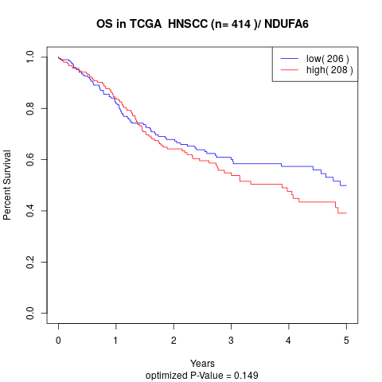

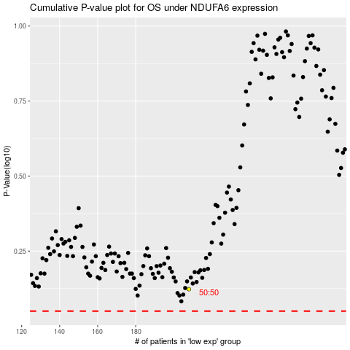

 |  |  |  |  |  | cases_OS | p_OS | rank | exp
 |  |  |  |  |  |  | cases_RFS | p_RFS | rank | exp

