NDUFA8 _multivariate
Reported by Tex Li-Hsing Chi. tex@gate.sinica.edu.tw 2019-08-17

Table 2. The clinicopathological features of HNSCC cohort and NDUFA8 expression. (Chi square test)
Cutoff at 0.033 (64.5%)
 |  | NDUFA8 expression |  | NDUFA8 expression |  | (Optimised)
 | Features | Low | (%) | High | (%) | Case no | P-value | Remark | Matthews
Gender | Female | 192 | 46.3 | 114 | 27.5 | 415 | 0.2334 | 0 | 0
2 | Male | 76 | 18.3 | 33 | 8
Age at diagnosis | <=65y | 179 | 43.1 | 95 | 22.9 | 415 | 0.7361 | 0 | 0
4 | >65y | 89 | 21.4 | 52 | 12.5
Clinical T Status | T1+T2 | 96 | 23.1 | 53 | 12.8 | 415 | 1 | 0 | 0
6 | T3+T4 | 172 | 41.4 | 94 | 22.7
Clinical N Status | N0 | 135 | 32.5 | 81 | 19.5 | 415 | 0.4125 | 0 | 0
8 | N1-3 | 133 | 32 | 66 | 15.9
Clinical M Status | M0 | 268 | 64.6 | 144 | 34.7 | 415 | 0.0439 | 1 | 0
10 | M1 | 0 | 0 | 3 | 0.7
Clinical Stage | Stage I+II | 68 | 16.4 | 34 | 8.2 | 415 | 0.6976 | 0 | 0
12 | Stage III+IV | 200 | 48.2 | 113 | 27.2
Surgical Margin status | Negative | 212 | 51.1 | 106 | 25.5 | 415 | 0.1158 | 0 | 0
14 | Positive | 56 | 13.5 | 41 | 9.9
Tobacco Exposure | Low | 107 | 25.8 | 54 | 13 | 415 | 0.5298 | 0 | 0
16 | High | 161 | 38.8 | 93 | 22.4

Table 3. Univariate/Multivariate Cox's proportional hazards regression analyses on OS time of NDUFA8 gene expression in HNSCC

 |  | Univariate |  |  |  | Multivariate
 | Features | HR | CI95%(L) | CI95%(H) | P-value | HR | CI95%(L) | CI95%(H) | P-value
1 | Female | 1 |  |  |  | 1
Gender | Male | 1.157 | 0.843 | 1.587 | 0.367 | 1.207 | 0.863 | 1.689 | 0.272
11 | <=65y | 1 |  |  |  | 1
Age at diagnosis | >65y | 1.329 | 0.99 | 1.784 | 0.058 | 1.367 | 1.006 | 1.858 | 0.046
12 | T1+T2 | 1 |  |  |  | 1
Clinical T Status | T3+T4 | 1.409 | 1.028 | 1.931 | 0.033 | 2.222 | 1.176 | 4.199 | 0.014
13 | N0 | 1 |  |  |  | 1
Clinical N Status | N1-3 | 1.185 | 0.89 | 1.577 | 0.246 | 1.243 | 0.871 | 1.775 | 0.23
14 | M0 | 1 |  |  |  | 1
Clinical M Status | M1 | 4.097 | 1.009 | 16.644 | 0.049 | 8.11 | 1.752 | 37.546 | 0.007
15 | Stage I+II | 1 |  |  |  | 1
Clinical Stage | Stage III+IV | 1.245 | 0.882 | 1.759 | 0.213 | 0.493 | 0.23 | 1.058 | 0.069
16 | Negative | 1 |  |  |  | 1
Surgical Margin status | Positive | 1.591 | 1.155 | 2.191 | 0.004 | 1.637 | 1.183 | 2.265 | 0.003
17 | Low | 1 |  |  |  | 1
Tobacco Exposure | High | 1.364 | 1.008 | 1.844 | 0.044 | 1.434 | 1.039 | 1.979 | 0.028
18 | Low | 1 |  |  |  | 1
RNAseq(z-score) | High | 1.389 | 1.032 | 1.868 | 0.03 | 1.28 | 0.946 | 1.732 | 0.109

Table 4. Univariate/Multivariate Cox's proportional hazards regression analyses on RFS time of NDUFA8 gene expression in HNSCC

 |  | Univariate |  |  |  | Multivariate
 | Features | HR | CI95%(L) | CI95%(H) | P-value | HR | CI95%(L) | CI95%(H) | P-value
1 | Female | 1 |  |  |  | 1
Gender | Male | 1.157 | 0.843 | 1.587 | 0.367 | 1.207 | 0.863 | 1.689 | 0.272
11 | <=65y | 1 |  |  |  | 1
Age at diagnosis | >65y | 1.329 | 0.99 | 1.784 | 0.058 | 1.367 | 1.006 | 1.858 | 0.046
12 | T1+T2 | 1 |  |  |  | 1
Clinical T Status | T3+T4 | 1.409 | 1.028 | 1.931 | 0.033 | 2.222 | 1.176 | 4.199 | 0.014
13 | N0 | 1 |  |  |  | 1
Clinical N Status | N1-3 | 1.185 | 0.89 | 1.577 | 0.246 | 1.243 | 0.871 | 1.775 | 0.23
14 | M0 | 1 |  |  |  | 1
Clinical M Status | M1 | 4.097 | 1.009 | 16.644 | 0.049 | 8.11 | 1.752 | 37.546 | 0.007
15 | Stage I+II | 1 |  |  |  | 1
Clinical Stage | Stage III+IV | 1.245 | 0.882 | 1.759 | 0.213 | 0.493 | 0.23 | 1.058 | 0.069
16 | Negative | 1 |  |  |  | 1
Surgical Margin status | Positive | 1.591 | 1.155 | 2.191 | 0.004 | 1.637 | 1.183 | 2.265 | 0.003
17 | Low | 1 |  |  |  | 1
Tobacco Exposure | High | 1.364 | 1.008 | 1.844 | 0.044 | 1.434 | 1.039 | 1.979 | 0.028
18 | Low | 1 |  |  |  | 1
RNAseq(z-score) | High | 1.389 | 1.032 | 1.868 | 0.03 | 1.28 | 0.946 | 1.732 | 0.109

Kaplan-Meier survival estimate: Cutoff at 0.033 (64.5%)

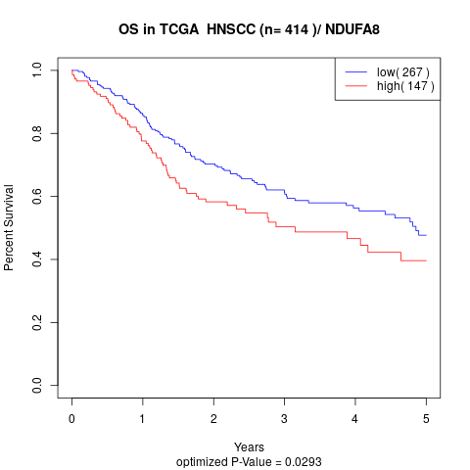

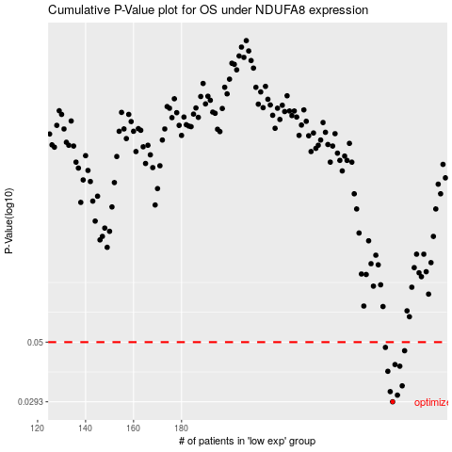

 |  |  |  |  |  | cases_OS | p_OS | rank | exp
 |  |  |  |  |  | 268 | 0.0293 | 199 | 0.032830244055
 |  |  |  |  |  | 270 | 0.0311 | 92 | 0.069457352509
 |  |  |  |  |  | 267 | 0.0321 | 384 | 0.0091022255943
 |  |  |  |  |  | 272 | 0.0338 | 68 | 0.080799028412
 |  |  |  |  |  | 266 | 0.0385 | 235 | 0.0064708002805
 |  |  |  |  |  | 271 | 0.0403 | 310 | 0.073608435234
 |  |  |  |  |  | 269 | 0.0409 | 105 | 0.068239357267
 |  |  |  |  |  | 273 | 0.0463 | 398 | 0.088493761285
 |  |  |  |  |  | 265 | 0.0477 | 160 | 0.0030462890829
 |  |  |  |  |  |  | cases_RFS | p_RFS | rank | exp
 |  |  |  |  |  |  | 267 | 0.0293 | 384 | 0.0091022255943
 |  |  |  |  |  |  | 269 | 0.0311 | 105 | 0.068239357267
 |  |  |  |  |  |  | 266 | 0.0321 | 235 | 0.0064708002805
 |  |  |  |  |  |  | 271 | 0.0338 | 310 | 0.073608435234
 |  |  |  |  |  |  | 265 | 0.0385 | 160 | 0.0030462890829
 |  |  |  |  |  |  | 270 | 0.0403 | 92 | 0.069457352509
 |  |  |  |  |  |  | 268 | 0.0409 | 199 | 0.032830244055
 |  |  |  |  |  |  | 272 | 0.0463 | 68 | 0.080799028412
 |  |  |  |  |  |  | 264 | 0.0477 | 57 | -0.0084313499896

