NDUFAF1 _multivariate
Reported by Tex Li-Hsing Chi. tex@gate.sinica.edu.tw 2019-08-17

Table 2. The clinicopathological features of HNSCC cohort and NDUFAF1 expression. (Chi square test)
Cutoff at -0.275 (50.0%)
 |  | NDUFAF1 expression |  | NDUFAF1 expression |  | (Optimised)
 | Features | Low | (%) | High | (%) | Case no | P-value | Remark | Matthews
Gender | Female | 155 | 37.3 | 151 | 36.4 | 415 | 0.6768 | 0 | 0
2 | Male | 52 | 12.5 | 57 | 13.7
Age at diagnosis | <=65y | 142 | 34.2 | 132 | 31.8 | 415 | 0.3167 | 0 | 0
4 | >65y | 65 | 15.7 | 76 | 18.3
Clinical T Status | T1+T2 | 62 | 14.9 | 87 | 21 | 415 | 0.0156 | 1 | 0
6 | T3+T4 | 145 | 34.9 | 121 | 29.2
Clinical N Status | N0 | 91 | 21.9 | 125 | 30.1 | 415 | 0.0014 | 1 | 0
8 | N1-3 | 116 | 28 | 83 | 20
Clinical M Status | M0 | 206 | 49.6 | 206 | 49.6 | 415 | 1 | 0 | 0
10 | M1 | 1 | 0.2 | 2 | 0.5
Clinical Stage | Stage I+II | 43 | 10.4 | 59 | 14.2 | 415 | 0.0925 | 0 | 0
12 | Stage III+IV | 164 | 39.5 | 149 | 35.9
Surgical Margin status | Negative | 164 | 39.5 | 154 | 37.1 | 415 | 0.2462 | 0 | 0
14 | Positive | 43 | 10.4 | 54 | 13
Tobacco Exposure | Low | 71 | 17.1 | 90 | 21.7 | 415 | 0.0698 | 0 | 0
16 | High | 136 | 32.8 | 118 | 28.4

Table 3. Univariate/Multivariate Cox's proportional hazards regression analyses on OS time of NDUFAF1 gene expression in HNSCC

 |  | Univariate |  |  |  | Multivariate
 | Features | HR | CI95%(L) | CI95%(H) | P-value | HR | CI95%(L) | CI95%(H) | P-value
1 | Female | 1 |  |  |  | 1
Gender | Male | 1.157 | 0.843 | 1.587 | 0.367 | 1.193 | 0.853 | 1.669 | 0.301
11 | <=65y | 1 |  |  |  | 1
Age at diagnosis | >65y | 1.329 | 0.99 | 1.784 | 0.058 | 1.389 | 1.021 | 1.888 | 0.036
12 | T1+T2 | 1 |  |  |  | 1
Clinical T Status | T3+T4 | 1.409 | 1.028 | 1.931 | 0.033 | 2.253 | 1.188 | 4.27 | 0.013
13 | N0 | 1 |  |  |  | 1
Clinical N Status | N1-3 | 1.185 | 0.89 | 1.577 | 0.246 | 1.277 | 0.888 | 1.836 | 0.187
14 | M0 | 1 |  |  |  | 1
Clinical M Status | M1 | 4.097 | 1.009 | 16.644 | 0.049 | 9.083 | 1.977 | 41.742 | 0.005
15 | Stage I+II | 1 |  |  |  | 1
Clinical Stage | Stage III+IV | 1.245 | 0.882 | 1.759 | 0.213 | 0.496 | 0.231 | 1.066 | 0.073
16 | Negative | 1 |  |  |  | 1
Surgical Margin status | Positive | 1.591 | 1.155 | 2.191 | 0.004 | 1.646 | 1.188 | 2.28 | 0.003
17 | Low | 1 |  |  |  | 1
Tobacco Exposure | High | 1.364 | 1.008 | 1.844 | 0.044 | 1.463 | 1.061 | 2.017 | 0.02
18 | Low | 1 |  |  |  | 1
RNAseq(z-score) | High | 1.076 | 0.807 | 1.435 | 0.618 | 1.125 | 0.83 | 1.524 | 0.447

Table 4. Univariate/Multivariate Cox's proportional hazards regression analyses on RFS time of NDUFAF1 gene expression in HNSCC

 |  | Univariate |  |  |  | Multivariate
 | Features | HR | CI95%(L) | CI95%(H) | P-value | HR | CI95%(L) | CI95%(H) | P-value
1 | Female | 1 |  |  |  | 1
Gender | Male | 1.157 | 0.843 | 1.587 | 0.367 | 1.193 | 0.853 | 1.669 | 0.301
11 | <=65y | 1 |  |  |  | 1
Age at diagnosis | >65y | 1.329 | 0.99 | 1.784 | 0.058 | 1.389 | 1.021 | 1.888 | 0.036
12 | T1+T2 | 1 |  |  |  | 1
Clinical T Status | T3+T4 | 1.409 | 1.028 | 1.931 | 0.033 | 2.253 | 1.188 | 4.27 | 0.013
13 | N0 | 1 |  |  |  | 1
Clinical N Status | N1-3 | 1.185 | 0.89 | 1.577 | 0.246 | 1.277 | 0.888 | 1.836 | 0.187
14 | M0 | 1 |  |  |  | 1
Clinical M Status | M1 | 4.097 | 1.009 | 16.644 | 0.049 | 9.083 | 1.977 | 41.742 | 0.005
15 | Stage I+II | 1 |  |  |  | 1
Clinical Stage | Stage III+IV | 1.245 | 0.882 | 1.759 | 0.213 | 0.496 | 0.231 | 1.066 | 0.073
16 | Negative | 1 |  |  |  | 1
Surgical Margin status | Positive | 1.591 | 1.155 | 2.191 | 0.004 | 1.646 | 1.188 | 2.28 | 0.003
17 | Low | 1 |  |  |  | 1
Tobacco Exposure | High | 1.364 | 1.008 | 1.844 | 0.044 | 1.463 | 1.061 | 2.017 | 0.02
18 | Low | 1 |  |  |  | 1
RNAseq(z-score) | High | 1.076 | 0.807 | 1.435 | 0.618 | 1.125 | 0.83 | 1.524 | 0.447

Kaplan-Meier survival estimate: Cutoff at -0.275 (50.0%)



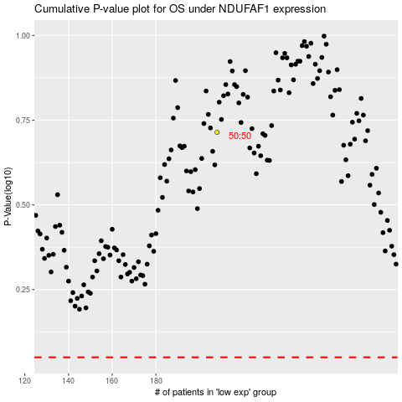

 |  |  |  |  |  | cases_OS | p_OS | rank | exp
 |  |  |  |  |  |  | cases_RFS | p_RFS | rank | exp

