NDUFAF2 _multivariate
Reported by Tex Li-Hsing Chi. tex@gate.sinica.edu.tw 2019-08-17

Table 2. The clinicopathological features of HNSCC cohort and NDUFAF2 expression. (Chi square test)
Cutoff at -0.281 (50.0%)
 |  | NDUFAF2 expression |  | NDUFAF2 expression |  | (Optimised)
 | Features | Low | (%) | High | (%) | Case no | P-value | Remark | Matthews
Gender | Female | 157 | 37.8 | 149 | 35.9 | 415 | 0.3881 | 0 | 0
2 | Male | 50 | 12 | 59 | 14.2
Age at diagnosis | <=65y | 139 | 33.5 | 135 | 32.5 | 415 | 0.7044 | 0 | 0
4 | >65y | 68 | 16.4 | 73 | 17.6
Clinical T Status | T1+T2 | 72 | 17.3 | 77 | 18.6 | 415 | 0.7095 | 0 | 0
6 | T3+T4 | 135 | 32.5 | 131 | 31.6
Clinical N Status | N0 | 107 | 25.8 | 109 | 26.3 | 415 | 0.9624 | 0 | 0
8 | N1-3 | 100 | 24.1 | 99 | 23.9
Clinical M Status | M0 | 207 | 49.9 | 205 | 49.4 | 415 | 0.2482 | 0 | 0
10 | M1 | 0 | 0 | 3 | 0.7
Clinical Stage | Stage I+II | 52 | 12.5 | 50 | 12 | 415 | 0.8871 | 0 | 0
12 | Stage III+IV | 155 | 37.3 | 158 | 38.1
Surgical Margin status | Negative | 165 | 39.8 | 153 | 36.9 | 415 | 0.1639 | 0 | 0
14 | Positive | 42 | 10.1 | 55 | 13.3
Tobacco Exposure | Low | 79 | 19 | 82 | 19.8 | 415 | 0.8405 | 0 | 0
16 | High | 128 | 30.8 | 126 | 30.4

Table 3. Univariate/Multivariate Cox's proportional hazards regression analyses on OS time of NDUFAF2 gene expression in HNSCC

 |  | Univariate |  |  |  | Multivariate
 | Features | HR | CI95%(L) | CI95%(H) | P-value | HR | CI95%(L) | CI95%(H) | P-value
1 | Female | 1 |  |  |  | 1
Gender | Male | 1.157 | 0.843 | 1.587 | 0.367 | 1.206 | 0.861 | 1.687 | 0.276
11 | <=65y | 1 |  |  |  | 1
Age at diagnosis | >65y | 1.329 | 0.99 | 1.784 | 0.058 | 1.394 | 1.025 | 1.897 | 0.034
12 | T1+T2 | 1 |  |  |  | 1
Clinical T Status | T3+T4 | 1.409 | 1.028 | 1.931 | 0.033 | 2.198 | 1.162 | 4.159 | 0.015
13 | N0 | 1 |  |  |  | 1
Clinical N Status | N1-3 | 1.185 | 0.89 | 1.577 | 0.246 | 1.242 | 0.87 | 1.771 | 0.233
14 | M0 | 1 |  |  |  | 1
Clinical M Status | M1 | 4.097 | 1.009 | 16.644 | 0.049 | 9.533 | 2.064 | 44.021 | 0.004
15 | Stage I+II | 1 |  |  |  | 1
Clinical Stage | Stage III+IV | 1.245 | 0.882 | 1.759 | 0.213 | 0.505 | 0.235 | 1.084 | 0.08
16 | Negative | 1 |  |  |  | 1
Surgical Margin status | Positive | 1.591 | 1.155 | 2.191 | 0.004 | 1.679 | 1.21 | 2.329 | 0.002
17 | Low | 1 |  |  |  | 1
Tobacco Exposure | High | 1.364 | 1.008 | 1.844 | 0.044 | 1.452 | 1.054 | 2.001 | 0.022
18 | Low | 1 |  |  |  | 1
RNAseq(z-score) | High | 1.064 | 0.798 | 1.418 | 0.674 | 0.974 | 0.724 | 1.309 | 0.86

Table 4. Univariate/Multivariate Cox's proportional hazards regression analyses on RFS time of NDUFAF2 gene expression in HNSCC

 |  | Univariate |  |  |  | Multivariate
 | Features | HR | CI95%(L) | CI95%(H) | P-value | HR | CI95%(L) | CI95%(H) | P-value
1 | Female | 1 |  |  |  | 1
Gender | Male | 1.157 | 0.843 | 1.587 | 0.367 | 1.206 | 0.861 | 1.687 | 0.276
11 | <=65y | 1 |  |  |  | 1
Age at diagnosis | >65y | 1.329 | 0.99 | 1.784 | 0.058 | 1.394 | 1.025 | 1.897 | 0.034
12 | T1+T2 | 1 |  |  |  | 1
Clinical T Status | T3+T4 | 1.409 | 1.028 | 1.931 | 0.033 | 2.198 | 1.162 | 4.159 | 0.015
13 | N0 | 1 |  |  |  | 1
Clinical N Status | N1-3 | 1.185 | 0.89 | 1.577 | 0.246 | 1.242 | 0.87 | 1.771 | 0.233
14 | M0 | 1 |  |  |  | 1
Clinical M Status | M1 | 4.097 | 1.009 | 16.644 | 0.049 | 9.533 | 2.064 | 44.021 | 0.004
15 | Stage I+II | 1 |  |  |  | 1
Clinical Stage | Stage III+IV | 1.245 | 0.882 | 1.759 | 0.213 | 0.505 | 0.235 | 1.084 | 0.08
16 | Negative | 1 |  |  |  | 1
Surgical Margin status | Positive | 1.591 | 1.155 | 2.191 | 0.004 | 1.679 | 1.21 | 2.329 | 0.002
17 | Low | 1 |  |  |  | 1
Tobacco Exposure | High | 1.364 | 1.008 | 1.844 | 0.044 | 1.452 | 1.054 | 2.001 | 0.022
18 | Low | 1 |  |  |  | 1
RNAseq(z-score) | High | 1.064 | 0.798 | 1.418 | 0.674 | 0.974 | 0.724 | 1.309 | 0.86

Kaplan-Meier survival estimate: Cutoff at -0.281 (50.0%)



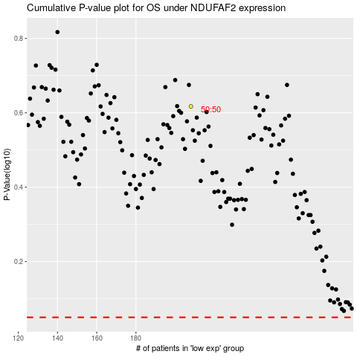

 |  |  |  |  |  | cases_OS | p_OS | rank | exp
 |  |  |  |  |  |  | cases_RFS | p_RFS | rank | exp

