NDUFAF3 _multivariate
Reported by Tex Li-Hsing Chi. tex@gate.sinica.edu.tw 2019-08-17

Table 2. The clinicopathological features of HNSCC cohort and NDUFAF3 expression. (Chi square test)
Cutoff at -0.253 (49.8%)
 |  | NDUFAF3 expression |  | NDUFAF3 expression |  | (Optimised)
 | Features | Low | (%) | High | (%) | Case no | P-value | Remark | Matthews
Gender | Female | 161 | 38.8 | 145 | 34.9 | 415 | 0.0792 | 0 | 0
2 | Male | 46 | 11.1 | 63 | 15.2
Age at diagnosis | <=65y | 137 | 33 | 137 | 33 | 415 | 1 | 0 | 0
4 | >65y | 70 | 16.9 | 71 | 17.1
Clinical T Status | T1+T2 | 76 | 18.3 | 73 | 17.6 | 415 | 0.8092 | 0 | 0
6 | T3+T4 | 131 | 31.6 | 135 | 32.5
Clinical N Status | N0 | 107 | 25.8 | 109 | 26.3 | 415 | 0.9624 | 0 | 0
8 | N1-3 | 100 | 24.1 | 99 | 23.9
Clinical M Status | M0 | 206 | 49.6 | 206 | 49.6 | 415 | 1 | 0 | 0
10 | M1 | 1 | 0.2 | 2 | 0.5
Clinical Stage | Stage I+II | 56 | 13.5 | 46 | 11.1 | 415 | 0.2918 | 0 | 0
12 | Stage III+IV | 151 | 36.4 | 162 | 39
Surgical Margin status | Negative | 162 | 39 | 156 | 37.6 | 415 | 0.4867 | 0 | 0
14 | Positive | 45 | 10.8 | 52 | 12.5
Tobacco Exposure | Low | 79 | 19 | 82 | 19.8 | 415 | 0.8405 | 0 | 0
16 | High | 128 | 30.8 | 126 | 30.4

Table 3. Univariate/Multivariate Cox's proportional hazards regression analyses on OS time of NDUFAF3 gene expression in HNSCC

 |  | Univariate |  |  |  | Multivariate
 | Features | HR | CI95%(L) | CI95%(H) | P-value | HR | CI95%(L) | CI95%(H) | P-value
1 | Female | 1 |  |  |  | 1
Gender | Male | 1.157 | 0.843 | 1.587 | 0.367 | 1.19 | 0.85 | 1.668 | 0.311
11 | <=65y | 1 |  |  |  | 1
Age at diagnosis | >65y | 1.329 | 0.99 | 1.784 | 0.058 | 1.395 | 1.026 | 1.897 | 0.034
12 | T1+T2 | 1 |  |  |  | 1
Clinical T Status | T3+T4 | 1.409 | 1.028 | 1.931 | 0.033 | 2.22 | 1.173 | 4.202 | 0.014
13 | N0 | 1 |  |  |  | 1
Clinical N Status | N1-3 | 1.185 | 0.89 | 1.577 | 0.246 | 1.251 | 0.875 | 1.79 | 0.219
14 | M0 | 1 |  |  |  | 1
Clinical M Status | M1 | 4.097 | 1.009 | 16.644 | 0.049 | 9.269 | 2.018 | 42.563 | 0.004
15 | Stage I+II | 1 |  |  |  | 1
Clinical Stage | Stage III+IV | 1.245 | 0.882 | 1.759 | 0.213 | 0.496 | 0.23 | 1.069 | 0.074
16 | Negative | 1 |  |  |  | 1
Surgical Margin status | Positive | 1.591 | 1.155 | 2.191 | 0.004 | 1.668 | 1.207 | 2.306 | 0.002
17 | Low | 1 |  |  |  | 1
Tobacco Exposure | High | 1.364 | 1.008 | 1.844 | 0.044 | 1.447 | 1.05 | 1.994 | 0.024
18 | Low | 1 |  |  |  | 1
RNAseq(z-score) | High | 1.081 | 0.812 | 1.44 | 0.594 | 1.061 | 0.791 | 1.421 | 0.694

Table 4. Univariate/Multivariate Cox's proportional hazards regression analyses on RFS time of NDUFAF3 gene expression in HNSCC

 |  | Univariate |  |  |  | Multivariate
 | Features | HR | CI95%(L) | CI95%(H) | P-value | HR | CI95%(L) | CI95%(H) | P-value
1 | Female | 1 |  |  |  | 1
Gender | Male | 1.157 | 0.843 | 1.587 | 0.367 | 1.19 | 0.85 | 1.668 | 0.311
11 | <=65y | 1 |  |  |  | 1
Age at diagnosis | >65y | 1.329 | 0.99 | 1.784 | 0.058 | 1.395 | 1.026 | 1.897 | 0.034
12 | T1+T2 | 1 |  |  |  | 1
Clinical T Status | T3+T4 | 1.409 | 1.028 | 1.931 | 0.033 | 2.22 | 1.173 | 4.202 | 0.014
13 | N0 | 1 |  |  |  | 1
Clinical N Status | N1-3 | 1.185 | 0.89 | 1.577 | 0.246 | 1.251 | 0.875 | 1.79 | 0.219
14 | M0 | 1 |  |  |  | 1
Clinical M Status | M1 | 4.097 | 1.009 | 16.644 | 0.049 | 9.269 | 2.018 | 42.563 | 0.004
15 | Stage I+II | 1 |  |  |  | 1
Clinical Stage | Stage III+IV | 1.245 | 0.882 | 1.759 | 0.213 | 0.496 | 0.23 | 1.069 | 0.074
16 | Negative | 1 |  |  |  | 1
Surgical Margin status | Positive | 1.591 | 1.155 | 2.191 | 0.004 | 1.668 | 1.207 | 2.306 | 0.002
17 | Low | 1 |  |  |  | 1
Tobacco Exposure | High | 1.364 | 1.008 | 1.844 | 0.044 | 1.447 | 1.05 | 1.994 | 0.024
18 | Low | 1 |  |  |  | 1
RNAseq(z-score) | High | 1.081 | 0.812 | 1.44 | 0.594 | 1.061 | 0.791 | 1.421 | 0.694

Kaplan-Meier survival estimate: Cutoff at -0.253 (49.8%)



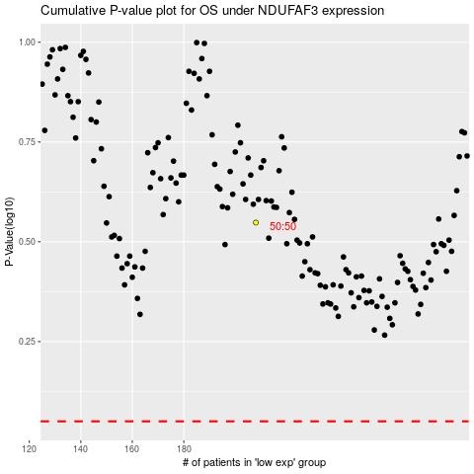

 |  |  |  |  |  | cases_OS | p_OS | rank | exp
 |  |  |  |  |  |  | cases_RFS | p_RFS | rank | exp

