NDUFAF4 _multivariate
Reported by Tex Li-Hsing Chi. tex@gate.sinica.edu.tw 2019-08-17

Table 2. The clinicopathological features of HNSCC cohort and NDUFAF4 expression. (Chi square test)
Cutoff at -0.307 (50.2%)
 |  | NDUFAF4 expression |  | NDUFAF4 expression |  | (Optimised)
 | Features | Low | (%) | High | (%) | Case no | P-value | Remark | Matthews
Gender | Female | 158 | 38.1 | 148 | 35.7 | 415 | 0.3567 | 0 | 0
2 | Male | 50 | 12 | 59 | 14.2
Age at diagnosis | <=65y | 143 | 34.5 | 131 | 31.6 | 415 | 0.2839 | 0 | 0
4 | >65y | 65 | 15.7 | 76 | 18.3
Clinical T Status | T1+T2 | 78 | 18.8 | 71 | 17.1 | 415 | 0.5638 | 0 | 0
6 | T3+T4 | 130 | 31.3 | 136 | 32.8
Clinical N Status | N0 | 114 | 27.5 | 102 | 24.6 | 415 | 0.3031 | 1 | 0
8 | N1-3 | 94 | 22.7 | 105 | 25.3
Clinical M Status | M0 | 206 | 49.6 | 206 | 49.6 | 415 | 1 | 0 | 0
10 | M1 | 2 | 0.5 | 1 | 0.2
Clinical Stage | Stage I+II | 51 | 12.3 | 51 | 12.3 | 415 | 1 | 0 | 0
12 | Stage III+IV | 157 | 37.8 | 156 | 37.6
Surgical Margin status | Negative | 165 | 39.8 | 153 | 36.9 | 415 | 0.2036 | 0 | 0
14 | Positive | 43 | 10.4 | 54 | 13
Tobacco Exposure | Low | 94 | 22.7 | 67 | 16.1 | 415 | 0.0088 | 1 | 0
16 | High | 114 | 27.5 | 140 | 33.7

Table 3. Univariate/Multivariate Cox's proportional hazards regression analyses on OS time of NDUFAF4 gene expression in HNSCC

 |  | Univariate |  |  |  | Multivariate
 | Features | HR | CI95%(L) | CI95%(H) | P-value | HR | CI95%(L) | CI95%(H) | P-value
1 | Female | 1 |  |  |  | 1
Gender | Male | 1.157 | 0.843 | 1.587 | 0.367 | 1.182 | 0.844 | 1.655 | 0.331
11 | <=65y | 1 |  |  |  | 1
Age at diagnosis | >65y | 1.329 | 0.99 | 1.784 | 0.058 | 1.376 | 1.012 | 1.871 | 0.042
12 | T1+T2 | 1 |  |  |  | 1
Clinical T Status | T3+T4 | 1.409 | 1.028 | 1.931 | 0.033 | 2.156 | 1.139 | 4.082 | 0.018
13 | N0 | 1 |  |  |  | 1
Clinical N Status | N1-3 | 1.185 | 0.89 | 1.577 | 0.246 | 1.213 | 0.848 | 1.736 | 0.29
14 | M0 | 1 |  |  |  | 1
Clinical M Status | M1 | 4.097 | 1.009 | 16.644 | 0.049 | 9.319 | 2.033 | 42.718 | 0.004
15 | Stage I+II | 1 |  |  |  | 1
Clinical Stage | Stage III+IV | 1.245 | 0.882 | 1.759 | 0.213 | 0.522 | 0.242 | 1.124 | 0.097
16 | Negative | 1 |  |  |  | 1
Surgical Margin status | Positive | 1.591 | 1.155 | 2.191 | 0.004 | 1.647 | 1.191 | 2.278 | 0.003
17 | Low | 1 |  |  |  | 1
Tobacco Exposure | High | 1.364 | 1.008 | 1.844 | 0.044 | 1.414 | 1.021 | 1.958 | 0.037
18 | Low | 1 |  |  |  | 1
RNAseq(z-score) | High | 1.334 | 1.001 | 1.778 | 0.049 | 1.151 | 0.855 | 1.55 | 0.354

Table 4. Univariate/Multivariate Cox's proportional hazards regression analyses on RFS time of NDUFAF4 gene expression in HNSCC

 |  | Univariate |  |  |  | Multivariate
 | Features | HR | CI95%(L) | CI95%(H) | P-value | HR | CI95%(L) | CI95%(H) | P-value
1 | Female | 1 |  |  |  | 1
Gender | Male | 1.157 | 0.843 | 1.587 | 0.367 | 1.182 | 0.844 | 1.655 | 0.331
11 | <=65y | 1 |  |  |  | 1
Age at diagnosis | >65y | 1.329 | 0.99 | 1.784 | 0.058 | 1.376 | 1.012 | 1.871 | 0.042
12 | T1+T2 | 1 |  |  |  | 1
Clinical T Status | T3+T4 | 1.409 | 1.028 | 1.931 | 0.033 | 2.156 | 1.139 | 4.082 | 0.018
13 | N0 | 1 |  |  |  | 1
Clinical N Status | N1-3 | 1.185 | 0.89 | 1.577 | 0.246 | 1.213 | 0.848 | 1.736 | 0.29
14 | M0 | 1 |  |  |  | 1
Clinical M Status | M1 | 4.097 | 1.009 | 16.644 | 0.049 | 9.319 | 2.033 | 42.718 | 0.004
15 | Stage I+II | 1 |  |  |  | 1
Clinical Stage | Stage III+IV | 1.245 | 0.882 | 1.759 | 0.213 | 0.522 | 0.242 | 1.124 | 0.097
16 | Negative | 1 |  |  |  | 1
Surgical Margin status | Positive | 1.591 | 1.155 | 2.191 | 0.004 | 1.647 | 1.191 | 2.278 | 0.003
17 | Low | 1 |  |  |  | 1
Tobacco Exposure | High | 1.364 | 1.008 | 1.844 | 0.044 | 1.414 | 1.021 | 1.958 | 0.037
18 | Low | 1 |  |  |  | 1
RNAseq(z-score) | High | 1.334 | 1.001 | 1.778 | 0.049 | 1.151 | 0.855 | 1.55 | 0.354

Kaplan-Meier survival estimate: Cutoff at -0.307 (50.2%)



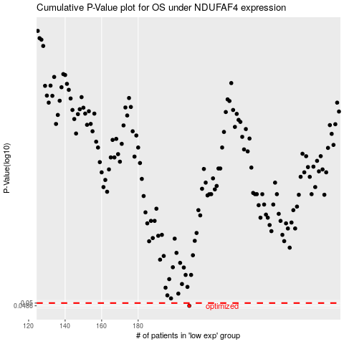

 |  |  |  |  |  | cases_OS | p_OS | rank | exp
 |  |  |  |  |  | 208 | 0.0486 | 155 | -0.30663222295
 |  |  |  |  |  |  | cases_RFS | p_RFS | rank | exp
 |  |  |  |  |  |  | 207 | 0.0486 | 233 | -0.31142747391

