NDUFB1 _multivariate
Reported by Tex Li-Hsing Chi. tex@gate.sinica.edu.tw 2019-08-17

Table 2. The clinicopathological features of HNSCC cohort and NDUFB1 expression. (Chi square test)
Cutoff at -0.372 (50.0%)
 |  | NDUFB1 expression |  | NDUFB1 expression |  | (Optimised)
 | Features | Low | (%) | High | (%) | Case no | P-value | Remark | Matthews
Gender | Female | 159 | 38.3 | 147 | 35.4 | 415 | 0.1905 | 0 | 0
2 | Male | 48 | 11.6 | 61 | 14.7
Age at diagnosis | <=65y | 140 | 33.7 | 134 | 32.3 | 415 | 0.5574 | 0 | 0
4 | >65y | 67 | 16.1 | 74 | 17.8
Clinical T Status | T1+T2 | 75 | 18.1 | 74 | 17.8 | 415 | 0.9707 | 0 | 0
6 | T3+T4 | 132 | 31.8 | 134 | 32.3
Clinical N Status | N0 | 105 | 25.3 | 111 | 26.7 | 415 | 0.6598 | 0 | 0
8 | N1-3 | 102 | 24.6 | 97 | 23.4
Clinical M Status | M0 | 206 | 49.6 | 206 | 49.6 | 415 | 1 | 0 | 0
10 | M1 | 1 | 0.2 | 2 | 0.5
Clinical Stage | Stage I+II | 55 | 13.3 | 47 | 11.3 | 415 | 0.4087 | 0 | 0
12 | Stage III+IV | 152 | 36.6 | 161 | 38.8
Surgical Margin status | Negative | 164 | 39.5 | 154 | 37.1 | 415 | 0.2462 | 0 | 0
14 | Positive | 43 | 10.4 | 54 | 13
Tobacco Exposure | Low | 83 | 20 | 78 | 18.8 | 415 | 0.6152 | 0 | 0
16 | High | 124 | 29.9 | 130 | 31.3

Table 3. Univariate/Multivariate Cox's proportional hazards regression analyses on OS time of NDUFB1 gene expression in HNSCC

 |  | Univariate |  |  |  | Multivariate
 | Features | HR | CI95%(L) | CI95%(H) | P-value | HR | CI95%(L) | CI95%(H) | P-value
1 | Female | 1 |  |  |  | 1
Gender | Male | 1.157 | 0.843 | 1.587 | 0.367 | 1.191 | 0.85 | 1.669 | 0.309
11 | <=65y | 1 |  |  |  | 1
Age at diagnosis | >65y | 1.329 | 0.99 | 1.784 | 0.058 | 1.391 | 1.024 | 1.891 | 0.035
12 | T1+T2 | 1 |  |  |  | 1
Clinical T Status | T3+T4 | 1.409 | 1.028 | 1.931 | 0.033 | 2.224 | 1.174 | 4.213 | 0.014
13 | N0 | 1 |  |  |  | 1
Clinical N Status | N1-3 | 1.185 | 0.89 | 1.577 | 0.246 | 1.253 | 0.875 | 1.795 | 0.218
14 | M0 | 1 |  |  |  | 1
Clinical M Status | M1 | 4.097 | 1.009 | 16.644 | 0.049 | 9.271 | 2.018 | 42.58 | 0.004
15 | Stage I+II | 1 |  |  |  | 1
Clinical Stage | Stage III+IV | 1.245 | 0.882 | 1.759 | 0.213 | 0.496 | 0.23 | 1.07 | 0.074
16 | Negative | 1 |  |  |  | 1
Surgical Margin status | Positive | 1.591 | 1.155 | 2.191 | 0.004 | 1.663 | 1.202 | 2.3 | 0.002
17 | Low | 1 |  |  |  | 1
Tobacco Exposure | High | 1.364 | 1.008 | 1.844 | 0.044 | 1.445 | 1.047 | 1.993 | 0.025
18 | Low | 1 |  |  |  | 1
RNAseq(z-score) | High | 1.107 | 0.831 | 1.475 | 0.486 | 1.058 | 0.788 | 1.42 | 0.707

Table 4. Univariate/Multivariate Cox's proportional hazards regression analyses on RFS time of NDUFB1 gene expression in HNSCC

 |  | Univariate |  |  |  | Multivariate
 | Features | HR | CI95%(L) | CI95%(H) | P-value | HR | CI95%(L) | CI95%(H) | P-value
1 | Female | 1 |  |  |  | 1
Gender | Male | 1.157 | 0.843 | 1.587 | 0.367 | 1.191 | 0.85 | 1.669 | 0.309
11 | <=65y | 1 |  |  |  | 1
Age at diagnosis | >65y | 1.329 | 0.99 | 1.784 | 0.058 | 1.391 | 1.024 | 1.891 | 0.035
12 | T1+T2 | 1 |  |  |  | 1
Clinical T Status | T3+T4 | 1.409 | 1.028 | 1.931 | 0.033 | 2.224 | 1.174 | 4.213 | 0.014
13 | N0 | 1 |  |  |  | 1
Clinical N Status | N1-3 | 1.185 | 0.89 | 1.577 | 0.246 | 1.253 | 0.875 | 1.795 | 0.218
14 | M0 | 1 |  |  |  | 1
Clinical M Status | M1 | 4.097 | 1.009 | 16.644 | 0.049 | 9.271 | 2.018 | 42.58 | 0.004
15 | Stage I+II | 1 |  |  |  | 1
Clinical Stage | Stage III+IV | 1.245 | 0.882 | 1.759 | 0.213 | 0.496 | 0.23 | 1.07 | 0.074
16 | Negative | 1 |  |  |  | 1
Surgical Margin status | Positive | 1.591 | 1.155 | 2.191 | 0.004 | 1.663 | 1.202 | 2.3 | 0.002
17 | Low | 1 |  |  |  | 1
Tobacco Exposure | High | 1.364 | 1.008 | 1.844 | 0.044 | 1.445 | 1.047 | 1.993 | 0.025
18 | Low | 1 |  |  |  | 1
RNAseq(z-score) | High | 1.107 | 0.831 | 1.475 | 0.486 | 1.058 | 0.788 | 1.42 | 0.707

Kaplan-Meier survival estimate: Cutoff at -0.372 (50.0%)



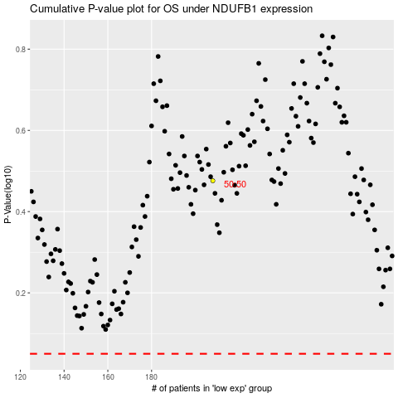

 |  |  |  |  |  | cases_OS | p_OS | rank | exp
 |  |  |  |  |  |  | cases_RFS | p_RFS | rank | exp

