NDUFB11 _multivariate
Reported by Tex Li-Hsing Chi. tex@gate.sinica.edu.tw 2019-08-17

Table 2. The clinicopathological features of HNSCC cohort and NDUFB11 expression. (Chi square test)
Cutoff at -0.298 (50.0%)
 |  | NDUFB11 expression |  | NDUFB11 expression |  | (Optimised)
 | Features | Low | (%) | High | (%) | Case no | P-value | Remark | Matthews
Gender | Female | 147 | 35.4 | 159 | 38.3 | 415 | 0.2523 | 0 | 0
2 | Male | 60 | 14.5 | 49 | 11.8
Age at diagnosis | <=65y | 130 | 31.3 | 144 | 34.7 | 415 | 0.2009 | 0 | 0
4 | >65y | 77 | 18.6 | 64 | 15.4
Clinical T Status | T1+T2 | 73 | 17.6 | 76 | 18.3 | 415 | 0.8666 | 0 | 0
6 | T3+T4 | 134 | 32.3 | 132 | 31.8
Clinical N Status | N0 | 110 | 26.5 | 106 | 25.5 | 415 | 0.7294 | 0 | 0
8 | N1-3 | 97 | 23.4 | 102 | 24.6
Clinical M Status | M0 | 207 | 49.9 | 205 | 49.4 | 415 | 0.2482 | 0 | 0
10 | M1 | 0 | 0 | 3 | 0.7
Clinical Stage | Stage I+II | 57 | 13.7 | 45 | 10.8 | 415 | 0.1998 | 0 | 0
12 | Stage III+IV | 150 | 36.1 | 163 | 39.3
Surgical Margin status | Negative | 172 | 41.4 | 146 | 35.2 | 415 | 0.0025 | 1 | 0
14 | Positive | 35 | 8.4 | 62 | 14.9
Tobacco Exposure | Low | 86 | 20.7 | 75 | 18.1 | 415 | 0.2687 | 0 | 0
16 | High | 121 | 29.2 | 133 | 32

Table 3. Univariate/Multivariate Cox's proportional hazards regression analyses on OS time of NDUFB11 gene expression in HNSCC

 |  | Univariate |  |  |  | Multivariate
 | Features | HR | CI95%(L) | CI95%(H) | P-value | HR | CI95%(L) | CI95%(H) | P-value
1 | Female | 1 |  |  |  | 1
Gender | Male | 1.157 | 0.843 | 1.587 | 0.367 | 1.204 | 0.862 | 1.682 | 0.277
11 | <=65y | 1 |  |  |  | 1
Age at diagnosis | >65y | 1.329 | 0.99 | 1.784 | 0.058 | 1.401 | 1.031 | 1.905 | 0.031
12 | T1+T2 | 1 |  |  |  | 1
Clinical T Status | T3+T4 | 1.409 | 1.028 | 1.931 | 0.033 | 2.241 | 1.184 | 4.242 | 0.013
13 | N0 | 1 |  |  |  | 1
Clinical N Status | N1-3 | 1.185 | 0.89 | 1.577 | 0.246 | 1.245 | 0.873 | 1.777 | 0.226
14 | M0 | 1 |  |  |  | 1
Clinical M Status | M1 | 4.097 | 1.009 | 16.644 | 0.049 | 8.952 | 1.945 | 41.193 | 0.005
15 | Stage I+II | 1 |  |  |  | 1
Clinical Stage | Stage III+IV | 1.245 | 0.882 | 1.759 | 0.213 | 0.493 | 0.229 | 1.059 | 0.07
16 | Negative | 1 |  |  |  | 1
Surgical Margin status | Positive | 1.591 | 1.155 | 2.191 | 0.004 | 1.635 | 1.179 | 2.267 | 0.003
17 | Low | 1 |  |  |  | 1
Tobacco Exposure | High | 1.364 | 1.008 | 1.844 | 0.044 | 1.44 | 1.044 | 1.985 | 0.026
18 | Low | 1 |  |  |  | 1
RNAseq(z-score) | High | 1.2 | 0.901 | 1.599 | 0.212 | 1.139 | 0.849 | 1.529 | 0.386

Table 4. Univariate/Multivariate Cox's proportional hazards regression analyses on RFS time of NDUFB11 gene expression in HNSCC

 |  | Univariate |  |  |  | Multivariate
 | Features | HR | CI95%(L) | CI95%(H) | P-value | HR | CI95%(L) | CI95%(H) | P-value
1 | Female | 1 |  |  |  | 1
Gender | Male | 1.157 | 0.843 | 1.587 | 0.367 | 1.204 | 0.862 | 1.682 | 0.277
11 | <=65y | 1 |  |  |  | 1
Age at diagnosis | >65y | 1.329 | 0.99 | 1.784 | 0.058 | 1.401 | 1.031 | 1.905 | 0.031
12 | T1+T2 | 1 |  |  |  | 1
Clinical T Status | T3+T4 | 1.409 | 1.028 | 1.931 | 0.033 | 2.241 | 1.184 | 4.242 | 0.013
13 | N0 | 1 |  |  |  | 1
Clinical N Status | N1-3 | 1.185 | 0.89 | 1.577 | 0.246 | 1.245 | 0.873 | 1.777 | 0.226
14 | M0 | 1 |  |  |  | 1
Clinical M Status | M1 | 4.097 | 1.009 | 16.644 | 0.049 | 8.952 | 1.945 | 41.193 | 0.005
15 | Stage I+II | 1 |  |  |  | 1
Clinical Stage | Stage III+IV | 1.245 | 0.882 | 1.759 | 0.213 | 0.493 | 0.229 | 1.059 | 0.07
16 | Negative | 1 |  |  |  | 1
Surgical Margin status | Positive | 1.591 | 1.155 | 2.191 | 0.004 | 1.635 | 1.179 | 2.267 | 0.003
17 | Low | 1 |  |  |  | 1
Tobacco Exposure | High | 1.364 | 1.008 | 1.844 | 0.044 | 1.44 | 1.044 | 1.985 | 0.026
18 | Low | 1 |  |  |  | 1
RNAseq(z-score) | High | 1.2 | 0.901 | 1.599 | 0.212 | 1.139 | 0.849 | 1.529 | 0.386

Kaplan-Meier survival estimate: Cutoff at -0.298 (50.0%)



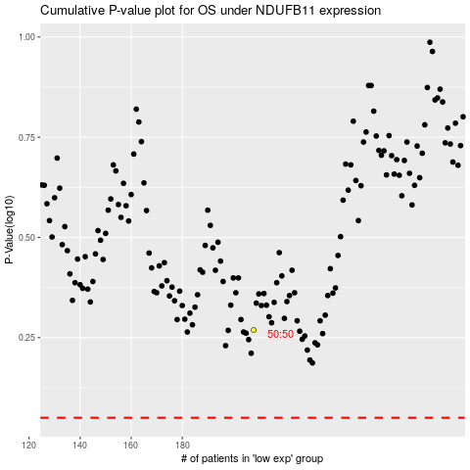

 |  |  |  |  |  | cases_OS | p_OS | rank | exp
 |  |  |  |  |  |  | cases_RFS | p_RFS | rank | exp

