NDUFB2 _multivariate
Reported by Tex Li-Hsing Chi. tex@gate.sinica.edu.tw 2019-08-17

Table 2. The clinicopathological features of HNSCC cohort and NDUFB2 expression. (Chi square test)
Cutoff at -0.294 (50.0%)
 |  | NDUFB2 expression |  | NDUFB2 expression |  | (Optimised)
 | Features | Low | (%) | High | (%) | Case no | P-value | Remark | Matthews
Gender | Female | 153 | 36.9 | 153 | 36.9 | 415 | 1 | 0 | 0
2 | Male | 54 | 13 | 55 | 13.3
Age at diagnosis | <=65y | 135 | 32.5 | 139 | 33.5 | 415 | 0.8084 | 0 | 0
4 | >65y | 72 | 17.3 | 69 | 16.6
Clinical T Status | T1+T2 | 74 | 17.8 | 75 | 18.1 | 415 | 1 | 0 | 0
6 | T3+T4 | 133 | 32 | 133 | 32
Clinical N Status | N0 | 107 | 25.8 | 109 | 26.3 | 415 | 0.9624 | 0 | 0
8 | N1-3 | 100 | 24.1 | 99 | 23.9
Clinical M Status | M0 | 206 | 49.6 | 206 | 49.6 | 415 | 1 | 0 | 0
10 | M1 | 1 | 0.2 | 2 | 0.5
Clinical Stage | Stage I+II | 52 | 12.5 | 50 | 12 | 415 | 0.8871 | 0 | 0
12 | Stage III+IV | 155 | 37.3 | 158 | 38.1
Surgical Margin status | Negative | 164 | 39.5 | 154 | 37.1 | 415 | 0.2462 | 0 | 0
14 | Positive | 43 | 10.4 | 54 | 13
Tobacco Exposure | Low | 82 | 19.8 | 79 | 19 | 415 | 0.763 | 0 | 0
16 | High | 125 | 30.1 | 129 | 31.1

Table 3. Univariate/Multivariate Cox's proportional hazards regression analyses on OS time of NDUFB2 gene expression in HNSCC

 |  | Univariate |  |  |  | Multivariate
 | Features | HR | CI95%(L) | CI95%(H) | P-value | HR | CI95%(L) | CI95%(H) | P-value
1 | Female | 1 |  |  |  | 1
Gender | Male | 1.157 | 0.843 | 1.587 | 0.367 | 1.211 | 0.866 | 1.694 | 0.262
11 | <=65y | 1 |  |  |  | 1
Age at diagnosis | >65y | 1.329 | 0.99 | 1.784 | 0.058 | 1.388 | 1.021 | 1.887 | 0.036
12 | T1+T2 | 1 |  |  |  | 1
Clinical T Status | T3+T4 | 1.409 | 1.028 | 1.931 | 0.033 | 2.196 | 1.161 | 4.154 | 0.016
13 | N0 | 1 |  |  |  | 1
Clinical N Status | N1-3 | 1.185 | 0.89 | 1.577 | 0.246 | 1.233 | 0.864 | 1.761 | 0.249
14 | M0 | 1 |  |  |  | 1
Clinical M Status | M1 | 4.097 | 1.009 | 16.644 | 0.049 | 9.645 | 2.097 | 44.355 | 0.004
15 | Stage I+II | 1 |  |  |  | 1
Clinical Stage | Stage III+IV | 1.245 | 0.882 | 1.759 | 0.213 | 0.507 | 0.236 | 1.089 | 0.082
16 | Negative | 1 |  |  |  | 1
Surgical Margin status | Positive | 1.591 | 1.155 | 2.191 | 0.004 | 1.69 | 1.219 | 2.342 | 0.002
17 | Low | 1 |  |  |  | 1
Tobacco Exposure | High | 1.364 | 1.008 | 1.844 | 0.044 | 1.458 | 1.058 | 2.009 | 0.021
18 | Low | 1 |  |  |  | 1
RNAseq(z-score) | High | 0.99 | 0.743 | 1.318 | 0.943 | 0.927 | 0.693 | 1.241 | 0.612

Table 4. Univariate/Multivariate Cox's proportional hazards regression analyses on RFS time of NDUFB2 gene expression in HNSCC

 |  | Univariate |  |  |  | Multivariate
 | Features | HR | CI95%(L) | CI95%(H) | P-value | HR | CI95%(L) | CI95%(H) | P-value
1 | Female | 1 |  |  |  | 1
Gender | Male | 1.157 | 0.843 | 1.587 | 0.367 | 1.211 | 0.866 | 1.694 | 0.262
11 | <=65y | 1 |  |  |  | 1
Age at diagnosis | >65y | 1.329 | 0.99 | 1.784 | 0.058 | 1.388 | 1.021 | 1.887 | 0.036
12 | T1+T2 | 1 |  |  |  | 1
Clinical T Status | T3+T4 | 1.409 | 1.028 | 1.931 | 0.033 | 2.196 | 1.161 | 4.154 | 0.016
13 | N0 | 1 |  |  |  | 1
Clinical N Status | N1-3 | 1.185 | 0.89 | 1.577 | 0.246 | 1.233 | 0.864 | 1.761 | 0.249
14 | M0 | 1 |  |  |  | 1
Clinical M Status | M1 | 4.097 | 1.009 | 16.644 | 0.049 | 9.645 | 2.097 | 44.355 | 0.004
15 | Stage I+II | 1 |  |  |  | 1
Clinical Stage | Stage III+IV | 1.245 | 0.882 | 1.759 | 0.213 | 0.507 | 0.236 | 1.089 | 0.082
16 | Negative | 1 |  |  |  | 1
Surgical Margin status | Positive | 1.591 | 1.155 | 2.191 | 0.004 | 1.69 | 1.219 | 2.342 | 0.002
17 | Low | 1 |  |  |  | 1
Tobacco Exposure | High | 1.364 | 1.008 | 1.844 | 0.044 | 1.458 | 1.058 | 2.009 | 0.021
18 | Low | 1 |  |  |  | 1
RNAseq(z-score) | High | 0.99 | 0.743 | 1.318 | 0.943 | 0.927 | 0.693 | 1.241 | 0.612

Kaplan-Meier survival estimate: Cutoff at -0.294 (50.0%)

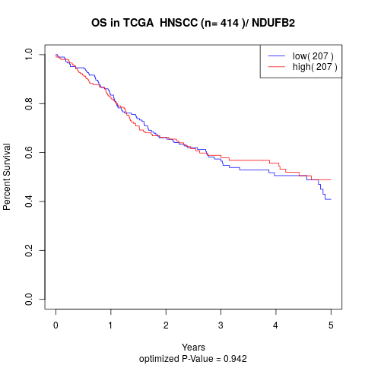

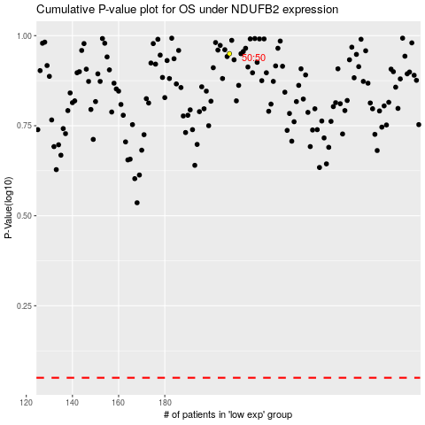

 |  |  |  |  |  | cases_OS | p_OS | rank | exp
 |  |  |  |  |  |  | cases_RFS | p_RFS | rank | exp

