NDUFB3 _multivariate
Reported by Tex Li-Hsing Chi. tex@gate.sinica.edu.tw 2019-08-17

Table 2. The clinicopathological features of HNSCC cohort and NDUFB3 expression. (Chi square test)
Cutoff at -0.189 (58.5%)
 |  | NDUFB3 expression |  | NDUFB3 expression |  | (Optimised)
 | Features | Low | (%) | High | (%) | Case no | P-value | Remark | Matthews
Gender | Female | 177 | 42.7 | 129 | 31.1 | 415 | 0.8318 | 0 | 0
2 | Male | 65 | 15.7 | 44 | 10.6
Age at diagnosis | <=65y | 159 | 38.3 | 115 | 27.7 | 415 | 0.9533 | 0 | 0
4 | >65y | 83 | 20 | 58 | 14
Clinical T Status | T1+T2 | 84 | 20.2 | 65 | 15.7 | 415 | 0.6204 | 0 | 0
6 | T3+T4 | 158 | 38.1 | 108 | 26
Clinical N Status | N0 | 128 | 30.8 | 88 | 21.2 | 415 | 0.7584 | 0 | 0
8 | N1-3 | 114 | 27.5 | 85 | 20.5
Clinical M Status | M0 | 241 | 58.1 | 171 | 41.2 | 415 | 0.5734 | 0 | 0
10 | M1 | 1 | 0.2 | 2 | 0.5
Clinical Stage | Stage I+II | 59 | 14.2 | 43 | 10.4 | 415 | 1 | 0 | 0
12 | Stage III+IV | 183 | 44.1 | 130 | 31.3
Surgical Margin status | Negative | 189 | 45.5 | 129 | 31.1 | 415 | 0.4124 | 0 | 0
14 | Positive | 53 | 12.8 | 44 | 10.6
Tobacco Exposure | Low | 92 | 22.2 | 69 | 16.6 | 415 | 0.7593 | 0 | 0
16 | High | 150 | 36.1 | 104 | 25.1

Table 3. Univariate/Multivariate Cox's proportional hazards regression analyses on OS time of NDUFB3 gene expression in HNSCC

 |  | Univariate |  |  |  | Multivariate
 | Features | HR | CI95%(L) | CI95%(H) | P-value | HR | CI95%(L) | CI95%(H) | P-value
1 | Female | 1 |  |  |  | 1
Gender | Male | 1.157 | 0.843 | 1.587 | 0.367 | 1.177 | 0.842 | 1.646 | 0.339
11 | <=65y | 1 |  |  |  | 1
Age at diagnosis | >65y | 1.329 | 0.99 | 1.784 | 0.058 | 1.392 | 1.024 | 1.891 | 0.035
12 | T1+T2 | 1 |  |  |  | 1
Clinical T Status | T3+T4 | 1.409 | 1.028 | 1.931 | 0.033 | 2.236 | 1.183 | 4.227 | 0.013
13 | N0 | 1 |  |  |  | 1
Clinical N Status | N1-3 | 1.185 | 0.89 | 1.577 | 0.246 | 1.231 | 0.863 | 1.756 | 0.251
14 | M0 | 1 |  |  |  | 1
Clinical M Status | M1 | 4.097 | 1.009 | 16.644 | 0.049 | 8.504 | 1.849 | 39.117 | 0.006
15 | Stage I+II | 1 |  |  |  | 1
Clinical Stage | Stage III+IV | 1.245 | 0.882 | 1.759 | 0.213 | 0.508 | 0.237 | 1.09 | 0.082
16 | Negative | 1 |  |  |  | 1
Surgical Margin status | Positive | 1.591 | 1.155 | 2.191 | 0.004 | 1.622 | 1.172 | 2.244 | 0.003
17 | Low | 1 |  |  |  | 1
Tobacco Exposure | High | 1.364 | 1.008 | 1.844 | 0.044 | 1.449 | 1.052 | 1.995 | 0.023
18 | Low | 1 |  |  |  | 1
RNAseq(z-score) | High | 1.356 | 1.017 | 1.807 | 0.038 | 1.32 | 0.986 | 1.767 | 0.062

Table 4. Univariate/Multivariate Cox's proportional hazards regression analyses on RFS time of NDUFB3 gene expression in HNSCC

 |  | Univariate |  |  |  | Multivariate
 | Features | HR | CI95%(L) | CI95%(H) | P-value | HR | CI95%(L) | CI95%(H) | P-value
1 | Female | 1 |  |  |  | 1
Gender | Male | 1.157 | 0.843 | 1.587 | 0.367 | 1.177 | 0.842 | 1.646 | 0.339
11 | <=65y | 1 |  |  |  | 1
Age at diagnosis | >65y | 1.329 | 0.99 | 1.784 | 0.058 | 1.392 | 1.024 | 1.891 | 0.035
12 | T1+T2 | 1 |  |  |  | 1
Clinical T Status | T3+T4 | 1.409 | 1.028 | 1.931 | 0.033 | 2.236 | 1.183 | 4.227 | 0.013
13 | N0 | 1 |  |  |  | 1
Clinical N Status | N1-3 | 1.185 | 0.89 | 1.577 | 0.246 | 1.231 | 0.863 | 1.756 | 0.251
14 | M0 | 1 |  |  |  | 1
Clinical M Status | M1 | 4.097 | 1.009 | 16.644 | 0.049 | 8.504 | 1.849 | 39.117 | 0.006
15 | Stage I+II | 1 |  |  |  | 1
Clinical Stage | Stage III+IV | 1.245 | 0.882 | 1.759 | 0.213 | 0.508 | 0.237 | 1.09 | 0.082
16 | Negative | 1 |  |  |  | 1
Surgical Margin status | Positive | 1.591 | 1.155 | 2.191 | 0.004 | 1.622 | 1.172 | 2.244 | 0.003
17 | Low | 1 |  |  |  | 1
Tobacco Exposure | High | 1.364 | 1.008 | 1.844 | 0.044 | 1.449 | 1.052 | 1.995 | 0.023
18 | Low | 1 |  |  |  | 1
RNAseq(z-score) | High | 1.356 | 1.017 | 1.807 | 0.038 | 1.32 | 0.986 | 1.767 | 0.062

Kaplan-Meier survival estimate: Cutoff at -0.189 (58.5%)



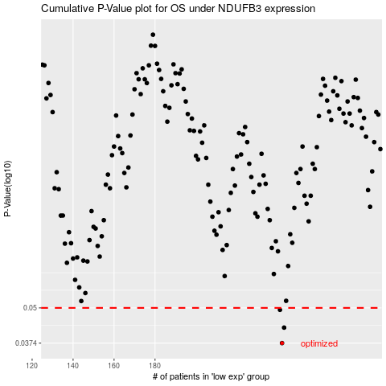

 |  |  |  |  |  | cases_OS | p_OS | rank | exp
 |  |  |  |  |  | 242 | 0.0374 | 275 | -0.18896880412
 |  |  |  |  |  | 243 | 0.0425 | 260 | -0.18596618607
 |  |  |  |  |  | 241 | 0.0492 | 122 | -0.19001751169
 |  |  |  |  |  |  | cases_RFS | p_RFS | rank | exp
 |  |  |  |  |  |  | 241 | 0.0374 | 122 | -0.19001751169
 |  |  |  |  |  |  | 242 | 0.0425 | 275 | -0.18896880412
 |  |  |  |  |  |  | 240 | 0.0492 | 177 | -0.19974110174

