NDUFB4 _multivariate
Reported by Tex Li-Hsing Chi. tex@gate.sinica.edu.tw 2019-08-17

Table 2. The clinicopathological features of HNSCC cohort and NDUFB4 expression. (Chi square test)
Cutoff at -0.408 (45.9%)
 |  | NDUFB4 expression |  | NDUFB4 expression |  | (Optimised)
 | Features | Low | (%) | High | (%) | Case no | P-value | Remark | Matthews
Gender | Female | 127 | 30.6 | 179 | 43.1 | 415 | 0.0028 | 1 | 0
2 | Male | 64 | 15.4 | 45 | 10.8
Age at diagnosis | <=65y | 127 | 30.6 | 147 | 35.4 | 415 | 0.9347 | 0 | 0
4 | >65y | 64 | 15.4 | 77 | 18.6
Clinical T Status | T1+T2 | 70 | 16.9 | 79 | 19 | 415 | 0.8495 | 0 | 0
6 | T3+T4 | 121 | 29.2 | 145 | 34.9
Clinical N Status | N0 | 98 | 23.6 | 118 | 28.4 | 415 | 0.8573 | 0 | 0
8 | N1-3 | 93 | 22.4 | 106 | 25.5
Clinical M Status | M0 | 191 | 46 | 221 | 53.3 | 415 | 0.2529 | 0 | 0
10 | M1 | 0 | 0 | 3 | 0.7
Clinical Stage | Stage I+II | 55 | 13.3 | 47 | 11.3 | 415 | 0.0839 | 0 | 0
12 | Stage III+IV | 136 | 32.8 | 177 | 42.7
Surgical Margin status | Negative | 151 | 36.4 | 167 | 40.2 | 415 | 0.2968 | 0 | 0
14 | Positive | 40 | 9.6 | 57 | 13.7
Tobacco Exposure | Low | 78 | 18.8 | 83 | 20 | 415 | 0.4794 | 0 | 0
16 | High | 113 | 27.2 | 141 | 34

Table 3. Univariate/Multivariate Cox's proportional hazards regression analyses on OS time of NDUFB4 gene expression in HNSCC

 |  | Univariate |  |  |  | Multivariate
 | Features | HR | CI95%(L) | CI95%(H) | P-value | HR | CI95%(L) | CI95%(H) | P-value
1 | Female | 1 |  |  |  | 1
Gender | Male | 1.157 | 0.843 | 1.587 | 0.367 | 1.16 | 0.829 | 1.625 | 0.386
11 | <=65y | 1 |  |  |  | 1
Age at diagnosis | >65y | 1.329 | 0.99 | 1.784 | 0.058 | 1.42 | 1.044 | 1.933 | 0.026
12 | T1+T2 | 1 |  |  |  | 1
Clinical T Status | T3+T4 | 1.409 | 1.028 | 1.931 | 0.033 | 2.084 | 1.1 | 3.946 | 0.024
13 | N0 | 1 |  |  |  | 1
Clinical N Status | N1-3 | 1.185 | 0.89 | 1.577 | 0.246 | 1.21 | 0.847 | 1.728 | 0.296
14 | M0 | 1 |  |  |  | 1
Clinical M Status | M1 | 4.097 | 1.009 | 16.644 | 0.049 | 10.54 | 2.291 | 48.482 | 0.002
15 | Stage I+II | 1 |  |  |  | 1
Clinical Stage | Stage III+IV | 1.245 | 0.882 | 1.759 | 0.213 | 0.571 | 0.264 | 1.237 | 0.155
16 | Negative | 1 |  |  |  | 1
Surgical Margin status | Positive | 1.591 | 1.155 | 2.191 | 0.004 | 1.682 | 1.218 | 2.322 | 0.002
17 | Low | 1 |  |  |  | 1
Tobacco Exposure | High | 1.364 | 1.008 | 1.844 | 0.044 | 1.486 | 1.078 | 2.05 | 0.016
18 | Low | 1 |  |  |  | 1
RNAseq(z-score) | High | 0.741 | 0.556 | 0.989 | 0.042 | 0.706 | 0.525 | 0.951 | 0.022

Table 4. Univariate/Multivariate Cox's proportional hazards regression analyses on RFS time of NDUFB4 gene expression in HNSCC

 |  | Univariate |  |  |  | Multivariate
 | Features | HR | CI95%(L) | CI95%(H) | P-value | HR | CI95%(L) | CI95%(H) | P-value
1 | Female | 1 |  |  |  | 1
Gender | Male | 1.157 | 0.843 | 1.587 | 0.367 | 1.16 | 0.829 | 1.625 | 0.386
11 | <=65y | 1 |  |  |  | 1
Age at diagnosis | >65y | 1.329 | 0.99 | 1.784 | 0.058 | 1.42 | 1.044 | 1.933 | 0.026
12 | T1+T2 | 1 |  |  |  | 1
Clinical T Status | T3+T4 | 1.409 | 1.028 | 1.931 | 0.033 | 2.084 | 1.1 | 3.946 | 0.024
13 | N0 | 1 |  |  |  | 1
Clinical N Status | N1-3 | 1.185 | 0.89 | 1.577 | 0.246 | 1.21 | 0.847 | 1.728 | 0.296
14 | M0 | 1 |  |  |  | 1
Clinical M Status | M1 | 4.097 | 1.009 | 16.644 | 0.049 | 10.54 | 2.291 | 48.482 | 0.002
15 | Stage I+II | 1 |  |  |  | 1
Clinical Stage | Stage III+IV | 1.245 | 0.882 | 1.759 | 0.213 | 0.571 | 0.264 | 1.237 | 0.155
16 | Negative | 1 |  |  |  | 1
Surgical Margin status | Positive | 1.591 | 1.155 | 2.191 | 0.004 | 1.682 | 1.218 | 2.322 | 0.002
17 | Low | 1 |  |  |  | 1
Tobacco Exposure | High | 1.364 | 1.008 | 1.844 | 0.044 | 1.486 | 1.078 | 2.05 | 0.016
18 | Low | 1 |  |  |  | 1
RNAseq(z-score) | High | 0.741 | 0.556 | 0.989 | 0.042 | 0.706 | 0.525 | 0.951 | 0.022

Kaplan-Meier survival estimate: Cutoff at -0.408 (45.9%)



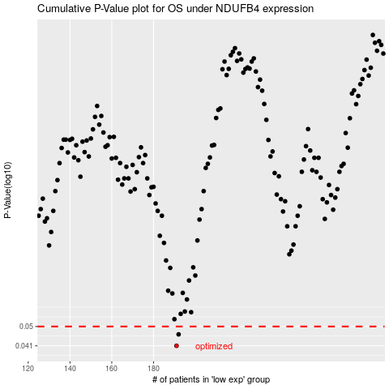

 |  |  |  |  |  | cases_OS | p_OS | rank | exp
 |  |  |  |  |  | 191 | 0.041 | 386 | -0.40755522711
 |  |  |  |  |  | 192 | 0.0461 | 126 | -0.40027634128
 |  |  |  |  |  |  | cases_RFS | p_RFS | rank | exp
 |  |  |  |  |  |  | 190 | 0.041 | 52 | -0.41115837198
 |  |  |  |  |  |  | 191 | 0.0461 | 386 | -0.40755522711

