NDUFB6 _multivariate
Reported by Tex Li-Hsing Chi. tex@gate.sinica.edu.tw 2019-08-17

Table 2. The clinicopathological features of HNSCC cohort and NDUFB6 expression. (Chi square test)
Cutoff at -0.294 (50.0%)
 |  | NDUFB6 expression |  | NDUFB6 expression |  | (Optimised)
 | Features | Low | (%) | High | (%) | Case no | P-value | Remark | Matthews
Gender | Female | 156 | 37.6 | 150 | 36.1 | 415 | 0.5222 | 0 | 0
2 | Male | 51 | 12.3 | 58 | 14
Age at diagnosis | <=65y | 141 | 34 | 133 | 32 | 415 | 0.4272 | 0 | 0
4 | >65y | 66 | 15.9 | 75 | 18.1
Clinical T Status | T1+T2 | 63 | 15.2 | 86 | 20.7 | 415 | 0.0268 | 1 | 0
6 | T3+T4 | 144 | 34.7 | 122 | 29.4
Clinical N Status | N0 | 113 | 27.2 | 103 | 24.8 | 415 | 0.3495 | 1 | 0
8 | N1-3 | 94 | 22.7 | 105 | 25.3
Clinical M Status | M0 | 207 | 49.9 | 205 | 49.4 | 415 | 0.2482 | 0 | 0
10 | M1 | 0 | 0 | 3 | 0.7
Clinical Stage | Stage I+II | 42 | 10.1 | 60 | 14.5 | 415 | 0.0561 | 0 | 0
12 | Stage III+IV | 165 | 39.8 | 148 | 35.7
Surgical Margin status | Negative | 167 | 40.2 | 151 | 36.4 | 415 | 0.0632 | 0 | 0
14 | Positive | 40 | 9.6 | 57 | 13.7
Tobacco Exposure | Low | 78 | 18.8 | 83 | 20 | 415 | 0.6873 | 0 | 0
16 | High | 129 | 31.1 | 125 | 30.1

Table 3. Univariate/Multivariate Cox's proportional hazards regression analyses on OS time of NDUFB6 gene expression in HNSCC

 |  | Univariate |  |  |  | Multivariate
 | Features | HR | CI95%(L) | CI95%(H) | P-value | HR | CI95%(L) | CI95%(H) | P-value
1 | Female | 1 |  |  |  | 1
Gender | Male | 1.157 | 0.843 | 1.587 | 0.367 | 1.196 | 0.855 | 1.672 | 0.295
11 | <=65y | 1 |  |  |  | 1
Age at diagnosis | >65y | 1.329 | 0.99 | 1.784 | 0.058 | 1.383 | 1.017 | 1.88 | 0.039
12 | T1+T2 | 1 |  |  |  | 1
Clinical T Status | T3+T4 | 1.409 | 1.028 | 1.931 | 0.033 | 2.196 | 1.161 | 4.154 | 0.016
13 | N0 | 1 |  |  |  | 1
Clinical N Status | N1-3 | 1.185 | 0.89 | 1.577 | 0.246 | 1.194 | 0.83 | 1.718 | 0.34
14 | M0 | 1 |  |  |  | 1
Clinical M Status | M1 | 4.097 | 1.009 | 16.644 | 0.049 | 8.785 | 1.905 | 40.524 | 0.005
15 | Stage I+II | 1 |  |  |  | 1
Clinical Stage | Stage III+IV | 1.245 | 0.882 | 1.759 | 0.213 | 0.527 | 0.244 | 1.138 | 0.103
16 | Negative | 1 |  |  |  | 1
Surgical Margin status | Positive | 1.591 | 1.155 | 2.191 | 0.004 | 1.632 | 1.177 | 2.264 | 0.003
17 | Low | 1 |  |  |  | 1
Tobacco Exposure | High | 1.364 | 1.008 | 1.844 | 0.044 | 1.455 | 1.056 | 2.005 | 0.022
18 | Low | 1 |  |  |  | 1
RNAseq(z-score) | High | 1.251 | 0.939 | 1.667 | 0.127 | 1.158 | 0.857 | 1.566 | 0.34

Table 4. Univariate/Multivariate Cox's proportional hazards regression analyses on RFS time of NDUFB6 gene expression in HNSCC

 |  | Univariate |  |  |  | Multivariate
 | Features | HR | CI95%(L) | CI95%(H) | P-value | HR | CI95%(L) | CI95%(H) | P-value
1 | Female | 1 |  |  |  | 1
Gender | Male | 1.157 | 0.843 | 1.587 | 0.367 | 1.196 | 0.855 | 1.672 | 0.295
11 | <=65y | 1 |  |  |  | 1
Age at diagnosis | >65y | 1.329 | 0.99 | 1.784 | 0.058 | 1.383 | 1.017 | 1.88 | 0.039
12 | T1+T2 | 1 |  |  |  | 1
Clinical T Status | T3+T4 | 1.409 | 1.028 | 1.931 | 0.033 | 2.196 | 1.161 | 4.154 | 0.016
13 | N0 | 1 |  |  |  | 1
Clinical N Status | N1-3 | 1.185 | 0.89 | 1.577 | 0.246 | 1.194 | 0.83 | 1.718 | 0.34
14 | M0 | 1 |  |  |  | 1
Clinical M Status | M1 | 4.097 | 1.009 | 16.644 | 0.049 | 8.785 | 1.905 | 40.524 | 0.005
15 | Stage I+II | 1 |  |  |  | 1
Clinical Stage | Stage III+IV | 1.245 | 0.882 | 1.759 | 0.213 | 0.527 | 0.244 | 1.138 | 0.103
16 | Negative | 1 |  |  |  | 1
Surgical Margin status | Positive | 1.591 | 1.155 | 2.191 | 0.004 | 1.632 | 1.177 | 2.264 | 0.003
17 | Low | 1 |  |  |  | 1
Tobacco Exposure | High | 1.364 | 1.008 | 1.844 | 0.044 | 1.455 | 1.056 | 2.005 | 0.022
18 | Low | 1 |  |  |  | 1
RNAseq(z-score) | High | 1.251 | 0.939 | 1.667 | 0.127 | 1.158 | 0.857 | 1.566 | 0.34

Kaplan-Meier survival estimate: Cutoff at -0.294 (50.0%)



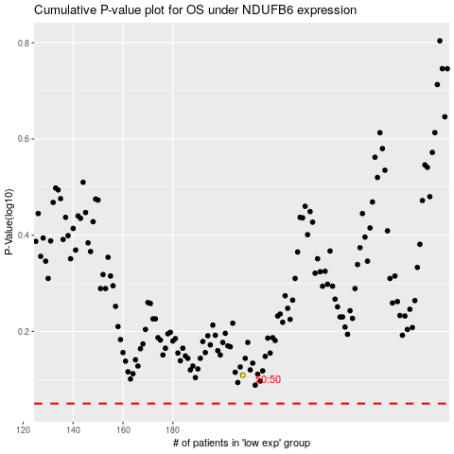

 |  |  |  |  |  | cases_OS | p_OS | rank | exp
 |  |  |  |  |  |  | cases_RFS | p_RFS | rank | exp

