NDUFB8 _multivariate
Reported by Tex Li-Hsing Chi. tex@gate.sinica.edu.tw 2019-08-17

Table 2. The clinicopathological features of HNSCC cohort and NDUFB8 expression. (Chi square test)
Cutoff at -0.277 (52.9%)
 |  | NDUFB8 expression |  | NDUFB8 expression |  | (Optimised)
 | Features | Low | (%) | High | (%) | Case no | P-value | Remark | Matthews
Gender | Female | 155 | 37.3 | 151 | 36.4 | 415 | 0.1815 | 0 | 0
2 | Male | 64 | 15.4 | 45 | 10.8
Age at diagnosis | <=65y | 144 | 34.7 | 130 | 31.3 | 415 | 0.9846 | 0 | 0
4 | >65y | 75 | 18.1 | 66 | 15.9
Clinical T Status | T1+T2 | 82 | 19.8 | 67 | 16.1 | 415 | 0.5562 | 0 | 0
6 | T3+T4 | 137 | 33 | 129 | 31.1
Clinical N Status | N0 | 117 | 28.2 | 99 | 23.9 | 415 | 0.6207 | 0 | 0
8 | N1-3 | 102 | 24.6 | 97 | 23.4
Clinical M Status | M0 | 219 | 52.8 | 193 | 46.5 | 415 | 0.1045 | 0 | 0
10 | M1 | 0 | 0 | 3 | 0.7
Clinical Stage | Stage I+II | 59 | 14.2 | 43 | 10.4 | 415 | 0.2858 | 0 | 0
12 | Stage III+IV | 160 | 38.6 | 153 | 36.9
Surgical Margin status | Negative | 174 | 41.9 | 144 | 34.7 | 415 | 0.1642 | 0 | 0
14 | Positive | 45 | 10.8 | 52 | 12.5
Tobacco Exposure | Low | 88 | 21.2 | 73 | 17.6 | 415 | 0.5468 | 0 | 0
16 | High | 131 | 31.6 | 123 | 29.6

Table 3. Univariate/Multivariate Cox's proportional hazards regression analyses on OS time of NDUFB8 gene expression in HNSCC

 |  | Univariate |  |  |  | Multivariate
 | Features | HR | CI95%(L) | CI95%(H) | P-value | HR | CI95%(L) | CI95%(H) | P-value
1 | Female | 1 |  |  |  | 1
Gender | Male | 1.157 | 0.843 | 1.587 | 0.367 | 1.196 | 0.856 | 1.672 | 0.294
11 | <=65y | 1 |  |  |  | 1
Age at diagnosis | >65y | 1.329 | 0.99 | 1.784 | 0.058 | 1.389 | 1.022 | 1.886 | 0.036
12 | T1+T2 | 1 |  |  |  | 1
Clinical T Status | T3+T4 | 1.409 | 1.028 | 1.931 | 0.033 | 2.186 | 1.156 | 4.132 | 0.016
13 | N0 | 1 |  |  |  | 1
Clinical N Status | N1-3 | 1.185 | 0.89 | 1.577 | 0.246 | 1.234 | 0.866 | 1.759 | 0.245
14 | M0 | 1 |  |  |  | 1
Clinical M Status | M1 | 4.097 | 1.009 | 16.644 | 0.049 | 8.268 | 1.791 | 38.163 | 0.007
15 | Stage I+II | 1 |  |  |  | 1
Clinical Stage | Stage III+IV | 1.245 | 0.882 | 1.759 | 0.213 | 0.505 | 0.236 | 1.084 | 0.08
16 | Negative | 1 |  |  |  | 1
Surgical Margin status | Positive | 1.591 | 1.155 | 2.191 | 0.004 | 1.635 | 1.183 | 2.262 | 0.003
17 | Low | 1 |  |  |  | 1
Tobacco Exposure | High | 1.364 | 1.008 | 1.844 | 0.044 | 1.455 | 1.056 | 2.006 | 0.022
18 | Low | 1 |  |  |  | 1
RNAseq(z-score) | High | 1.342 | 1.008 | 1.788 | 0.044 | 1.273 | 0.954 | 1.7 | 0.101

Table 4. Univariate/Multivariate Cox's proportional hazards regression analyses on RFS time of NDUFB8 gene expression in HNSCC

 |  | Univariate |  |  |  | Multivariate
 | Features | HR | CI95%(L) | CI95%(H) | P-value | HR | CI95%(L) | CI95%(H) | P-value
1 | Female | 1 |  |  |  | 1
Gender | Male | 1.157 | 0.843 | 1.587 | 0.367 | 1.196 | 0.856 | 1.672 | 0.294
11 | <=65y | 1 |  |  |  | 1
Age at diagnosis | >65y | 1.329 | 0.99 | 1.784 | 0.058 | 1.389 | 1.022 | 1.886 | 0.036
12 | T1+T2 | 1 |  |  |  | 1
Clinical T Status | T3+T4 | 1.409 | 1.028 | 1.931 | 0.033 | 2.186 | 1.156 | 4.132 | 0.016
13 | N0 | 1 |  |  |  | 1
Clinical N Status | N1-3 | 1.185 | 0.89 | 1.577 | 0.246 | 1.234 | 0.866 | 1.759 | 0.245
14 | M0 | 1 |  |  |  | 1
Clinical M Status | M1 | 4.097 | 1.009 | 16.644 | 0.049 | 8.268 | 1.791 | 38.163 | 0.007
15 | Stage I+II | 1 |  |  |  | 1
Clinical Stage | Stage III+IV | 1.245 | 0.882 | 1.759 | 0.213 | 0.505 | 0.236 | 1.084 | 0.08
16 | Negative | 1 |  |  |  | 1
Surgical Margin status | Positive | 1.591 | 1.155 | 2.191 | 0.004 | 1.635 | 1.183 | 2.262 | 0.003
17 | Low | 1 |  |  |  | 1
Tobacco Exposure | High | 1.364 | 1.008 | 1.844 | 0.044 | 1.455 | 1.056 | 2.006 | 0.022
18 | Low | 1 |  |  |  | 1
RNAseq(z-score) | High | 1.342 | 1.008 | 1.788 | 0.044 | 1.273 | 0.954 | 1.7 | 0.101

Kaplan-Meier survival estimate: Cutoff at -0.277 (52.9%)



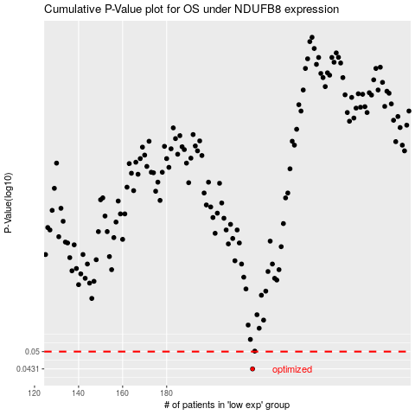

 |  |  |  |  |  | cases_OS | p_OS | rank | exp
 |  |  |  |  |  | 219 | 0.0431 | 273 | -0.27674732021
 |  |  |  |  |  |  | cases_RFS | p_RFS | rank | exp
 |  |  |  |  |  |  | 218 | 0.0431 | 50 | -0.285792617

