NDUFB9 _multivariate
Reported by Tex Li-Hsing Chi. tex@gate.sinica.edu.tw 2019-08-17

Table 2. The clinicopathological features of HNSCC cohort and NDUFB9 expression. (Chi square test)
Cutoff at -0.208 (50.0%)
 |  | NDUFB9 expression |  | NDUFB9 expression |  | (Optimised)
 | Features | Low | (%) | High | (%) | Case no | P-value | Remark | Matthews
Gender | Female | 150 | 36.1 | 156 | 37.6 | 415 | 0.6344 | 0 | 0
2 | Male | 57 | 13.7 | 52 | 12.5
Age at diagnosis | <=65y | 134 | 32.3 | 140 | 33.7 | 415 | 0.6529 | 0 | 0
4 | >65y | 73 | 17.6 | 68 | 16.4
Clinical T Status | T1+T2 | 83 | 20 | 66 | 15.9 | 415 | 0.0941 | 0 | 0
6 | T3+T4 | 124 | 29.9 | 142 | 34.2
Clinical N Status | N0 | 113 | 27.2 | 103 | 24.8 | 415 | 0.3495 | 1 | 0
8 | N1-3 | 94 | 22.7 | 105 | 25.3
Clinical M Status | M0 | 207 | 49.9 | 205 | 49.4 | 415 | 0.2482 | 0 | 0
10 | M1 | 0 | 0 | 3 | 0.7
Clinical Stage | Stage I+II | 58 | 14 | 44 | 10.6 | 415 | 0.131 | 0 | 0
12 | Stage III+IV | 149 | 35.9 | 164 | 39.5
Surgical Margin status | Negative | 158 | 38.1 | 160 | 38.6 | 415 | 0.9081 | 0 | 0
14 | Positive | 49 | 11.8 | 48 | 11.6
Tobacco Exposure | Low | 91 | 21.9 | 70 | 16.9 | 415 | 0.0346 | 1 | 0
16 | High | 116 | 28 | 138 | 33.3

Table 3. Univariate/Multivariate Cox's proportional hazards regression analyses on OS time of NDUFB9 gene expression in HNSCC

 |  | Univariate |  |  |  | Multivariate
 | Features | HR | CI95%(L) | CI95%(H) | P-value | HR | CI95%(L) | CI95%(H) | P-value
1 | Female | 1 |  |  |  | 1
Gender | Male | 1.157 | 0.843 | 1.587 | 0.367 | 1.206 | 0.863 | 1.687 | 0.272
11 | <=65y | 1 |  |  |  | 1
Age at diagnosis | >65y | 1.329 | 0.99 | 1.784 | 0.058 | 1.391 | 1.023 | 1.891 | 0.035
12 | T1+T2 | 1 |  |  |  | 1
Clinical T Status | T3+T4 | 1.409 | 1.028 | 1.931 | 0.033 | 2.223 | 1.171 | 4.219 | 0.015
13 | N0 | 1 |  |  |  | 1
Clinical N Status | N1-3 | 1.185 | 0.89 | 1.577 | 0.246 | 1.245 | 0.872 | 1.777 | 0.228
14 | M0 | 1 |  |  |  | 1
Clinical M Status | M1 | 4.097 | 1.009 | 16.644 | 0.049 | 9.68 | 2.081 | 45.019 | 0.004
15 | Stage I+II | 1 |  |  |  | 1
Clinical Stage | Stage III+IV | 1.245 | 0.882 | 1.759 | 0.213 | 0.501 | 0.233 | 1.077 | 0.077
16 | Negative | 1 |  |  |  | 1
Surgical Margin status | Positive | 1.591 | 1.155 | 2.191 | 0.004 | 1.673 | 1.21 | 2.311 | 0.002
17 | Low | 1 |  |  |  | 1
Tobacco Exposure | High | 1.364 | 1.008 | 1.844 | 0.044 | 1.461 | 1.058 | 2.019 | 0.021
18 | Low | 1 |  |  |  | 1
RNAseq(z-score) | High | 1.086 | 0.815 | 1.447 | 0.572 | 0.96 | 0.715 | 1.289 | 0.787

Table 4. Univariate/Multivariate Cox's proportional hazards regression analyses on RFS time of NDUFB9 gene expression in HNSCC

 |  | Univariate |  |  |  | Multivariate
 | Features | HR | CI95%(L) | CI95%(H) | P-value | HR | CI95%(L) | CI95%(H) | P-value
1 | Female | 1 |  |  |  | 1
Gender | Male | 1.157 | 0.843 | 1.587 | 0.367 | 1.206 | 0.863 | 1.687 | 0.272
11 | <=65y | 1 |  |  |  | 1
Age at diagnosis | >65y | 1.329 | 0.99 | 1.784 | 0.058 | 1.391 | 1.023 | 1.891 | 0.035
12 | T1+T2 | 1 |  |  |  | 1
Clinical T Status | T3+T4 | 1.409 | 1.028 | 1.931 | 0.033 | 2.223 | 1.171 | 4.219 | 0.015
13 | N0 | 1 |  |  |  | 1
Clinical N Status | N1-3 | 1.185 | 0.89 | 1.577 | 0.246 | 1.245 | 0.872 | 1.777 | 0.228
14 | M0 | 1 |  |  |  | 1
Clinical M Status | M1 | 4.097 | 1.009 | 16.644 | 0.049 | 9.68 | 2.081 | 45.019 | 0.004
15 | Stage I+II | 1 |  |  |  | 1
Clinical Stage | Stage III+IV | 1.245 | 0.882 | 1.759 | 0.213 | 0.501 | 0.233 | 1.077 | 0.077
16 | Negative | 1 |  |  |  | 1
Surgical Margin status | Positive | 1.591 | 1.155 | 2.191 | 0.004 | 1.673 | 1.21 | 2.311 | 0.002
17 | Low | 1 |  |  |  | 1
Tobacco Exposure | High | 1.364 | 1.008 | 1.844 | 0.044 | 1.461 | 1.058 | 2.019 | 0.021
18 | Low | 1 |  |  |  | 1
RNAseq(z-score) | High | 1.086 | 0.815 | 1.447 | 0.572 | 0.96 | 0.715 | 1.289 | 0.787

Kaplan-Meier survival estimate: Cutoff at -0.208 (50.0%)



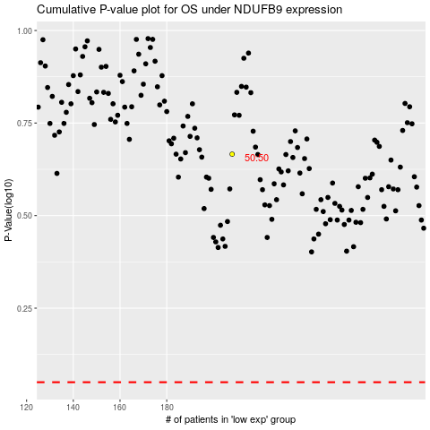

 |  |  |  |  |  | cases_OS | p_OS | rank | exp
 |  |  |  |  |  |  | cases_RFS | p_RFS | rank | exp

