NDUFC1 _multivariate
Reported by Tex Li-Hsing Chi. tex@gate.sinica.edu.tw 2019-08-17

Table 2. The clinicopathological features of HNSCC cohort and NDUFC1 expression. (Chi square test)
Cutoff at -0.305 (49.8%)
 |  | NDUFC1 expression |  | NDUFC1 expression |  | (Optimised)
 | Features | Low | (%) | High | (%) | Case no | P-value | Remark | Matthews
Gender | Female | 156 | 37.6 | 150 | 36.1 | 415 | 0.5222 | 0 | 0
2 | Male | 51 | 12.3 | 58 | 14
Age at diagnosis | <=65y | 136 | 32.8 | 138 | 33.3 | 415 | 0.9719 | 0 | 0
4 | >65y | 71 | 17.1 | 70 | 16.9
Clinical T Status | T1+T2 | 74 | 17.8 | 75 | 18.1 | 415 | 1 | 0 | 0
6 | T3+T4 | 133 | 32 | 133 | 32
Clinical N Status | N0 | 103 | 24.8 | 113 | 27.2 | 415 | 0.4047 | 0 | 0
8 | N1-3 | 104 | 25.1 | 95 | 22.9
Clinical M Status | M0 | 206 | 49.6 | 206 | 49.6 | 415 | 1 | 0 | 0
10 | M1 | 1 | 0.2 | 2 | 0.5
Clinical Stage | Stage I+II | 52 | 12.5 | 50 | 12 | 415 | 0.8871 | 0 | 0
12 | Stage III+IV | 155 | 37.3 | 158 | 38.1
Surgical Margin status | Negative | 168 | 40.5 | 150 | 36.1 | 415 | 0.0366 | 1 | 0
14 | Positive | 39 | 9.4 | 58 | 14
Tobacco Exposure | Low | 70 | 16.9 | 91 | 21.9 | 415 | 0.0439 | 1 | 0
16 | High | 137 | 33 | 117 | 28.2

Table 3. Univariate/Multivariate Cox's proportional hazards regression analyses on OS time of NDUFC1 gene expression in HNSCC

 |  | Univariate |  |  |  | Multivariate
 | Features | HR | CI95%(L) | CI95%(H) | P-value | HR | CI95%(L) | CI95%(H) | P-value
1 | Female | 1 |  |  |  | 1
Gender | Male | 1.157 | 0.843 | 1.587 | 0.367 | 1.208 | 0.863 | 1.691 | 0.271
11 | <=65y | 1 |  |  |  | 1
Age at diagnosis | >65y | 1.329 | 0.99 | 1.784 | 0.058 | 1.388 | 1.021 | 1.888 | 0.037
12 | T1+T2 | 1 |  |  |  | 1
Clinical T Status | T3+T4 | 1.409 | 1.028 | 1.931 | 0.033 | 2.2 | 1.164 | 4.16 | 0.015
13 | N0 | 1 |  |  |  | 1
Clinical N Status | N1-3 | 1.185 | 0.89 | 1.577 | 0.246 | 1.236 | 0.865 | 1.766 | 0.244
14 | M0 | 1 |  |  |  | 1
Clinical M Status | M1 | 4.097 | 1.009 | 16.644 | 0.049 | 9.548 | 2.075 | 43.931 | 0.004
15 | Stage I+II | 1 |  |  |  | 1
Clinical Stage | Stage III+IV | 1.245 | 0.882 | 1.759 | 0.213 | 0.505 | 0.235 | 1.085 | 0.08
16 | Negative | 1 |  |  |  | 1
Surgical Margin status | Positive | 1.591 | 1.155 | 2.191 | 0.004 | 1.683 | 1.213 | 2.336 | 0.002
17 | Low | 1 |  |  |  | 1
Tobacco Exposure | High | 1.364 | 1.008 | 1.844 | 0.044 | 1.453 | 1.055 | 2.002 | 0.022
18 | Low | 1 |  |  |  | 1
RNAseq(z-score) | High | 1.019 | 0.765 | 1.358 | 0.898 | 0.96 | 0.715 | 1.289 | 0.785

Table 4. Univariate/Multivariate Cox's proportional hazards regression analyses on RFS time of NDUFC1 gene expression in HNSCC

 |  | Univariate |  |  |  | Multivariate
 | Features | HR | CI95%(L) | CI95%(H) | P-value | HR | CI95%(L) | CI95%(H) | P-value
1 | Female | 1 |  |  |  | 1
Gender | Male | 1.157 | 0.843 | 1.587 | 0.367 | 1.208 | 0.863 | 1.691 | 0.271
11 | <=65y | 1 |  |  |  | 1
Age at diagnosis | >65y | 1.329 | 0.99 | 1.784 | 0.058 | 1.388 | 1.021 | 1.888 | 0.037
12 | T1+T2 | 1 |  |  |  | 1
Clinical T Status | T3+T4 | 1.409 | 1.028 | 1.931 | 0.033 | 2.2 | 1.164 | 4.16 | 0.015
13 | N0 | 1 |  |  |  | 1
Clinical N Status | N1-3 | 1.185 | 0.89 | 1.577 | 0.246 | 1.236 | 0.865 | 1.766 | 0.244
14 | M0 | 1 |  |  |  | 1
Clinical M Status | M1 | 4.097 | 1.009 | 16.644 | 0.049 | 9.548 | 2.075 | 43.931 | 0.004
15 | Stage I+II | 1 |  |  |  | 1
Clinical Stage | Stage III+IV | 1.245 | 0.882 | 1.759 | 0.213 | 0.505 | 0.235 | 1.085 | 0.08
16 | Negative | 1 |  |  |  | 1
Surgical Margin status | Positive | 1.591 | 1.155 | 2.191 | 0.004 | 1.683 | 1.213 | 2.336 | 0.002
17 | Low | 1 |  |  |  | 1
Tobacco Exposure | High | 1.364 | 1.008 | 1.844 | 0.044 | 1.453 | 1.055 | 2.002 | 0.022
18 | Low | 1 |  |  |  | 1
RNAseq(z-score) | High | 1.019 | 0.765 | 1.358 | 0.898 | 0.96 | 0.715 | 1.289 | 0.785

Kaplan-Meier survival estimate: Cutoff at -0.305 (49.8%)



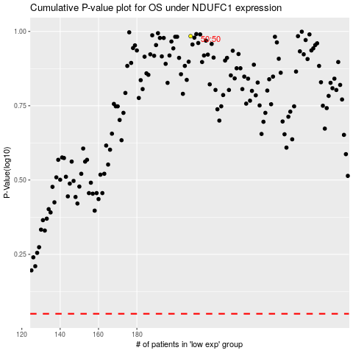

 |  |  |  |  |  | cases_OS | p_OS | rank | exp
 |  |  |  |  |  |  | cases_RFS | p_RFS | rank | exp

