NDUFC2 _multivariate
Reported by Tex Li-Hsing Chi. tex@gate.sinica.edu.tw 2019-08-17

Table 2. The clinicopathological features of HNSCC cohort and NDUFC2 expression. (Chi square test)
Cutoff at -0.211 (54.1%)
 |  | NDUFC2 expression |  | NDUFC2 expression |  | (Optimised)
 | Features | Low | (%) | High | (%) | Case no | P-value | Remark | Matthews
Gender | Female | 168 | 40.5 | 138 | 33.3 | 415 | 0.7208 | 0 | 0
2 | Male | 57 | 13.7 | 52 | 12.5
Age at diagnosis | <=65y | 152 | 36.6 | 122 | 29.4 | 415 | 0.54 | 0 | 0
4 | >65y | 73 | 17.6 | 68 | 16.4
Clinical T Status | T1+T2 | 78 | 18.8 | 71 | 17.1 | 415 | 0.6391 | 0 | 0
6 | T3+T4 | 147 | 35.4 | 119 | 28.7
Clinical N Status | N0 | 110 | 26.5 | 106 | 25.5 | 415 | 0.1925 | 0 | 0
8 | N1-3 | 115 | 27.7 | 84 | 20.2
Clinical M Status | M0 | 223 | 53.7 | 189 | 45.5 | 415 | 1 | 0 | 0
10 | M1 | 2 | 0.5 | 1 | 0.2
Clinical Stage | Stage I+II | 52 | 12.5 | 50 | 12 | 415 | 0.5215 | 0 | 0
12 | Stage III+IV | 173 | 41.7 | 140 | 33.7
Surgical Margin status | Negative | 181 | 43.6 | 137 | 33 | 415 | 0.0485 | 1 | 0
14 | Positive | 44 | 10.6 | 53 | 12.8
Tobacco Exposure | Low | 77 | 18.6 | 84 | 20.2 | 415 | 0.0432 | 1 | 0
16 | High | 148 | 35.7 | 106 | 25.5

Table 3. Univariate/Multivariate Cox's proportional hazards regression analyses on OS time of NDUFC2 gene expression in HNSCC

 |  | Univariate |  |  |  | Multivariate
 | Features | HR | CI95%(L) | CI95%(H) | P-value | HR | CI95%(L) | CI95%(H) | P-value
1 | Female | 1 |  |  |  | 1
Gender | Male | 1.157 | 0.843 | 1.587 | 0.367 | 1.168 | 0.833 | 1.637 | 0.367
11 | <=65y | 1 |  |  |  | 1
Age at diagnosis | >65y | 1.329 | 0.99 | 1.784 | 0.058 | 1.415 | 1.041 | 1.923 | 0.026
12 | T1+T2 | 1 |  |  |  | 1
Clinical T Status | T3+T4 | 1.409 | 1.028 | 1.931 | 0.033 | 2.231 | 1.18 | 4.217 | 0.014
13 | N0 | 1 |  |  |  | 1
Clinical N Status | N1-3 | 1.185 | 0.89 | 1.577 | 0.246 | 1.264 | 0.885 | 1.805 | 0.198
14 | M0 | 1 |  |  |  | 1
Clinical M Status | M1 | 4.097 | 1.009 | 16.644 | 0.049 | 9.481 | 2.068 | 43.473 | 0.004
15 | Stage I+II | 1 |  |  |  | 1
Clinical Stage | Stage III+IV | 1.245 | 0.882 | 1.759 | 0.213 | 0.498 | 0.232 | 1.07 | 0.074
16 | Negative | 1 |  |  |  | 1
Surgical Margin status | Positive | 1.591 | 1.155 | 2.191 | 0.004 | 1.605 | 1.159 | 2.223 | 0.004
17 | Low | 1 |  |  |  | 1
Tobacco Exposure | High | 1.364 | 1.008 | 1.844 | 0.044 | 1.473 | 1.068 | 2.033 | 0.018
18 | Low | 1 |  |  |  | 1
RNAseq(z-score) | High | 1.342 | 1.007 | 1.789 | 0.045 | 1.337 | 0.997 | 1.793 | 0.052

Table 4. Univariate/Multivariate Cox's proportional hazards regression analyses on RFS time of NDUFC2 gene expression in HNSCC

 |  | Univariate |  |  |  | Multivariate
 | Features | HR | CI95%(L) | CI95%(H) | P-value | HR | CI95%(L) | CI95%(H) | P-value
1 | Female | 1 |  |  |  | 1
Gender | Male | 1.157 | 0.843 | 1.587 | 0.367 | 1.168 | 0.833 | 1.637 | 0.367
11 | <=65y | 1 |  |  |  | 1
Age at diagnosis | >65y | 1.329 | 0.99 | 1.784 | 0.058 | 1.415 | 1.041 | 1.923 | 0.026
12 | T1+T2 | 1 |  |  |  | 1
Clinical T Status | T3+T4 | 1.409 | 1.028 | 1.931 | 0.033 | 2.231 | 1.18 | 4.217 | 0.014
13 | N0 | 1 |  |  |  | 1
Clinical N Status | N1-3 | 1.185 | 0.89 | 1.577 | 0.246 | 1.264 | 0.885 | 1.805 | 0.198
14 | M0 | 1 |  |  |  | 1
Clinical M Status | M1 | 4.097 | 1.009 | 16.644 | 0.049 | 9.481 | 2.068 | 43.473 | 0.004
15 | Stage I+II | 1 |  |  |  | 1
Clinical Stage | Stage III+IV | 1.245 | 0.882 | 1.759 | 0.213 | 0.498 | 0.232 | 1.07 | 0.074
16 | Negative | 1 |  |  |  | 1
Surgical Margin status | Positive | 1.591 | 1.155 | 2.191 | 0.004 | 1.605 | 1.159 | 2.223 | 0.004
17 | Low | 1 |  |  |  | 1
Tobacco Exposure | High | 1.364 | 1.008 | 1.844 | 0.044 | 1.473 | 1.068 | 2.033 | 0.018
18 | Low | 1 |  |  |  | 1
RNAseq(z-score) | High | 1.342 | 1.007 | 1.789 | 0.045 | 1.337 | 0.997 | 1.793 | 0.052

Kaplan-Meier survival estimate: Cutoff at -0.211 (54.1%)



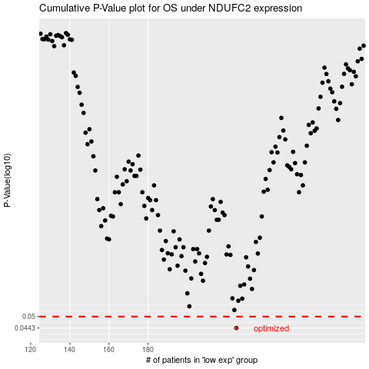

 |  |  |  |  |  | cases_OS | p_OS | rank | exp
 |  |  |  |  |  | 225 | 0.0443 | 80 | -0.21129175179
 |  |  |  |  |  |  | cases_RFS | p_RFS | rank | exp
 |  |  |  |  |  |  | 224 | 0.0443 | 31 | -0.21405892736

