NDUFS2 _multivariate
Reported by Tex Li-Hsing Chi. tex@gate.sinica.edu.tw 2019-08-17

Table 2. The clinicopathological features of HNSCC cohort and NDUFS2 expression. (Chi square test)
Cutoff at -0.3 (50.0%)
 |  | NDUFS2 expression |  | NDUFS2 expression |  | (Optimised)
 | Features | Low | (%) | High | (%) | Case no | P-value | Remark | Matthews
Gender | Female | 154 | 37.1 | 152 | 36.6 | 415 | 0.8463 | 0 | 0
2 | Male | 53 | 12.8 | 56 | 13.5
Age at diagnosis | <=65y | 133 | 32 | 141 | 34 | 415 | 0.5111 | 0 | 0
4 | >65y | 74 | 17.8 | 67 | 16.1
Clinical T Status | T1+T2 | 82 | 19.8 | 67 | 16.1 | 415 | 0.1417 | 0 | 0
6 | T3+T4 | 125 | 30.1 | 141 | 34
Clinical N Status | N0 | 109 | 26.3 | 107 | 25.8 | 415 | 0.8812 | 0 | 0
8 | N1-3 | 98 | 23.6 | 101 | 24.3
Clinical M Status | M0 | 207 | 49.9 | 205 | 49.4 | 415 | 0.2482 | 0 | 0
10 | M1 | 0 | 0 | 3 | 0.7
Clinical Stage | Stage I+II | 61 | 14.7 | 41 | 9.9 | 415 | 0.0282 | 1 | 0
12 | Stage III+IV | 146 | 35.2 | 167 | 40.2
Surgical Margin status | Negative | 158 | 38.1 | 160 | 38.6 | 415 | 0.9081 | 0 | 0
14 | Positive | 49 | 11.8 | 48 | 11.6
Tobacco Exposure | Low | 89 | 21.4 | 72 | 17.3 | 415 | 0.0872 | 0 | 0
16 | High | 118 | 28.4 | 136 | 32.8

Table 3. Univariate/Multivariate Cox's proportional hazards regression analyses on OS time of NDUFS2 gene expression in HNSCC

 |  | Univariate |  |  |  | Multivariate
 | Features | HR | CI95%(L) | CI95%(H) | P-value | HR | CI95%(L) | CI95%(H) | P-value
1 | Female | 1 |  |  |  | 1
Gender | Male | 1.157 | 0.843 | 1.587 | 0.367 | 1.174 | 0.84 | 1.643 | 0.348
11 | <=65y | 1 |  |  |  | 1
Age at diagnosis | >65y | 1.329 | 0.99 | 1.784 | 0.058 | 1.416 | 1.041 | 1.926 | 0.026
12 | T1+T2 | 1 |  |  |  | 1
Clinical T Status | T3+T4 | 1.409 | 1.028 | 1.931 | 0.033 | 2.215 | 1.171 | 4.187 | 0.014
13 | N0 | 1 |  |  |  | 1
Clinical N Status | N1-3 | 1.185 | 0.89 | 1.577 | 0.246 | 1.248 | 0.875 | 1.781 | 0.221
14 | M0 | 1 |  |  |  | 1
Clinical M Status | M1 | 4.097 | 1.009 | 16.644 | 0.049 | 8.495 | 1.842 | 39.169 | 0.006
15 | Stage I+II | 1 |  |  |  | 1
Clinical Stage | Stage III+IV | 1.245 | 0.882 | 1.759 | 0.213 | 0.488 | 0.227 | 1.048 | 0.066
16 | Negative | 1 |  |  |  | 1
Surgical Margin status | Positive | 1.591 | 1.155 | 2.191 | 0.004 | 1.643 | 1.188 | 2.271 | 0.003
17 | Low | 1 |  |  |  | 1
Tobacco Exposure | High | 1.364 | 1.008 | 1.844 | 0.044 | 1.4 | 1.014 | 1.934 | 0.041
18 | Low | 1 |  |  |  | 1
RNAseq(z-score) | High | 1.338 | 1.002 | 1.786 | 0.049 | 1.238 | 0.919 | 1.669 | 0.161

Table 4. Univariate/Multivariate Cox's proportional hazards regression analyses on RFS time of NDUFS2 gene expression in HNSCC

 |  | Univariate |  |  |  | Multivariate
 | Features | HR | CI95%(L) | CI95%(H) | P-value | HR | CI95%(L) | CI95%(H) | P-value
1 | Female | 1 |  |  |  | 1
Gender | Male | 1.157 | 0.843 | 1.587 | 0.367 | 1.174 | 0.84 | 1.643 | 0.348
11 | <=65y | 1 |  |  |  | 1
Age at diagnosis | >65y | 1.329 | 0.99 | 1.784 | 0.058 | 1.416 | 1.041 | 1.926 | 0.026
12 | T1+T2 | 1 |  |  |  | 1
Clinical T Status | T3+T4 | 1.409 | 1.028 | 1.931 | 0.033 | 2.215 | 1.171 | 4.187 | 0.014
13 | N0 | 1 |  |  |  | 1
Clinical N Status | N1-3 | 1.185 | 0.89 | 1.577 | 0.246 | 1.248 | 0.875 | 1.781 | 0.221
14 | M0 | 1 |  |  |  | 1
Clinical M Status | M1 | 4.097 | 1.009 | 16.644 | 0.049 | 8.495 | 1.842 | 39.169 | 0.006
15 | Stage I+II | 1 |  |  |  | 1
Clinical Stage | Stage III+IV | 1.245 | 0.882 | 1.759 | 0.213 | 0.488 | 0.227 | 1.048 | 0.066
16 | Negative | 1 |  |  |  | 1
Surgical Margin status | Positive | 1.591 | 1.155 | 2.191 | 0.004 | 1.643 | 1.188 | 2.271 | 0.003
17 | Low | 1 |  |  |  | 1
Tobacco Exposure | High | 1.364 | 1.008 | 1.844 | 0.044 | 1.4 | 1.014 | 1.934 | 0.041
18 | Low | 1 |  |  |  | 1
RNAseq(z-score) | High | 1.338 | 1.002 | 1.786 | 0.049 | 1.238 | 0.919 | 1.669 | 0.161

Kaplan-Meier survival estimate: Cutoff at -0.3 (50.0%)



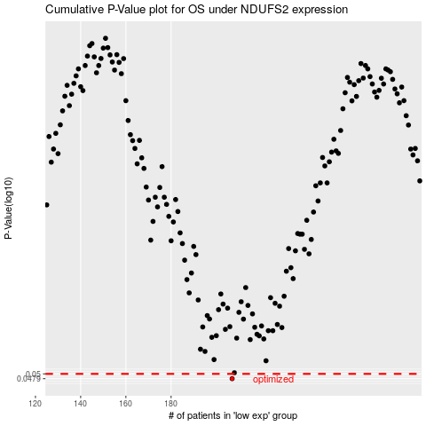

 |  |  |  |  |  | cases_OS | p_OS | rank | exp
 |  |  |  |  |  | 207 | 0.0479 | 218 | -0.29999756983
 |  |  |  |  |  |  | cases_RFS | p_RFS | rank | exp
 |  |  |  |  |  |  | 206 | 0.0479 | 219 | -0.30206875375

