NDUFS5 _multivariate
Reported by Tex Li-Hsing Chi. tex@gate.sinica.edu.tw 2019-08-17

Table 2. The clinicopathological features of HNSCC cohort and NDUFS5 expression. (Chi square test)
Cutoff at -0.275 (50.0%)
 |  | NDUFS5 expression |  | NDUFS5 expression |  | (Optimised)
 | Features | Low | (%) | High | (%) | Case no | P-value | Remark | Matthews
Gender | Female | 154 | 37.1 | 152 | 36.6 | 415 | 0.8463 | 0 | 0
2 | Male | 53 | 12.8 | 56 | 13.5
Age at diagnosis | <=65y | 136 | 32.8 | 138 | 33.3 | 415 | 0.9719 | 0 | 0
4 | >65y | 71 | 17.1 | 70 | 16.9
Clinical T Status | T1+T2 | 76 | 18.3 | 73 | 17.6 | 415 | 0.8092 | 0 | 0
6 | T3+T4 | 131 | 31.6 | 135 | 32.5
Clinical N Status | N0 | 107 | 25.8 | 109 | 26.3 | 415 | 0.9624 | 0 | 0
8 | N1-3 | 100 | 24.1 | 99 | 23.9
Clinical M Status | M0 | 207 | 49.9 | 205 | 49.4 | 415 | 0.2482 | 0 | 0
10 | M1 | 0 | 0 | 3 | 0.7
Clinical Stage | Stage I+II | 51 | 12.3 | 51 | 12.3 | 415 | 1 | 0 | 0
12 | Stage III+IV | 156 | 37.6 | 157 | 37.8
Surgical Margin status | Negative | 166 | 40 | 152 | 36.6 | 415 | 0.1042 | 0 | 0
14 | Positive | 41 | 9.9 | 56 | 13.5
Tobacco Exposure | Low | 81 | 19.5 | 80 | 19.3 | 415 | 0.9199 | 0 | 0
16 | High | 126 | 30.4 | 128 | 30.8

Table 3. Univariate/Multivariate Cox's proportional hazards regression analyses on OS time of NDUFS5 gene expression in HNSCC

 |  | Univariate |  |  |  | Multivariate
 | Features | HR | CI95%(L) | CI95%(H) | P-value | HR | CI95%(L) | CI95%(H) | P-value
1 | Female | 1 |  |  |  | 1
Gender | Male | 1.157 | 0.843 | 1.587 | 0.367 | 1.216 | 0.869 | 1.7 | 0.253
11 | <=65y | 1 |  |  |  | 1
Age at diagnosis | >65y | 1.329 | 0.99 | 1.784 | 0.058 | 1.391 | 1.023 | 1.89 | 0.035
12 | T1+T2 | 1 |  |  |  | 1
Clinical T Status | T3+T4 | 1.409 | 1.028 | 1.931 | 0.033 | 2.214 | 1.17 | 4.188 | 0.015
13 | N0 | 1 |  |  |  | 1
Clinical N Status | N1-3 | 1.185 | 0.89 | 1.577 | 0.246 | 1.237 | 0.867 | 1.765 | 0.241
14 | M0 | 1 |  |  |  | 1
Clinical M Status | M1 | 4.097 | 1.009 | 16.644 | 0.049 | 10.205 | 2.202 | 47.294 | 0.003
15 | Stage I+II | 1 |  |  |  | 1
Clinical Stage | Stage III+IV | 1.245 | 0.882 | 1.759 | 0.213 | 0.501 | 0.233 | 1.076 | 0.076
16 | Negative | 1 |  |  |  | 1
Surgical Margin status | Positive | 1.591 | 1.155 | 2.191 | 0.004 | 1.711 | 1.233 | 2.374 | 0.001
17 | Low | 1 |  |  |  | 1
Tobacco Exposure | High | 1.364 | 1.008 | 1.844 | 0.044 | 1.472 | 1.067 | 2.03 | 0.018
18 | Low | 1 |  |  |  | 1
RNAseq(z-score) | High | 0.982 | 0.738 | 1.308 | 0.903 | 0.874 | 0.651 | 1.173 | 0.37

Table 4. Univariate/Multivariate Cox's proportional hazards regression analyses on RFS time of NDUFS5 gene expression in HNSCC

 |  | Univariate |  |  |  | Multivariate
 | Features | HR | CI95%(L) | CI95%(H) | P-value | HR | CI95%(L) | CI95%(H) | P-value
1 | Female | 1 |  |  |  | 1
Gender | Male | 1.157 | 0.843 | 1.587 | 0.367 | 1.216 | 0.869 | 1.7 | 0.253
11 | <=65y | 1 |  |  |  | 1
Age at diagnosis | >65y | 1.329 | 0.99 | 1.784 | 0.058 | 1.391 | 1.023 | 1.89 | 0.035
12 | T1+T2 | 1 |  |  |  | 1
Clinical T Status | T3+T4 | 1.409 | 1.028 | 1.931 | 0.033 | 2.214 | 1.17 | 4.188 | 0.015
13 | N0 | 1 |  |  |  | 1
Clinical N Status | N1-3 | 1.185 | 0.89 | 1.577 | 0.246 | 1.237 | 0.867 | 1.765 | 0.241
14 | M0 | 1 |  |  |  | 1
Clinical M Status | M1 | 4.097 | 1.009 | 16.644 | 0.049 | 10.205 | 2.202 | 47.294 | 0.003
15 | Stage I+II | 1 |  |  |  | 1
Clinical Stage | Stage III+IV | 1.245 | 0.882 | 1.759 | 0.213 | 0.501 | 0.233 | 1.076 | 0.076
16 | Negative | 1 |  |  |  | 1
Surgical Margin status | Positive | 1.591 | 1.155 | 2.191 | 0.004 | 1.711 | 1.233 | 2.374 | 0.001
17 | Low | 1 |  |  |  | 1
Tobacco Exposure | High | 1.364 | 1.008 | 1.844 | 0.044 | 1.472 | 1.067 | 2.03 | 0.018
18 | Low | 1 |  |  |  | 1
RNAseq(z-score) | High | 0.982 | 0.738 | 1.308 | 0.903 | 0.874 | 0.651 | 1.173 | 0.37

Kaplan-Meier survival estimate: Cutoff at -0.275 (50.0%)



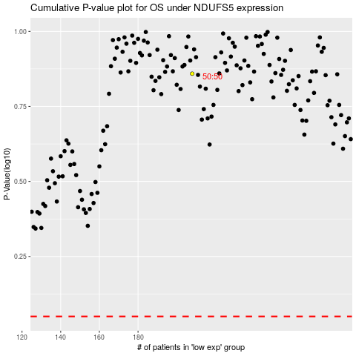

 |  |  |  |  |  | cases_OS | p_OS | rank | exp
 |  |  |  |  |  |  | cases_RFS | p_RFS | rank | exp

