NECAB1 _multivariate
Reported by Tex Li-Hsing Chi. tex@gate.sinica.edu.tw 2019-08-17

Table 2. The clinicopathological features of HNSCC cohort and NECAB1 expression. (Chi square test)
Cutoff at -0.36 (51.2%)
 |  | NECAB1 expression |  | NECAB1 expression |  | (Optimised)
 | Features | Low | (%) | High | (%) | Case no | P-value | Remark | Matthews
Gender | Female | 157 | 37.8 | 149 | 35.9 | 415 | 1 | 0 | 0
2 | Male | 56 | 13.5 | 53 | 12.8
Age at diagnosis | <=65y | 134 | 32.3 | 140 | 33.7 | 415 | 0.2036 | 0 | 0
4 | >65y | 79 | 19 | 62 | 14.9
Clinical T Status | T1+T2 | 71 | 17.1 | 78 | 18.8 | 415 | 0.3085 | 0 | 0
6 | T3+T4 | 142 | 34.2 | 124 | 29.9
Clinical N Status | N0 | 113 | 27.2 | 103 | 24.8 | 415 | 0.7475 | 0 | 0
8 | N1-3 | 100 | 24.1 | 99 | 23.9
Clinical M Status | M0 | 210 | 50.6 | 202 | 48.7 | 415 | 0.2487 | 0 | 0
10 | M1 | 3 | 0.7 | 0 | 0
Clinical Stage | Stage I+II | 49 | 11.8 | 53 | 12.8 | 415 | 0.5154 | 0 | 0
12 | Stage III+IV | 164 | 39.5 | 149 | 35.9
Surgical Margin status | Negative | 166 | 40 | 152 | 36.6 | 415 | 0.5624 | 0 | 0
14 | Positive | 47 | 11.3 | 50 | 12
Tobacco Exposure | Low | 86 | 20.7 | 75 | 18.1 | 415 | 0.5456 | 0 | 0
16 | High | 127 | 30.6 | 127 | 30.6

Table 3. Univariate/Multivariate Cox's proportional hazards regression analyses on OS time of NECAB1 gene expression in HNSCC

 |  | Univariate |  |  |  | Multivariate
 | Features | HR | CI95%(L) | CI95%(H) | P-value | HR | CI95%(L) | CI95%(H) | P-value
1 | Female | 1 |  |  |  | 1
Gender | Male | 1.157 | 0.843 | 1.587 | 0.367 | 1.21 | 0.865 | 1.694 | 0.266
11 | <=65y | 1 |  |  |  | 1
Age at diagnosis | >65y | 1.329 | 0.99 | 1.784 | 0.058 | 1.358 | 0.998 | 1.848 | 0.052
12 | T1+T2 | 1 |  |  |  | 1
Clinical T Status | T3+T4 | 1.409 | 1.028 | 1.931 | 0.033 | 2.138 | 1.13 | 4.045 | 0.02
13 | N0 | 1 |  |  |  | 1
Clinical N Status | N1-3 | 1.185 | 0.89 | 1.577 | 0.246 | 1.24 | 0.87 | 1.769 | 0.234
14 | M0 | 1 |  |  |  | 1
Clinical M Status | M1 | 4.097 | 1.009 | 16.644 | 0.049 | 8.117 | 1.758 | 37.472 | 0.007
15 | Stage I+II | 1 |  |  |  | 1
Clinical Stage | Stage III+IV | 1.245 | 0.882 | 1.759 | 0.213 | 0.507 | 0.236 | 1.088 | 0.081
16 | Negative | 1 |  |  |  | 1
Surgical Margin status | Positive | 1.591 | 1.155 | 2.191 | 0.004 | 1.706 | 1.233 | 2.359 | 0.001
17 | Low | 1 |  |  |  | 1
Tobacco Exposure | High | 1.364 | 1.008 | 1.844 | 0.044 | 1.5 | 1.085 | 2.074 | 0.014
18 | Low | 1 |  |  |  | 1
RNAseq(z-score) | High | 0.748 | 0.56 | 0.998 | 0.049 | 0.755 | 0.562 | 1.015 | 0.063

Table 4. Univariate/Multivariate Cox's proportional hazards regression analyses on RFS time of NECAB1 gene expression in HNSCC

 |  | Univariate |  |  |  | Multivariate
 | Features | HR | CI95%(L) | CI95%(H) | P-value | HR | CI95%(L) | CI95%(H) | P-value
1 | Female | 1 |  |  |  | 1
Gender | Male | 1.157 | 0.843 | 1.587 | 0.367 | 1.21 | 0.865 | 1.694 | 0.266
11 | <=65y | 1 |  |  |  | 1
Age at diagnosis | >65y | 1.329 | 0.99 | 1.784 | 0.058 | 1.358 | 0.998 | 1.848 | 0.052
12 | T1+T2 | 1 |  |  |  | 1
Clinical T Status | T3+T4 | 1.409 | 1.028 | 1.931 | 0.033 | 2.138 | 1.13 | 4.045 | 0.02
13 | N0 | 1 |  |  |  | 1
Clinical N Status | N1-3 | 1.185 | 0.89 | 1.577 | 0.246 | 1.24 | 0.87 | 1.769 | 0.234
14 | M0 | 1 |  |  |  | 1
Clinical M Status | M1 | 4.097 | 1.009 | 16.644 | 0.049 | 8.117 | 1.758 | 37.472 | 0.007
15 | Stage I+II | 1 |  |  |  | 1
Clinical Stage | Stage III+IV | 1.245 | 0.882 | 1.759 | 0.213 | 0.507 | 0.236 | 1.088 | 0.081
16 | Negative | 1 |  |  |  | 1
Surgical Margin status | Positive | 1.591 | 1.155 | 2.191 | 0.004 | 1.706 | 1.233 | 2.359 | 0.001
17 | Low | 1 |  |  |  | 1
Tobacco Exposure | High | 1.364 | 1.008 | 1.844 | 0.044 | 1.5 | 1.085 | 2.074 | 0.014
18 | Low | 1 |  |  |  | 1
RNAseq(z-score) | High | 0.748 | 0.56 | 0.998 | 0.049 | 0.755 | 0.562 | 1.015 | 0.063

Kaplan-Meier survival estimate: Cutoff at -0.36 (51.2%)



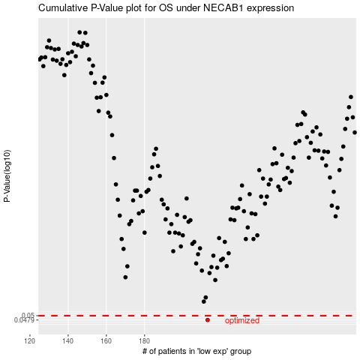

 |  |  |  |  |  | cases_OS | p_OS | rank | exp
 |  |  |  |  |  | 213 | 0.0479 | 177 | -0.36000773143
 |  |  |  |  |  |  | cases_RFS | p_RFS | rank | exp
 |  |  |  |  |  |  | 212 | 0.0479 | 325 | -0.36088142183

