NECAB3 _multivariate
Reported by Tex Li-Hsing Chi. tex@gate.sinica.edu.tw 2019-08-17

Table 2. The clinicopathological features of HNSCC cohort and NECAB3 expression. (Chi square test)
Cutoff at -0.277 (49.8%)
 |  | NECAB3 expression |  | NECAB3 expression |  | (Optimised)
 | Features | Low | (%) | High | (%) | Case no | P-value | Remark | Matthews
Gender | Female | 142 | 34.2 | 164 | 39.5 | 415 | 0.0238 | 1 | 0
2 | Male | 65 | 15.7 | 44 | 10.6
Age at diagnosis | <=65y | 125 | 30.1 | 149 | 35.9 | 415 | 0.0206 | 1 | 0
4 | >65y | 82 | 19.8 | 59 | 14.2
Clinical T Status | T1+T2 | 79 | 19 | 70 | 16.9 | 415 | 0.3924 | 0 | 0
6 | T3+T4 | 128 | 30.8 | 138 | 33.3
Clinical N Status | N0 | 115 | 27.7 | 101 | 24.3 | 415 | 0.184 | 1 | 0
8 | N1-3 | 92 | 22.2 | 107 | 25.8
Clinical M Status | M0 | 206 | 49.6 | 206 | 49.6 | 415 | 1 | 0 | 0
10 | M1 | 1 | 0.2 | 2 | 0.5
Clinical Stage | Stage I+II | 57 | 13.7 | 45 | 10.8 | 415 | 0.1998 | 0 | 0
12 | Stage III+IV | 150 | 36.1 | 163 | 39.3
Surgical Margin status | Negative | 158 | 38.1 | 160 | 38.6 | 415 | 0.9081 | 0 | 0
14 | Positive | 49 | 11.8 | 48 | 11.6
Tobacco Exposure | Low | 91 | 21.9 | 70 | 16.9 | 415 | 0.0346 | 1 | 0
16 | High | 116 | 28 | 138 | 33.3

Table 3. Univariate/Multivariate Cox's proportional hazards regression analyses on OS time of NECAB3 gene expression in HNSCC

 |  | Univariate |  |  |  | Multivariate
 | Features | HR | CI95%(L) | CI95%(H) | P-value | HR | CI95%(L) | CI95%(H) | P-value
1 | Female | 1 |  |  |  | 1
Gender | Male | 1.157 | 0.843 | 1.587 | 0.367 | 1.196 | 0.854 | 1.674 | 0.297
11 | <=65y | 1 |  |  |  | 1
Age at diagnosis | >65y | 1.329 | 0.99 | 1.784 | 0.058 | 1.387 | 1.019 | 1.888 | 0.037
12 | T1+T2 | 1 |  |  |  | 1
Clinical T Status | T3+T4 | 1.409 | 1.028 | 1.931 | 0.033 | 2.21 | 1.168 | 4.181 | 0.015
13 | N0 | 1 |  |  |  | 1
Clinical N Status | N1-3 | 1.185 | 0.89 | 1.577 | 0.246 | 1.247 | 0.872 | 1.783 | 0.226
14 | M0 | 1 |  |  |  | 1
Clinical M Status | M1 | 4.097 | 1.009 | 16.644 | 0.049 | 9.436 | 2.058 | 43.259 | 0.004
15 | Stage I+II | 1 |  |  |  | 1
Clinical Stage | Stage III+IV | 1.245 | 0.882 | 1.759 | 0.213 | 0.504 | 0.235 | 1.081 | 0.079
16 | Negative | 1 |  |  |  | 1
Surgical Margin status | Positive | 1.591 | 1.155 | 2.191 | 0.004 | 1.67 | 1.209 | 2.308 | 0.002
17 | Low | 1 |  |  |  | 1
Tobacco Exposure | High | 1.364 | 1.008 | 1.844 | 0.044 | 1.458 | 1.057 | 2.012 | 0.022
18 | Low | 1 |  |  |  | 1
RNAseq(z-score) | High | 0.995 | 0.746 | 1.326 | 0.971 | 0.964 | 0.715 | 1.299 | 0.809

Table 4. Univariate/Multivariate Cox's proportional hazards regression analyses on RFS time of NECAB3 gene expression in HNSCC

 |  | Univariate |  |  |  | Multivariate
 | Features | HR | CI95%(L) | CI95%(H) | P-value | HR | CI95%(L) | CI95%(H) | P-value
1 | Female | 1 |  |  |  | 1
Gender | Male | 1.157 | 0.843 | 1.587 | 0.367 | 1.196 | 0.854 | 1.674 | 0.297
11 | <=65y | 1 |  |  |  | 1
Age at diagnosis | >65y | 1.329 | 0.99 | 1.784 | 0.058 | 1.387 | 1.019 | 1.888 | 0.037
12 | T1+T2 | 1 |  |  |  | 1
Clinical T Status | T3+T4 | 1.409 | 1.028 | 1.931 | 0.033 | 2.21 | 1.168 | 4.181 | 0.015
13 | N0 | 1 |  |  |  | 1
Clinical N Status | N1-3 | 1.185 | 0.89 | 1.577 | 0.246 | 1.247 | 0.872 | 1.783 | 0.226
14 | M0 | 1 |  |  |  | 1
Clinical M Status | M1 | 4.097 | 1.009 | 16.644 | 0.049 | 9.436 | 2.058 | 43.259 | 0.004
15 | Stage I+II | 1 |  |  |  | 1
Clinical Stage | Stage III+IV | 1.245 | 0.882 | 1.759 | 0.213 | 0.504 | 0.235 | 1.081 | 0.079
16 | Negative | 1 |  |  |  | 1
Surgical Margin status | Positive | 1.591 | 1.155 | 2.191 | 0.004 | 1.67 | 1.209 | 2.308 | 0.002
17 | Low | 1 |  |  |  | 1
Tobacco Exposure | High | 1.364 | 1.008 | 1.844 | 0.044 | 1.458 | 1.057 | 2.012 | 0.022
18 | Low | 1 |  |  |  | 1
RNAseq(z-score) | High | 0.995 | 0.746 | 1.326 | 0.971 | 0.964 | 0.715 | 1.299 | 0.809

Kaplan-Meier survival estimate: Cutoff at -0.277 (49.8%)



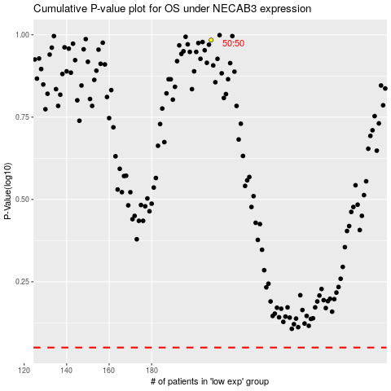

 |  |  |  |  |  | cases_OS | p_OS | rank | exp
 |  |  |  |  |  |  | cases_RFS | p_RFS | rank | exp

