NEDD1 _multivariate
Reported by Tex Li-Hsing Chi. tex@gate.sinica.edu.tw 2019-08-17

Table 2. The clinicopathological features of HNSCC cohort and NEDD1 expression. (Chi square test)
Cutoff at -0.153 (49.8%)
 |  | NEDD1 expression |  | NEDD1 expression |  | (Optimised)
 | Features | Low | (%) | High | (%) | Case no | P-value | Remark | Matthews
Gender | Female | 150 | 36.1 | 156 | 37.6 | 415 | 0.6344 | 0 | 0
2 | Male | 57 | 13.7 | 52 | 12.5
Age at diagnosis | <=65y | 134 | 32.3 | 140 | 33.7 | 415 | 0.6529 | 0 | 0
4 | >65y | 73 | 17.6 | 68 | 16.4
Clinical T Status | T1+T2 | 69 | 16.6 | 80 | 19.3 | 415 | 0.3239 | 0 | 0
6 | T3+T4 | 138 | 33.3 | 128 | 30.8
Clinical N Status | N0 | 110 | 26.5 | 106 | 25.5 | 415 | 0.7294 | 0 | 0
8 | N1-3 | 97 | 23.4 | 102 | 24.6
Clinical M Status | M0 | 205 | 49.4 | 207 | 49.9 | 415 | 0.6232 | 0 | 0
10 | M1 | 2 | 0.5 | 1 | 0.2
Clinical Stage | Stage I+II | 49 | 11.8 | 53 | 12.8 | 415 | 0.7535 | 0 | 0
12 | Stage III+IV | 158 | 38.1 | 155 | 37.3
Surgical Margin status | Negative | 160 | 38.6 | 158 | 38.1 | 415 | 0.8167 | 0 | 0
14 | Positive | 47 | 11.3 | 50 | 12
Tobacco Exposure | Low | 81 | 19.5 | 80 | 19.3 | 415 | 0.9199 | 0 | 0
16 | High | 126 | 30.4 | 128 | 30.8

Table 3. Univariate/Multivariate Cox's proportional hazards regression analyses on OS time of NEDD1 gene expression in HNSCC

 |  | Univariate |  |  |  | Multivariate
 | Features | HR | CI95%(L) | CI95%(H) | P-value | HR | CI95%(L) | CI95%(H) | P-value
1 | Female | 1 |  |  |  | 1
Gender | Male | 1.157 | 0.843 | 1.587 | 0.367 | 1.224 | 0.874 | 1.714 | 0.239
11 | <=65y | 1 |  |  |  | 1
Age at diagnosis | >65y | 1.329 | 0.99 | 1.784 | 0.058 | 1.392 | 1.024 | 1.892 | 0.035
12 | T1+T2 | 1 |  |  |  | 1
Clinical T Status | T3+T4 | 1.409 | 1.028 | 1.931 | 0.033 | 2.25 | 1.188 | 4.263 | 0.013
13 | N0 | 1 |  |  |  | 1
Clinical N Status | N1-3 | 1.185 | 0.89 | 1.577 | 0.246 | 1.237 | 0.867 | 1.765 | 0.24
14 | M0 | 1 |  |  |  | 1
Clinical M Status | M1 | 4.097 | 1.009 | 16.644 | 0.049 | 10.003 | 2.167 | 46.166 | 0.003
15 | Stage I+II | 1 |  |  |  | 1
Clinical Stage | Stage III+IV | 1.245 | 0.882 | 1.759 | 0.213 | 0.504 | 0.235 | 1.082 | 0.079
16 | Negative | 1 |  |  |  | 1
Surgical Margin status | Positive | 1.591 | 1.155 | 2.191 | 0.004 | 1.674 | 1.212 | 2.313 | 0.002
17 | Low | 1 |  |  |  | 1
Tobacco Exposure | High | 1.364 | 1.008 | 1.844 | 0.044 | 1.478 | 1.07 | 2.043 | 0.018
18 | Low | 1 |  |  |  | 1
RNAseq(z-score) | High | 1.014 | 0.761 | 1.35 | 0.926 | 1.136 | 0.845 | 1.526 | 0.398

Table 4. Univariate/Multivariate Cox's proportional hazards regression analyses on RFS time of NEDD1 gene expression in HNSCC

 |  | Univariate |  |  |  | Multivariate
 | Features | HR | CI95%(L) | CI95%(H) | P-value | HR | CI95%(L) | CI95%(H) | P-value
1 | Female | 1 |  |  |  | 1
Gender | Male | 1.157 | 0.843 | 1.587 | 0.367 | 1.224 | 0.874 | 1.714 | 0.239
11 | <=65y | 1 |  |  |  | 1
Age at diagnosis | >65y | 1.329 | 0.99 | 1.784 | 0.058 | 1.392 | 1.024 | 1.892 | 0.035
12 | T1+T2 | 1 |  |  |  | 1
Clinical T Status | T3+T4 | 1.409 | 1.028 | 1.931 | 0.033 | 2.25 | 1.188 | 4.263 | 0.013
13 | N0 | 1 |  |  |  | 1
Clinical N Status | N1-3 | 1.185 | 0.89 | 1.577 | 0.246 | 1.237 | 0.867 | 1.765 | 0.24
14 | M0 | 1 |  |  |  | 1
Clinical M Status | M1 | 4.097 | 1.009 | 16.644 | 0.049 | 10.003 | 2.167 | 46.166 | 0.003
15 | Stage I+II | 1 |  |  |  | 1
Clinical Stage | Stage III+IV | 1.245 | 0.882 | 1.759 | 0.213 | 0.504 | 0.235 | 1.082 | 0.079
16 | Negative | 1 |  |  |  | 1
Surgical Margin status | Positive | 1.591 | 1.155 | 2.191 | 0.004 | 1.674 | 1.212 | 2.313 | 0.002
17 | Low | 1 |  |  |  | 1
Tobacco Exposure | High | 1.364 | 1.008 | 1.844 | 0.044 | 1.478 | 1.07 | 2.043 | 0.018
18 | Low | 1 |  |  |  | 1
RNAseq(z-score) | High | 1.014 | 0.761 | 1.35 | 0.926 | 1.136 | 0.845 | 1.526 | 0.398

Kaplan-Meier survival estimate: Cutoff at -0.153 (49.8%)



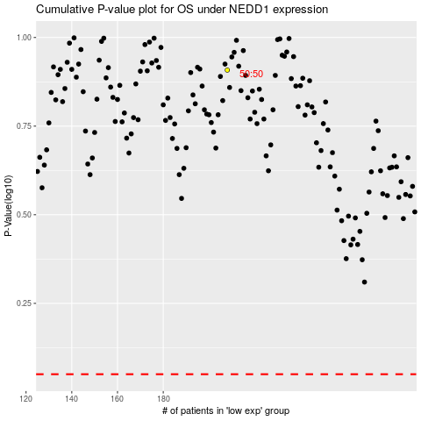

 |  |  |  |  |  | cases_OS | p_OS | rank | exp
 |  |  |  |  |  |  | cases_RFS | p_RFS | rank | exp

