NEDD4L _multivariate
Reported by Tex Li-Hsing Chi. tex@gate.sinica.edu.tw 2019-08-17

Table 2. The clinicopathological features of HNSCC cohort and NEDD4L expression. (Chi square test)
Cutoff at -0.233 (49.8%)
 |  | NEDD4L expression |  | NEDD4L expression |  | (Optimised)
 | Features | Low | (%) | High | (%) | Case no | P-value | Remark | Matthews
Gender | Female | 149 | 35.9 | 157 | 37.8 | 415 | 0.4848 | 0 | 0
2 | Male | 58 | 14 | 51 | 12.3
Age at diagnosis | <=65y | 138 | 33.3 | 136 | 32.8 | 415 | 0.8634 | 0 | 0
4 | >65y | 69 | 16.6 | 72 | 17.3
Clinical T Status | T1+T2 | 81 | 19.5 | 68 | 16.4 | 415 | 0.206 | 0 | 0
6 | T3+T4 | 126 | 30.4 | 140 | 33.7
Clinical N Status | N0 | 113 | 27.2 | 103 | 24.8 | 415 | 0.3495 | 1 | 0
8 | N1-3 | 94 | 22.7 | 105 | 25.3
Clinical M Status | M0 | 205 | 49.4 | 207 | 49.9 | 415 | 0.6232 | 0 | 0
10 | M1 | 2 | 0.5 | 1 | 0.2
Clinical Stage | Stage I+II | 64 | 15.4 | 38 | 9.2 | 415 | 0.004 | 1 | 0
12 | Stage III+IV | 143 | 34.5 | 170 | 41
Surgical Margin status | Negative | 162 | 39 | 156 | 37.6 | 415 | 0.4867 | 0 | 0
14 | Positive | 45 | 10.8 | 52 | 12.5
Tobacco Exposure | Low | 83 | 20 | 78 | 18.8 | 415 | 0.6152 | 0 | 0
16 | High | 124 | 29.9 | 130 | 31.3

Table 3. Univariate/Multivariate Cox's proportional hazards regression analyses on OS time of NEDD4L gene expression in HNSCC

 |  | Univariate |  |  |  | Multivariate
 | Features | HR | CI95%(L) | CI95%(H) | P-value | HR | CI95%(L) | CI95%(H) | P-value
1 | Female | 1 |  |  |  | 1
Gender | Male | 1.157 | 0.843 | 1.587 | 0.367 | 1.22 | 0.872 | 1.707 | 0.245
11 | <=65y | 1 |  |  |  | 1
Age at diagnosis | >65y | 1.329 | 0.99 | 1.784 | 0.058 | 1.395 | 1.027 | 1.897 | 0.033
12 | T1+T2 | 1 |  |  |  | 1
Clinical T Status | T3+T4 | 1.409 | 1.028 | 1.931 | 0.033 | 2.321 | 1.221 | 4.409 | 0.01
13 | N0 | 1 |  |  |  | 1
Clinical N Status | N1-3 | 1.185 | 0.89 | 1.577 | 0.246 | 1.266 | 0.886 | 1.81 | 0.195
14 | M0 | 1 |  |  |  | 1
Clinical M Status | M1 | 4.097 | 1.009 | 16.644 | 0.049 | 10.138 | 2.201 | 46.706 | 0.003
15 | Stage I+II | 1 |  |  |  | 1
Clinical Stage | Stage III+IV | 1.245 | 0.882 | 1.759 | 0.213 | 0.459 | 0.211 | 0.999 | 0.05
16 | Negative | 1 |  |  |  | 1
Surgical Margin status | Positive | 1.591 | 1.155 | 2.191 | 0.004 | 1.691 | 1.223 | 2.337 | 0.001
17 | Low | 1 |  |  |  | 1
Tobacco Exposure | High | 1.364 | 1.008 | 1.844 | 0.044 | 1.462 | 1.06 | 2.017 | 0.021
18 | Low | 1 |  |  |  | 1
RNAseq(z-score) | High | 1.133 | 0.85 | 1.511 | 0.395 | 1.207 | 0.899 | 1.622 | 0.211

Table 4. Univariate/Multivariate Cox's proportional hazards regression analyses on RFS time of NEDD4L gene expression in HNSCC

 |  | Univariate |  |  |  | Multivariate
 | Features | HR | CI95%(L) | CI95%(H) | P-value | HR | CI95%(L) | CI95%(H) | P-value
1 | Female | 1 |  |  |  | 1
Gender | Male | 1.157 | 0.843 | 1.587 | 0.367 | 1.22 | 0.872 | 1.707 | 0.245
11 | <=65y | 1 |  |  |  | 1
Age at diagnosis | >65y | 1.329 | 0.99 | 1.784 | 0.058 | 1.395 | 1.027 | 1.897 | 0.033
12 | T1+T2 | 1 |  |  |  | 1
Clinical T Status | T3+T4 | 1.409 | 1.028 | 1.931 | 0.033 | 2.321 | 1.221 | 4.409 | 0.01
13 | N0 | 1 |  |  |  | 1
Clinical N Status | N1-3 | 1.185 | 0.89 | 1.577 | 0.246 | 1.266 | 0.886 | 1.81 | 0.195
14 | M0 | 1 |  |  |  | 1
Clinical M Status | M1 | 4.097 | 1.009 | 16.644 | 0.049 | 10.138 | 2.201 | 46.706 | 0.003
15 | Stage I+II | 1 |  |  |  | 1
Clinical Stage | Stage III+IV | 1.245 | 0.882 | 1.759 | 0.213 | 0.459 | 0.211 | 0.999 | 0.05
16 | Negative | 1 |  |  |  | 1
Surgical Margin status | Positive | 1.591 | 1.155 | 2.191 | 0.004 | 1.691 | 1.223 | 2.337 | 0.001
17 | Low | 1 |  |  |  | 1
Tobacco Exposure | High | 1.364 | 1.008 | 1.844 | 0.044 | 1.462 | 1.06 | 2.017 | 0.021
18 | Low | 1 |  |  |  | 1
RNAseq(z-score) | High | 1.133 | 0.85 | 1.511 | 0.395 | 1.207 | 0.899 | 1.622 | 0.211

Kaplan-Meier survival estimate: Cutoff at -0.233 (49.8%)



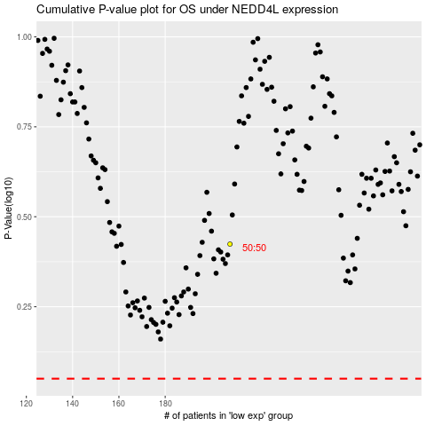

 |  |  |  |  |  | cases_OS | p_OS | rank | exp
 |  |  |  |  |  |  | cases_RFS | p_RFS | rank | exp

