NEDD9 _multivariate
Reported by Tex Li-Hsing Chi. tex@gate.sinica.edu.tw 2019-08-17

Table 2. The clinicopathological features of HNSCC cohort and NEDD9 expression. (Chi square test)
Cutoff at -0.264 (50.0%)
 |  | NEDD9 expression |  | NEDD9 expression |  | (Optimised)
 | Features | Low | (%) | High | (%) | Case no | P-value | Remark | Matthews
Gender | Female | 153 | 36.9 | 153 | 36.9 | 415 | 1 | 0 | 0
2 | Male | 54 | 13 | 55 | 13.3
Age at diagnosis | <=65y | 135 | 32.5 | 139 | 33.5 | 415 | 0.8084 | 0 | 0
4 | >65y | 72 | 17.3 | 69 | 16.6
Clinical T Status | T1+T2 | 68 | 16.4 | 81 | 19.5 | 415 | 0.2336 | 0 | 0
6 | T3+T4 | 139 | 33.5 | 127 | 30.6
Clinical N Status | N0 | 115 | 27.7 | 101 | 24.3 | 415 | 0.184 | 1 | 0
8 | N1-3 | 92 | 22.2 | 107 | 25.8
Clinical M Status | M0 | 205 | 49.4 | 207 | 49.9 | 415 | 0.6232 | 0 | 0
10 | M1 | 2 | 0.5 | 1 | 0.2
Clinical Stage | Stage I+II | 48 | 11.6 | 54 | 13 | 415 | 0.5878 | 0 | 0
12 | Stage III+IV | 159 | 38.3 | 154 | 37.1
Surgical Margin status | Negative | 164 | 39.5 | 154 | 37.1 | 415 | 0.2462 | 0 | 0
14 | Positive | 43 | 10.4 | 54 | 13
Tobacco Exposure | Low | 89 | 21.4 | 72 | 17.3 | 415 | 0.0872 | 0 | 0
16 | High | 118 | 28.4 | 136 | 32.8

Table 3. Univariate/Multivariate Cox's proportional hazards regression analyses on OS time of NEDD9 gene expression in HNSCC

 |  | Univariate |  |  |  | Multivariate
 | Features | HR | CI95%(L) | CI95%(H) | P-value | HR | CI95%(L) | CI95%(H) | P-value
1 | Female | 1 |  |  |  | 1
Gender | Male | 1.157 | 0.843 | 1.587 | 0.367 | 1.205 | 0.863 | 1.684 | 0.274
11 | <=65y | 1 |  |  |  | 1
Age at diagnosis | >65y | 1.329 | 0.99 | 1.784 | 0.058 | 1.392 | 1.024 | 1.893 | 0.035
12 | T1+T2 | 1 |  |  |  | 1
Clinical T Status | T3+T4 | 1.409 | 1.028 | 1.931 | 0.033 | 2.218 | 1.173 | 4.195 | 0.014
13 | N0 | 1 |  |  |  | 1
Clinical N Status | N1-3 | 1.185 | 0.89 | 1.577 | 0.246 | 1.225 | 0.857 | 1.751 | 0.265
14 | M0 | 1 |  |  |  | 1
Clinical M Status | M1 | 4.097 | 1.009 | 16.644 | 0.049 | 9.829 | 2.135 | 45.251 | 0.003
15 | Stage I+II | 1 |  |  |  | 1
Clinical Stage | Stage III+IV | 1.245 | 0.882 | 1.759 | 0.213 | 0.509 | 0.237 | 1.092 | 0.083
16 | Negative | 1 |  |  |  | 1
Surgical Margin status | Positive | 1.591 | 1.155 | 2.191 | 0.004 | 1.65 | 1.193 | 2.284 | 0.003
17 | Low | 1 |  |  |  | 1
Tobacco Exposure | High | 1.364 | 1.008 | 1.844 | 0.044 | 1.44 | 1.045 | 1.985 | 0.026
18 | Low | 1 |  |  |  | 1
RNAseq(z-score) | High | 1.138 | 0.853 | 1.517 | 0.381 | 1.118 | 0.834 | 1.499 | 0.454

Table 4. Univariate/Multivariate Cox's proportional hazards regression analyses on RFS time of NEDD9 gene expression in HNSCC

 |  | Univariate |  |  |  | Multivariate
 | Features | HR | CI95%(L) | CI95%(H) | P-value | HR | CI95%(L) | CI95%(H) | P-value
1 | Female | 1 |  |  |  | 1
Gender | Male | 1.157 | 0.843 | 1.587 | 0.367 | 1.205 | 0.863 | 1.684 | 0.274
11 | <=65y | 1 |  |  |  | 1
Age at diagnosis | >65y | 1.329 | 0.99 | 1.784 | 0.058 | 1.392 | 1.024 | 1.893 | 0.035
12 | T1+T2 | 1 |  |  |  | 1
Clinical T Status | T3+T4 | 1.409 | 1.028 | 1.931 | 0.033 | 2.218 | 1.173 | 4.195 | 0.014
13 | N0 | 1 |  |  |  | 1
Clinical N Status | N1-3 | 1.185 | 0.89 | 1.577 | 0.246 | 1.225 | 0.857 | 1.751 | 0.265
14 | M0 | 1 |  |  |  | 1
Clinical M Status | M1 | 4.097 | 1.009 | 16.644 | 0.049 | 9.829 | 2.135 | 45.251 | 0.003
15 | Stage I+II | 1 |  |  |  | 1
Clinical Stage | Stage III+IV | 1.245 | 0.882 | 1.759 | 0.213 | 0.509 | 0.237 | 1.092 | 0.083
16 | Negative | 1 |  |  |  | 1
Surgical Margin status | Positive | 1.591 | 1.155 | 2.191 | 0.004 | 1.65 | 1.193 | 2.284 | 0.003
17 | Low | 1 |  |  |  | 1
Tobacco Exposure | High | 1.364 | 1.008 | 1.844 | 0.044 | 1.44 | 1.045 | 1.985 | 0.026
18 | Low | 1 |  |  |  | 1
RNAseq(z-score) | High | 1.138 | 0.853 | 1.517 | 0.381 | 1.118 | 0.834 | 1.499 | 0.454

Kaplan-Meier survival estimate: Cutoff at -0.264 (50.0%)



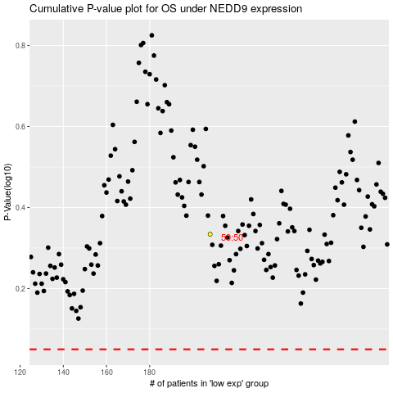

 |  |  |  |  |  | cases_OS | p_OS | rank | exp
 |  |  |  |  |  |  | cases_RFS | p_RFS | rank | exp

