NEK5 _multivariate
Reported by Tex Li-Hsing Chi. tex@gate.sinica.edu.tw 2019-08-17

Table 2. The clinicopathological features of HNSCC cohort and NEK5 expression. (Chi square test)
Cutoff at -0.134 (50.0%)
 |  | NEK5 expression |  | NEK5 expression |  | (Optimised)
 | Features | Low | (%) | High | (%) | Case no | P-value | Remark | Matthews
Gender | Female | 153 | 36.9 | 153 | 36.9 | 415 | 1 | 0 | 0
2 | Male | 54 | 13 | 55 | 13.3
Age at diagnosis | <=65y | 141 | 34 | 133 | 32 | 415 | 0.4272 | 0 | 0
4 | >65y | 66 | 15.9 | 75 | 18.1
Clinical T Status | T1+T2 | 87 | 21 | 62 | 14.9 | 415 | 0.0127 | 1 | 0
6 | T3+T4 | 120 | 28.9 | 146 | 35.2
Clinical N Status | N0 | 109 | 26.3 | 107 | 25.8 | 415 | 0.8812 | 0 | 0
8 | N1-3 | 98 | 23.6 | 101 | 24.3
Clinical M Status | M0 | 205 | 49.4 | 207 | 49.9 | 415 | 0.6232 | 0 | 0
10 | M1 | 2 | 0.5 | 1 | 0.2
Clinical Stage | Stage I+II | 59 | 14.2 | 43 | 10.4 | 415 | 0.0822 | 0 | 0
12 | Stage III+IV | 148 | 35.7 | 165 | 39.8
Surgical Margin status | Negative | 159 | 38.3 | 159 | 38.3 | 415 | 1 | 0 | 0
14 | Positive | 48 | 11.6 | 49 | 11.8
Tobacco Exposure | Low | 89 | 21.4 | 72 | 17.3 | 415 | 0.0872 | 0 | 0
16 | High | 118 | 28.4 | 136 | 32.8

Table 3. Univariate/Multivariate Cox's proportional hazards regression analyses on OS time of NEK5 gene expression in HNSCC

 |  | Univariate |  |  |  | Multivariate
 | Features | HR | CI95%(L) | CI95%(H) | P-value | HR | CI95%(L) | CI95%(H) | P-value
1 | Female | 1 |  |  |  | 1
Gender | Male | 1.157 | 0.843 | 1.587 | 0.367 | 1.211 | 0.866 | 1.692 | 0.263
11 | <=65y | 1 |  |  |  | 1
Age at diagnosis | >65y | 1.329 | 0.99 | 1.784 | 0.058 | 1.393 | 1.024 | 1.894 | 0.035
12 | T1+T2 | 1 |  |  |  | 1
Clinical T Status | T3+T4 | 1.409 | 1.028 | 1.931 | 0.033 | 2.216 | 1.172 | 4.19 | 0.014
13 | N0 | 1 |  |  |  | 1
Clinical N Status | N1-3 | 1.185 | 0.89 | 1.577 | 0.246 | 1.241 | 0.87 | 1.771 | 0.233
14 | M0 | 1 |  |  |  | 1
Clinical M Status | M1 | 4.097 | 1.009 | 16.644 | 0.049 | 9.172 | 1.999 | 42.097 | 0.004
15 | Stage I+II | 1 |  |  |  | 1
Clinical Stage | Stage III+IV | 1.245 | 0.882 | 1.759 | 0.213 | 0.503 | 0.234 | 1.078 | 0.077
16 | Negative | 1 |  |  |  | 1
Surgical Margin status | Positive | 1.591 | 1.155 | 2.191 | 0.004 | 1.675 | 1.212 | 2.314 | 0.002
17 | Low | 1 |  |  |  | 1
Tobacco Exposure | High | 1.364 | 1.008 | 1.844 | 0.044 | 1.464 | 1.061 | 2.019 | 0.02
18 | Low | 1 |  |  |  | 1
RNAseq(z-score) | High | 0.937 | 0.703 | 1.249 | 0.659 | 0.895 | 0.671 | 1.195 | 0.452

Table 4. Univariate/Multivariate Cox's proportional hazards regression analyses on RFS time of NEK5 gene expression in HNSCC

 |  | Univariate |  |  |  | Multivariate
 | Features | HR | CI95%(L) | CI95%(H) | P-value | HR | CI95%(L) | CI95%(H) | P-value
1 | Female | 1 |  |  |  | 1
Gender | Male | 1.157 | 0.843 | 1.587 | 0.367 | 1.211 | 0.866 | 1.692 | 0.263
11 | <=65y | 1 |  |  |  | 1
Age at diagnosis | >65y | 1.329 | 0.99 | 1.784 | 0.058 | 1.393 | 1.024 | 1.894 | 0.035
12 | T1+T2 | 1 |  |  |  | 1
Clinical T Status | T3+T4 | 1.409 | 1.028 | 1.931 | 0.033 | 2.216 | 1.172 | 4.19 | 0.014
13 | N0 | 1 |  |  |  | 1
Clinical N Status | N1-3 | 1.185 | 0.89 | 1.577 | 0.246 | 1.241 | 0.87 | 1.771 | 0.233
14 | M0 | 1 |  |  |  | 1
Clinical M Status | M1 | 4.097 | 1.009 | 16.644 | 0.049 | 9.172 | 1.999 | 42.097 | 0.004
15 | Stage I+II | 1 |  |  |  | 1
Clinical Stage | Stage III+IV | 1.245 | 0.882 | 1.759 | 0.213 | 0.503 | 0.234 | 1.078 | 0.077
16 | Negative | 1 |  |  |  | 1
Surgical Margin status | Positive | 1.591 | 1.155 | 2.191 | 0.004 | 1.675 | 1.212 | 2.314 | 0.002
17 | Low | 1 |  |  |  | 1
Tobacco Exposure | High | 1.364 | 1.008 | 1.844 | 0.044 | 1.464 | 1.061 | 2.019 | 0.02
18 | Low | 1 |  |  |  | 1
RNAseq(z-score) | High | 0.937 | 0.703 | 1.249 | 0.659 | 0.895 | 0.671 | 1.195 | 0.452

Kaplan-Meier survival estimate: Cutoff at -0.134 (50.0%)



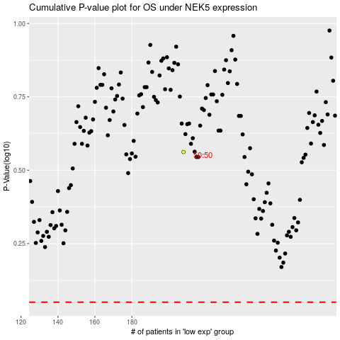

 |  |  |  |  |  | cases_OS | p_OS | rank | exp
 |  |  |  |  |  |  | cases_RFS | p_RFS | rank | exp

