NEK9 _multivariate
Reported by Tex Li-Hsing Chi. tex@gate.sinica.edu.tw 2019-08-17

Table 2. The clinicopathological features of HNSCC cohort and NEK9 expression. (Chi square test)
Cutoff at -0.063 (52.7%)
 |  | NEK9 expression |  | NEK9 expression |  | (Optimised)
 | Features | Low | (%) | High | (%) | Case no | P-value | Remark | Matthews
Gender | Female | 161 | 38.8 | 145 | 34.9 | 415 | 1 | 0 | 0
2 | Male | 58 | 14 | 51 | 12.3
Age at diagnosis | <=65y | 149 | 35.9 | 125 | 30.1 | 415 | 0.4173 | 0 | 0
4 | >65y | 70 | 16.9 | 71 | 17.1
Clinical T Status | T1+T2 | 77 | 18.6 | 72 | 17.3 | 415 | 0.817 | 0 | 0
6 | T3+T4 | 142 | 34.2 | 124 | 29.9
Clinical N Status | N0 | 117 | 28.2 | 99 | 23.9 | 415 | 0.6207 | 0 | 0
8 | N1-3 | 102 | 24.6 | 97 | 23.4
Clinical M Status | M0 | 218 | 52.5 | 194 | 46.7 | 415 | 0.6044 | 0 | 0
10 | M1 | 1 | 0.2 | 2 | 0.5
Clinical Stage | Stage I+II | 55 | 13.3 | 47 | 11.3 | 415 | 0.8778 | 0 | 0
12 | Stage III+IV | 164 | 39.5 | 149 | 35.9
Surgical Margin status | Negative | 166 | 40 | 152 | 36.6 | 415 | 0.7279 | 0 | 0
14 | Positive | 53 | 12.8 | 44 | 10.6
Tobacco Exposure | Low | 92 | 22.2 | 69 | 16.6 | 415 | 0.1595 | 0 | 0
16 | High | 127 | 30.6 | 127 | 30.6

Table 3. Univariate/Multivariate Cox's proportional hazards regression analyses on OS time of NEK9 gene expression in HNSCC

 |  | Univariate |  |  |  | Multivariate
 | Features | HR | CI95%(L) | CI95%(H) | P-value | HR | CI95%(L) | CI95%(H) | P-value
1 | Female | 1 |  |  |  | 1
Gender | Male | 1.157 | 0.843 | 1.587 | 0.367 | 1.225 | 0.876 | 1.713 | 0.236
11 | <=65y | 1 |  |  |  | 1
Age at diagnosis | >65y | 1.329 | 0.99 | 1.784 | 0.058 | 1.335 | 0.979 | 1.822 | 0.068
12 | T1+T2 | 1 |  |  |  | 1
Clinical T Status | T3+T4 | 1.409 | 1.028 | 1.931 | 0.033 | 2.18 | 1.153 | 4.122 | 0.016
13 | N0 | 1 |  |  |  | 1
Clinical N Status | N1-3 | 1.185 | 0.89 | 1.577 | 0.246 | 1.219 | 0.853 | 1.741 | 0.277
14 | M0 | 1 |  |  |  | 1
Clinical M Status | M1 | 4.097 | 1.009 | 16.644 | 0.049 | 9.094 | 1.984 | 41.686 | 0.004
15 | Stage I+II | 1 |  |  |  | 1
Clinical Stage | Stage III+IV | 1.245 | 0.882 | 1.759 | 0.213 | 0.515 | 0.24 | 1.105 | 0.088
16 | Negative | 1 |  |  |  | 1
Surgical Margin status | Positive | 1.591 | 1.155 | 2.191 | 0.004 | 1.698 | 1.228 | 2.348 | 0.001
17 | Low | 1 |  |  |  | 1
Tobacco Exposure | High | 1.364 | 1.008 | 1.844 | 0.044 | 1.418 | 1.028 | 1.956 | 0.033
18 | Low | 1 |  |  |  | 1
RNAseq(z-score) | High | 1.345 | 1.009 | 1.793 | 0.043 | 1.312 | 0.978 | 1.758 | 0.07

Table 4. Univariate/Multivariate Cox's proportional hazards regression analyses on RFS time of NEK9 gene expression in HNSCC

 |  | Univariate |  |  |  | Multivariate
 | Features | HR | CI95%(L) | CI95%(H) | P-value | HR | CI95%(L) | CI95%(H) | P-value
1 | Female | 1 |  |  |  | 1
Gender | Male | 1.157 | 0.843 | 1.587 | 0.367 | 1.225 | 0.876 | 1.713 | 0.236
11 | <=65y | 1 |  |  |  | 1
Age at diagnosis | >65y | 1.329 | 0.99 | 1.784 | 0.058 | 1.335 | 0.979 | 1.822 | 0.068
12 | T1+T2 | 1 |  |  |  | 1
Clinical T Status | T3+T4 | 1.409 | 1.028 | 1.931 | 0.033 | 2.18 | 1.153 | 4.122 | 0.016
13 | N0 | 1 |  |  |  | 1
Clinical N Status | N1-3 | 1.185 | 0.89 | 1.577 | 0.246 | 1.219 | 0.853 | 1.741 | 0.277
14 | M0 | 1 |  |  |  | 1
Clinical M Status | M1 | 4.097 | 1.009 | 16.644 | 0.049 | 9.094 | 1.984 | 41.686 | 0.004
15 | Stage I+II | 1 |  |  |  | 1
Clinical Stage | Stage III+IV | 1.245 | 0.882 | 1.759 | 0.213 | 0.515 | 0.24 | 1.105 | 0.088
16 | Negative | 1 |  |  |  | 1
Surgical Margin status | Positive | 1.591 | 1.155 | 2.191 | 0.004 | 1.698 | 1.228 | 2.348 | 0.001
17 | Low | 1 |  |  |  | 1
Tobacco Exposure | High | 1.364 | 1.008 | 1.844 | 0.044 | 1.418 | 1.028 | 1.956 | 0.033
18 | Low | 1 |  |  |  | 1
RNAseq(z-score) | High | 1.345 | 1.009 | 1.793 | 0.043 | 1.312 | 0.978 | 1.758 | 0.07

Kaplan-Meier survival estimate: Cutoff at -0.063 (52.7%)



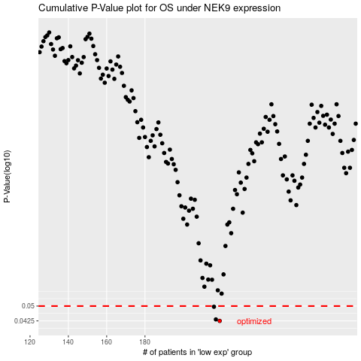

 |  |  |  |  |  | cases_OS | p_OS | rank | exp
 |  |  |  |  |  | 219 | 0.0425 | 2 | -0.062571216478
 |  |  |  |  |  | 217 | 0.0432 | 285 | -0.064439972374
 |  |  |  |  |  | 216 | 0.0496 | 376 | -0.07411800522
 |  |  |  |  |  |  | cases_RFS | p_RFS | rank | exp
 |  |  |  |  |  |  | 218 | 0.0425 | 368 | -0.062914908004
 |  |  |  |  |  |  | 216 | 0.0432 | 376 | -0.07411800522
 |  |  |  |  |  |  | 215 | 0.0496 | 120 | -0.077053629477

