NES _multivariate
Reported by Tex Li-Hsing Chi. tex@gate.sinica.edu.tw 2019-08-17

Table 2. The clinicopathological features of HNSCC cohort and NES expression. (Chi square test)
Cutoff at -0.269 (50.0%)
 |  | NES expression |  | NES expression |  | (Optimised)
 | Features | Low | (%) | High | (%) | Case no | P-value | Remark | Matthews
Gender | Female | 156 | 37.6 | 150 | 36.1 | 415 | 0.5222 | 0 | 0
2 | Male | 51 | 12.3 | 58 | 14
Age at diagnosis | <=65y | 127 | 30.6 | 147 | 35.4 | 415 | 0.0573 | 0 | 0
4 | >65y | 80 | 19.3 | 61 | 14.7
Clinical T Status | T1+T2 | 67 | 16.1 | 82 | 19.8 | 415 | 0.1628 | 0 | 0
6 | T3+T4 | 140 | 33.7 | 126 | 30.4
Clinical N Status | N0 | 105 | 25.3 | 111 | 26.7 | 415 | 0.6598 | 0 | 0
8 | N1-3 | 102 | 24.6 | 97 | 23.4
Clinical M Status | M0 | 204 | 49.2 | 208 | 50.1 | 415 | 0.1232 | 0 | 0
10 | M1 | 3 | 0.7 | 0 | 0
Clinical Stage | Stage I+II | 44 | 10.6 | 58 | 14 | 415 | 0.1459 | 0 | 0
12 | Stage III+IV | 163 | 39.3 | 150 | 36.1
Surgical Margin status | Negative | 159 | 38.3 | 159 | 38.3 | 415 | 1 | 0 | 0
14 | Positive | 48 | 11.6 | 49 | 11.8
Tobacco Exposure | Low | 81 | 19.5 | 80 | 19.3 | 415 | 0.9199 | 0 | 0
16 | High | 126 | 30.4 | 128 | 30.8

Table 3. Univariate/Multivariate Cox's proportional hazards regression analyses on OS time of NES gene expression in HNSCC

 |  | Univariate |  |  |  | Multivariate
 | Features | HR | CI95%(L) | CI95%(H) | P-value | HR | CI95%(L) | CI95%(H) | P-value
1 | Female | 1 |  |  |  | 1
Gender | Male | 1.157 | 0.843 | 1.587 | 0.367 | 1.184 | 0.847 | 1.656 | 0.322
11 | <=65y | 1 |  |  |  | 1
Age at diagnosis | >65y | 1.329 | 0.99 | 1.784 | 0.058 | 1.417 | 1.04 | 1.932 | 0.027
12 | T1+T2 | 1 |  |  |  | 1
Clinical T Status | T3+T4 | 1.409 | 1.028 | 1.931 | 0.033 | 2.205 | 1.166 | 4.168 | 0.015
13 | N0 | 1 |  |  |  | 1
Clinical N Status | N1-3 | 1.185 | 0.89 | 1.577 | 0.246 | 1.246 | 0.873 | 1.779 | 0.225
14 | M0 | 1 |  |  |  | 1
Clinical M Status | M1 | 4.097 | 1.009 | 16.644 | 0.049 | 10.106 | 2.19 | 46.638 | 0.003
15 | Stage I+II | 1 |  |  |  | 1
Clinical Stage | Stage III+IV | 1.245 | 0.882 | 1.759 | 0.213 | 0.505 | 0.235 | 1.084 | 0.08
16 | Negative | 1 |  |  |  | 1
Surgical Margin status | Positive | 1.591 | 1.155 | 2.191 | 0.004 | 1.659 | 1.2 | 2.292 | 0.002
17 | Low | 1 |  |  |  | 1
Tobacco Exposure | High | 1.364 | 1.008 | 1.844 | 0.044 | 1.438 | 1.044 | 1.981 | 0.026
18 | Low | 1 |  |  |  | 1
RNAseq(z-score) | High | 1.142 | 0.857 | 1.521 | 0.364 | 1.162 | 0.867 | 1.557 | 0.315

Table 4. Univariate/Multivariate Cox's proportional hazards regression analyses on RFS time of NES gene expression in HNSCC

 |  | Univariate |  |  |  | Multivariate
 | Features | HR | CI95%(L) | CI95%(H) | P-value | HR | CI95%(L) | CI95%(H) | P-value
1 | Female | 1 |  |  |  | 1
Gender | Male | 1.157 | 0.843 | 1.587 | 0.367 | 1.184 | 0.847 | 1.656 | 0.322
11 | <=65y | 1 |  |  |  | 1
Age at diagnosis | >65y | 1.329 | 0.99 | 1.784 | 0.058 | 1.417 | 1.04 | 1.932 | 0.027
12 | T1+T2 | 1 |  |  |  | 1
Clinical T Status | T3+T4 | 1.409 | 1.028 | 1.931 | 0.033 | 2.205 | 1.166 | 4.168 | 0.015
13 | N0 | 1 |  |  |  | 1
Clinical N Status | N1-3 | 1.185 | 0.89 | 1.577 | 0.246 | 1.246 | 0.873 | 1.779 | 0.225
14 | M0 | 1 |  |  |  | 1
Clinical M Status | M1 | 4.097 | 1.009 | 16.644 | 0.049 | 10.106 | 2.19 | 46.638 | 0.003
15 | Stage I+II | 1 |  |  |  | 1
Clinical Stage | Stage III+IV | 1.245 | 0.882 | 1.759 | 0.213 | 0.505 | 0.235 | 1.084 | 0.08
16 | Negative | 1 |  |  |  | 1
Surgical Margin status | Positive | 1.591 | 1.155 | 2.191 | 0.004 | 1.659 | 1.2 | 2.292 | 0.002
17 | Low | 1 |  |  |  | 1
Tobacco Exposure | High | 1.364 | 1.008 | 1.844 | 0.044 | 1.438 | 1.044 | 1.981 | 0.026
18 | Low | 1 |  |  |  | 1
RNAseq(z-score) | High | 1.142 | 0.857 | 1.521 | 0.364 | 1.162 | 0.867 | 1.557 | 0.315

Kaplan-Meier survival estimate: Cutoff at -0.269 (50.0%)



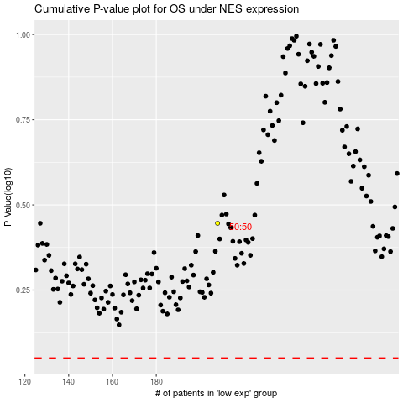

 |  |  |  |  |  | cases_OS | p_OS | rank | exp
 |  |  |  |  |  |  | cases_RFS | p_RFS | rank | exp

