NEURL2 _multivariate
Reported by Tex Li-Hsing Chi. tex@gate.sinica.edu.tw 2019-08-17

Table 2. The clinicopathological features of HNSCC cohort and NEURL2 expression. (Chi square test)
Cutoff at -0.275 (50.0%)
 |  | NEURL2 expression |  | NEURL2 expression |  | (Optimised)
 | Features | Low | (%) | High | (%) | Case no | P-value | Remark | Matthews
Gender | Female | 144 | 34.7 | 162 | 39 | 415 | 0.0697 | 0 | 0
2 | Male | 63 | 15.2 | 46 | 11.1
Age at diagnosis | <=65y | 138 | 33.3 | 136 | 32.8 | 415 | 0.8634 | 0 | 0
4 | >65y | 69 | 16.6 | 72 | 17.3
Clinical T Status | T1+T2 | 72 | 17.3 | 77 | 18.6 | 415 | 0.7095 | 0 | 0
6 | T3+T4 | 135 | 32.5 | 131 | 31.6
Clinical N Status | N0 | 109 | 26.3 | 107 | 25.8 | 415 | 0.8812 | 0 | 0
8 | N1-3 | 98 | 23.6 | 101 | 24.3
Clinical M Status | M0 | 206 | 49.6 | 206 | 49.6 | 415 | 1 | 0 | 0
10 | M1 | 1 | 0.2 | 2 | 0.5
Clinical Stage | Stage I+II | 51 | 12.3 | 51 | 12.3 | 415 | 1 | 0 | 0
12 | Stage III+IV | 156 | 37.6 | 157 | 37.8
Surgical Margin status | Negative | 162 | 39 | 156 | 37.6 | 415 | 0.4867 | 0 | 0
14 | Positive | 45 | 10.8 | 52 | 12.5
Tobacco Exposure | Low | 80 | 19.3 | 81 | 19.5 | 415 | 1 | 0 | 0
16 | High | 127 | 30.6 | 127 | 30.6

Table 3. Univariate/Multivariate Cox's proportional hazards regression analyses on OS time of NEURL2 gene expression in HNSCC

 |  | Univariate |  |  |  | Multivariate
 | Features | HR | CI95%(L) | CI95%(H) | P-value | HR | CI95%(L) | CI95%(H) | P-value
1 | Female | 1 |  |  |  | 1
Gender | Male | 1.157 | 0.843 | 1.587 | 0.367 | 1.178 | 0.84 | 1.65 | 0.342
11 | <=65y | 1 |  |  |  | 1
Age at diagnosis | >65y | 1.329 | 0.99 | 1.784 | 0.058 | 1.407 | 1.034 | 1.915 | 0.03
12 | T1+T2 | 1 |  |  |  | 1
Clinical T Status | T3+T4 | 1.409 | 1.028 | 1.931 | 0.033 | 2.203 | 1.165 | 4.165 | 0.015
13 | N0 | 1 |  |  |  | 1
Clinical N Status | N1-3 | 1.185 | 0.89 | 1.577 | 0.246 | 1.248 | 0.875 | 1.781 | 0.222
14 | M0 | 1 |  |  |  | 1
Clinical M Status | M1 | 4.097 | 1.009 | 16.644 | 0.049 | 9.475 | 2.067 | 43.432 | 0.004
15 | Stage I+II | 1 |  |  |  | 1
Clinical Stage | Stage III+IV | 1.245 | 0.882 | 1.759 | 0.213 | 0.509 | 0.237 | 1.094 | 0.084
16 | Negative | 1 |  |  |  | 1
Surgical Margin status | Positive | 1.591 | 1.155 | 2.191 | 0.004 | 1.676 | 1.213 | 2.315 | 0.002
17 | Low | 1 |  |  |  | 1
Tobacco Exposure | High | 1.364 | 1.008 | 1.844 | 0.044 | 1.453 | 1.054 | 2.003 | 0.023
18 | Low | 1 |  |  |  | 1
RNAseq(z-score) | High | 0.917 | 0.688 | 1.221 | 0.552 | 0.885 | 0.66 | 1.185 | 0.411

Table 4. Univariate/Multivariate Cox's proportional hazards regression analyses on RFS time of NEURL2 gene expression in HNSCC

 |  | Univariate |  |  |  | Multivariate
 | Features | HR | CI95%(L) | CI95%(H) | P-value | HR | CI95%(L) | CI95%(H) | P-value
1 | Female | 1 |  |  |  | 1
Gender | Male | 1.157 | 0.843 | 1.587 | 0.367 | 1.178 | 0.84 | 1.65 | 0.342
11 | <=65y | 1 |  |  |  | 1
Age at diagnosis | >65y | 1.329 | 0.99 | 1.784 | 0.058 | 1.407 | 1.034 | 1.915 | 0.03
12 | T1+T2 | 1 |  |  |  | 1
Clinical T Status | T3+T4 | 1.409 | 1.028 | 1.931 | 0.033 | 2.203 | 1.165 | 4.165 | 0.015
13 | N0 | 1 |  |  |  | 1
Clinical N Status | N1-3 | 1.185 | 0.89 | 1.577 | 0.246 | 1.248 | 0.875 | 1.781 | 0.222
14 | M0 | 1 |  |  |  | 1
Clinical M Status | M1 | 4.097 | 1.009 | 16.644 | 0.049 | 9.475 | 2.067 | 43.432 | 0.004
15 | Stage I+II | 1 |  |  |  | 1
Clinical Stage | Stage III+IV | 1.245 | 0.882 | 1.759 | 0.213 | 0.509 | 0.237 | 1.094 | 0.084
16 | Negative | 1 |  |  |  | 1
Surgical Margin status | Positive | 1.591 | 1.155 | 2.191 | 0.004 | 1.676 | 1.213 | 2.315 | 0.002
17 | Low | 1 |  |  |  | 1
Tobacco Exposure | High | 1.364 | 1.008 | 1.844 | 0.044 | 1.453 | 1.054 | 2.003 | 0.023
18 | Low | 1 |  |  |  | 1
RNAseq(z-score) | High | 0.917 | 0.688 | 1.221 | 0.552 | 0.885 | 0.66 | 1.185 | 0.411

Kaplan-Meier survival estimate: Cutoff at -0.275 (50.0%)



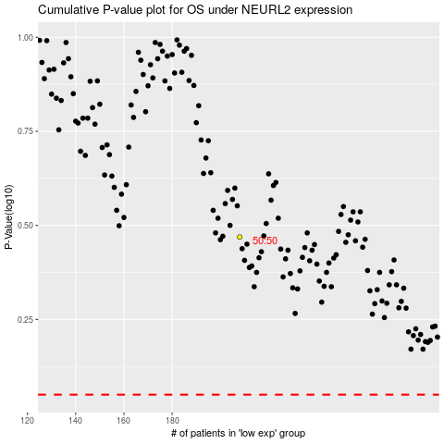

 |  |  |  |  |  | cases_OS | p_OS | rank | exp
 |  |  |  |  |  |  | cases_RFS | p_RFS | rank | exp

