NEURL4 _multivariate
Reported by Tex Li-Hsing Chi. tex@gate.sinica.edu.tw 2019-08-17

Table 2. The clinicopathological features of HNSCC cohort and NEURL4 expression. (Chi square test)
Cutoff at -0.152 (49.8%)
 |  | NEURL4 expression |  | NEURL4 expression |  | (Optimised)
 | Features | Low | (%) | High | (%) | Case no | P-value | Remark | Matthews
Gender | Female | 140 | 33.7 | 166 | 40 | 415 | 0.0068 | 1 | 0
2 | Male | 67 | 16.1 | 42 | 10.1
Age at diagnosis | <=65y | 139 | 33.5 | 135 | 32.5 | 415 | 0.7044 | 0 | 0
4 | >65y | 68 | 16.4 | 73 | 17.6
Clinical T Status | T1+T2 | 74 | 17.8 | 75 | 18.1 | 415 | 1 | 0 | 0
6 | T3+T4 | 133 | 32 | 133 | 32
Clinical N Status | N0 | 107 | 25.8 | 109 | 26.3 | 415 | 0.9624 | 0 | 0
8 | N1-3 | 100 | 24.1 | 99 | 23.9
Clinical M Status | M0 | 207 | 49.9 | 205 | 49.4 | 415 | 0.2482 | 0 | 0
10 | M1 | 0 | 0 | 3 | 0.7
Clinical Stage | Stage I+II | 54 | 13 | 48 | 11.6 | 415 | 0.5498 | 0 | 0
12 | Stage III+IV | 153 | 36.9 | 160 | 38.6
Surgical Margin status | Negative | 162 | 39 | 156 | 37.6 | 415 | 0.4867 | 0 | 0
14 | Positive | 45 | 10.8 | 52 | 12.5
Tobacco Exposure | Low | 78 | 18.8 | 83 | 20 | 415 | 0.6873 | 0 | 0
16 | High | 129 | 31.1 | 125 | 30.1

Table 3. Univariate/Multivariate Cox's proportional hazards regression analyses on OS time of NEURL4 gene expression in HNSCC

 |  | Univariate |  |  |  | Multivariate
 | Features | HR | CI95%(L) | CI95%(H) | P-value | HR | CI95%(L) | CI95%(H) | P-value
1 | Female | 1 |  |  |  | 1
Gender | Male | 1.157 | 0.843 | 1.587 | 0.367 | 1.17 | 0.837 | 1.636 | 0.358
11 | <=65y | 1 |  |  |  | 1
Age at diagnosis | >65y | 1.329 | 0.99 | 1.784 | 0.058 | 1.418 | 1.041 | 1.93 | 0.027
12 | T1+T2 | 1 |  |  |  | 1
Clinical T Status | T3+T4 | 1.409 | 1.028 | 1.931 | 0.033 | 2.18 | 1.154 | 4.121 | 0.016
13 | N0 | 1 |  |  |  | 1
Clinical N Status | N1-3 | 1.185 | 0.89 | 1.577 | 0.246 | 1.231 | 0.862 | 1.757 | 0.253
14 | M0 | 1 |  |  |  | 1
Clinical M Status | M1 | 4.097 | 1.009 | 16.644 | 0.049 | 10.274 | 2.226 | 47.409 | 0.003
15 | Stage I+II | 1 |  |  |  | 1
Clinical Stage | Stage III+IV | 1.245 | 0.882 | 1.759 | 0.213 | 0.517 | 0.241 | 1.111 | 0.091
16 | Negative | 1 |  |  |  | 1
Surgical Margin status | Positive | 1.591 | 1.155 | 2.191 | 0.004 | 1.684 | 1.218 | 2.328 | 0.002
17 | Low | 1 |  |  |  | 1
Tobacco Exposure | High | 1.364 | 1.008 | 1.844 | 0.044 | 1.453 | 1.054 | 2.001 | 0.022
18 | Low | 1 |  |  |  | 1
RNAseq(z-score) | High | 0.862 | 0.646 | 1.151 | 0.314 | 0.826 | 0.615 | 1.11 | 0.205

Table 4. Univariate/Multivariate Cox's proportional hazards regression analyses on RFS time of NEURL4 gene expression in HNSCC

 |  | Univariate |  |  |  | Multivariate
 | Features | HR | CI95%(L) | CI95%(H) | P-value | HR | CI95%(L) | CI95%(H) | P-value
1 | Female | 1 |  |  |  | 1
Gender | Male | 1.157 | 0.843 | 1.587 | 0.367 | 1.17 | 0.837 | 1.636 | 0.358
11 | <=65y | 1 |  |  |  | 1
Age at diagnosis | >65y | 1.329 | 0.99 | 1.784 | 0.058 | 1.418 | 1.041 | 1.93 | 0.027
12 | T1+T2 | 1 |  |  |  | 1
Clinical T Status | T3+T4 | 1.409 | 1.028 | 1.931 | 0.033 | 2.18 | 1.154 | 4.121 | 0.016
13 | N0 | 1 |  |  |  | 1
Clinical N Status | N1-3 | 1.185 | 0.89 | 1.577 | 0.246 | 1.231 | 0.862 | 1.757 | 0.253
14 | M0 | 1 |  |  |  | 1
Clinical M Status | M1 | 4.097 | 1.009 | 16.644 | 0.049 | 10.274 | 2.226 | 47.409 | 0.003
15 | Stage I+II | 1 |  |  |  | 1
Clinical Stage | Stage III+IV | 1.245 | 0.882 | 1.759 | 0.213 | 0.517 | 0.241 | 1.111 | 0.091
16 | Negative | 1 |  |  |  | 1
Surgical Margin status | Positive | 1.591 | 1.155 | 2.191 | 0.004 | 1.684 | 1.218 | 2.328 | 0.002
17 | Low | 1 |  |  |  | 1
Tobacco Exposure | High | 1.364 | 1.008 | 1.844 | 0.044 | 1.453 | 1.054 | 2.001 | 0.022
18 | Low | 1 |  |  |  | 1
RNAseq(z-score) | High | 0.862 | 0.646 | 1.151 | 0.314 | 0.826 | 0.615 | 1.11 | 0.205

Kaplan-Meier survival estimate: Cutoff at -0.152 (49.8%)



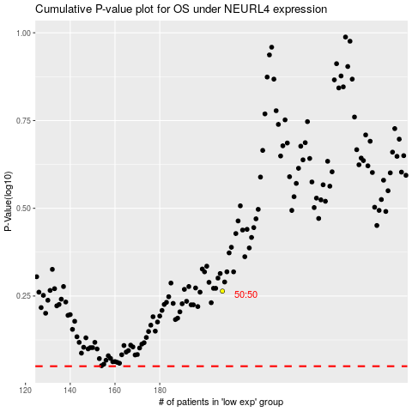

 |  |  |  |  |  | cases_OS | p_OS | rank | exp
 |  |  |  |  |  |  | cases_RFS | p_RFS | rank | exp

