NF2 _multivariate
Reported by Tex Li-Hsing Chi. tex@gate.sinica.edu.tw 2019-08-17

Table 2. The clinicopathological features of HNSCC cohort and NF2 expression. (Chi square test)
Cutoff at 0.267 (68.4%)
 |  | NF2 expression |  | NF2 expression |  | (Optimised)
 | Features | Low | (%) | High | (%) | Case no | P-value | Remark | Matthews
Gender | Female | 207 | 49.9 | 99 | 23.9 | 415 | 0.6471 | 0 | 0
2 | Male | 77 | 18.6 | 32 | 7.7
Age at diagnosis | <=65y | 192 | 46.3 | 82 | 19.8 | 415 | 0.3734 | 0 | 0
4 | >65y | 92 | 22.2 | 49 | 11.8
Clinical T Status | T1+T2 | 98 | 23.6 | 51 | 12.3 | 415 | 0.4454 | 0 | 0
6 | T3+T4 | 186 | 44.8 | 80 | 19.3
Clinical N Status | N0 | 143 | 34.5 | 73 | 17.6 | 415 | 0.3614 | 0 | 0
8 | N1-3 | 141 | 34 | 58 | 14
Clinical M Status | M0 | 282 | 68 | 130 | 31.3 | 415 | 1 | 0 | 0
10 | M1 | 2 | 0.5 | 1 | 0.2
Clinical Stage | Stage I+II | 68 | 16.4 | 34 | 8.2 | 415 | 0.7494 | 0 | 0
12 | Stage III+IV | 216 | 52 | 97 | 23.4
Surgical Margin status | Negative | 211 | 50.8 | 107 | 25.8 | 415 | 0.106 | 0 | 0
14 | Positive | 73 | 17.6 | 24 | 5.8
Tobacco Exposure | Low | 113 | 27.2 | 48 | 11.6 | 415 | 0.5884 | 0 | 0
16 | High | 171 | 41.2 | 83 | 20

Table 3. Univariate/Multivariate Cox's proportional hazards regression analyses on OS time of NF2 gene expression in HNSCC

 |  | Univariate |  |  |  | Multivariate
 | Features | HR | CI95%(L) | CI95%(H) | P-value | HR | CI95%(L) | CI95%(H) | P-value
1 | Female | 1 |  |  |  | 1
Gender | Male | 1.157 | 0.843 | 1.587 | 0.367 | 1.253 | 0.894 | 1.756 | 0.19
11 | <=65y | 1 |  |  |  | 1
Age at diagnosis | >65y | 1.329 | 0.99 | 1.784 | 0.058 | 1.362 | 1.002 | 1.852 | 0.049
12 | T1+T2 | 1 |  |  |  | 1
Clinical T Status | T3+T4 | 1.409 | 1.028 | 1.931 | 0.033 | 2.287 | 1.21 | 4.323 | 0.011
13 | N0 | 1 |  |  |  | 1
Clinical N Status | N1-3 | 1.185 | 0.89 | 1.577 | 0.246 | 1.262 | 0.884 | 1.801 | 0.201
14 | M0 | 1 |  |  |  | 1
Clinical M Status | M1 | 4.097 | 1.009 | 16.644 | 0.049 | 9.337 | 2.035 | 42.833 | 0.004
15 | Stage I+II | 1 |  |  |  | 1
Clinical Stage | Stage III+IV | 1.245 | 0.882 | 1.759 | 0.213 | 0.487 | 0.227 | 1.044 | 0.064
16 | Negative | 1 |  |  |  | 1
Surgical Margin status | Positive | 1.591 | 1.155 | 2.191 | 0.004 | 1.703 | 1.233 | 2.352 | 0.001
17 | Low | 1 |  |  |  | 1
Tobacco Exposure | High | 1.364 | 1.008 | 1.844 | 0.044 | 1.442 | 1.046 | 1.989 | 0.026
18 | Low | 1 |  |  |  | 1
RNAseq(z-score) | High | 1.352 | 1 | 1.829 | 0.05 | 1.43 | 1.053 | 1.941 | 0.022

Table 4. Univariate/Multivariate Cox's proportional hazards regression analyses on RFS time of NF2 gene expression in HNSCC

 |  | Univariate |  |  |  | Multivariate
 | Features | HR | CI95%(L) | CI95%(H) | P-value | HR | CI95%(L) | CI95%(H) | P-value
1 | Female | 1 |  |  |  | 1
Gender | Male | 1.157 | 0.843 | 1.587 | 0.367 | 1.253 | 0.894 | 1.756 | 0.19
11 | <=65y | 1 |  |  |  | 1
Age at diagnosis | >65y | 1.329 | 0.99 | 1.784 | 0.058 | 1.362 | 1.002 | 1.852 | 0.049
12 | T1+T2 | 1 |  |  |  | 1
Clinical T Status | T3+T4 | 1.409 | 1.028 | 1.931 | 0.033 | 2.287 | 1.21 | 4.323 | 0.011
13 | N0 | 1 |  |  |  | 1
Clinical N Status | N1-3 | 1.185 | 0.89 | 1.577 | 0.246 | 1.262 | 0.884 | 1.801 | 0.201
14 | M0 | 1 |  |  |  | 1
Clinical M Status | M1 | 4.097 | 1.009 | 16.644 | 0.049 | 9.337 | 2.035 | 42.833 | 0.004
15 | Stage I+II | 1 |  |  |  | 1
Clinical Stage | Stage III+IV | 1.245 | 0.882 | 1.759 | 0.213 | 0.487 | 0.227 | 1.044 | 0.064
16 | Negative | 1 |  |  |  | 1
Surgical Margin status | Positive | 1.591 | 1.155 | 2.191 | 0.004 | 1.703 | 1.233 | 2.352 | 0.001
17 | Low | 1 |  |  |  | 1
Tobacco Exposure | High | 1.364 | 1.008 | 1.844 | 0.044 | 1.442 | 1.046 | 1.989 | 0.026
18 | Low | 1 |  |  |  | 1
RNAseq(z-score) | High | 1.352 | 1 | 1.829 | 0.05 | 1.43 | 1.053 | 1.941 | 0.022

Kaplan-Meier survival estimate: Cutoff at 0.267 (68.4%)

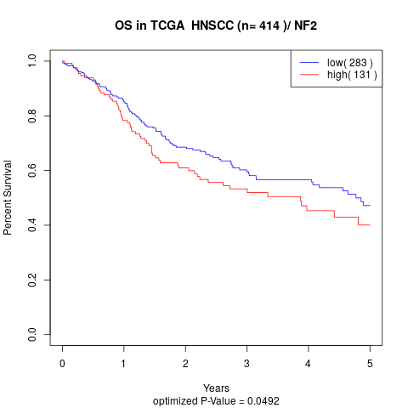

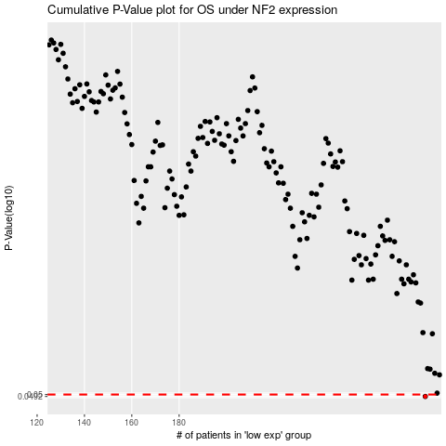

 |  |  |  |  |  | cases_OS | p_OS | rank | exp
 |  |  |  |  |  | 284 | 0.0492 | 220 | 0.26657988563
 |  |  |  |  |  |  | cases_RFS | p_RFS | rank | exp
 |  |  |  |  |  |  | 283 | 0.0492 | 175 | 0.26279679384

