NFAM1 _multivariate
Reported by Tex Li-Hsing Chi. tex@gate.sinica.edu.tw 2019-08-17

Table 2. The clinicopathological features of HNSCC cohort and NFAM1 expression. (Chi square test)
Cutoff at -0.363 (49.8%)
 |  | NFAM1 expression |  | NFAM1 expression |  | (Optimised)
 | Features | Low | (%) | High | (%) | Case no | P-value | Remark | Matthews
Gender | Female | 164 | 39.5 | 142 | 34.2 | 415 | 0.0153 | 1 | 0
2 | Male | 43 | 10.4 | 66 | 15.9
Age at diagnosis | <=65y | 146 | 35.2 | 128 | 30.8 | 415 | 0.0672 | 0 | 0
4 | >65y | 61 | 14.7 | 80 | 19.3
Clinical T Status | T1+T2 | 69 | 16.6 | 80 | 19.3 | 415 | 0.3239 | 0 | 0
6 | T3+T4 | 138 | 33.3 | 128 | 30.8
Clinical N Status | N0 | 116 | 28 | 100 | 24.1 | 415 | 0.1273 | 1 | 0
8 | N1-3 | 91 | 21.9 | 108 | 26
Clinical M Status | M0 | 205 | 49.4 | 207 | 49.9 | 415 | 0.6232 | 0 | 0
10 | M1 | 2 | 0.5 | 1 | 0.2
Clinical Stage | Stage I+II | 51 | 12.3 | 51 | 12.3 | 415 | 1 | 0 | 0
12 | Stage III+IV | 156 | 37.6 | 157 | 37.8
Surgical Margin status | Negative | 154 | 37.1 | 164 | 39.5 | 415 | 0.2984 | 0 | 0
14 | Positive | 53 | 12.8 | 44 | 10.6
Tobacco Exposure | Low | 68 | 16.4 | 93 | 22.4 | 415 | 0.0156 | 1 | 0
16 | High | 139 | 33.5 | 115 | 27.7

Table 3. Univariate/Multivariate Cox's proportional hazards regression analyses on OS time of NFAM1 gene expression in HNSCC

 |  | Univariate |  |  |  | Multivariate
 | Features | HR | CI95%(L) | CI95%(H) | P-value | HR | CI95%(L) | CI95%(H) | P-value
1 | Female | 1 |  |  |  | 1
Gender | Male | 1.157 | 0.843 | 1.587 | 0.367 | 1.211 | 0.866 | 1.693 | 0.263
11 | <=65y | 1 |  |  |  | 1
Age at diagnosis | >65y | 1.329 | 0.99 | 1.784 | 0.058 | 1.397 | 1.028 | 1.898 | 0.033
12 | T1+T2 | 1 |  |  |  | 1
Clinical T Status | T3+T4 | 1.409 | 1.028 | 1.931 | 0.033 | 2.171 | 1.147 | 4.109 | 0.017
13 | N0 | 1 |  |  |  | 1
Clinical N Status | N1-3 | 1.185 | 0.89 | 1.577 | 0.246 | 1.255 | 0.879 | 1.793 | 0.211
14 | M0 | 1 |  |  |  | 1
Clinical M Status | M1 | 4.097 | 1.009 | 16.644 | 0.049 | 9.132 | 1.989 | 41.934 | 0.004
15 | Stage I+II | 1 |  |  |  | 1
Clinical Stage | Stage III+IV | 1.245 | 0.882 | 1.759 | 0.213 | 0.509 | 0.237 | 1.091 | 0.083
16 | Negative | 1 |  |  |  | 1
Surgical Margin status | Positive | 1.591 | 1.155 | 2.191 | 0.004 | 1.666 | 1.206 | 2.303 | 0.002
17 | Low | 1 |  |  |  | 1
Tobacco Exposure | High | 1.364 | 1.008 | 1.844 | 0.044 | 1.433 | 1.037 | 1.978 | 0.029
18 | Low | 1 |  |  |  | 1
RNAseq(z-score) | High | 0.874 | 0.656 | 1.165 | 0.357 | 0.894 | 0.667 | 1.198 | 0.453

Table 4. Univariate/Multivariate Cox's proportional hazards regression analyses on RFS time of NFAM1 gene expression in HNSCC

 |  | Univariate |  |  |  | Multivariate
 | Features | HR | CI95%(L) | CI95%(H) | P-value | HR | CI95%(L) | CI95%(H) | P-value
1 | Female | 1 |  |  |  | 1
Gender | Male | 1.157 | 0.843 | 1.587 | 0.367 | 1.211 | 0.866 | 1.693 | 0.263
11 | <=65y | 1 |  |  |  | 1
Age at diagnosis | >65y | 1.329 | 0.99 | 1.784 | 0.058 | 1.397 | 1.028 | 1.898 | 0.033
12 | T1+T2 | 1 |  |  |  | 1
Clinical T Status | T3+T4 | 1.409 | 1.028 | 1.931 | 0.033 | 2.171 | 1.147 | 4.109 | 0.017
13 | N0 | 1 |  |  |  | 1
Clinical N Status | N1-3 | 1.185 | 0.89 | 1.577 | 0.246 | 1.255 | 0.879 | 1.793 | 0.211
14 | M0 | 1 |  |  |  | 1
Clinical M Status | M1 | 4.097 | 1.009 | 16.644 | 0.049 | 9.132 | 1.989 | 41.934 | 0.004
15 | Stage I+II | 1 |  |  |  | 1
Clinical Stage | Stage III+IV | 1.245 | 0.882 | 1.759 | 0.213 | 0.509 | 0.237 | 1.091 | 0.083
16 | Negative | 1 |  |  |  | 1
Surgical Margin status | Positive | 1.591 | 1.155 | 2.191 | 0.004 | 1.666 | 1.206 | 2.303 | 0.002
17 | Low | 1 |  |  |  | 1
Tobacco Exposure | High | 1.364 | 1.008 | 1.844 | 0.044 | 1.433 | 1.037 | 1.978 | 0.029
18 | Low | 1 |  |  |  | 1
RNAseq(z-score) | High | 0.874 | 0.656 | 1.165 | 0.357 | 0.894 | 0.667 | 1.198 | 0.453

Kaplan-Meier survival estimate: Cutoff at -0.363 (49.8%)



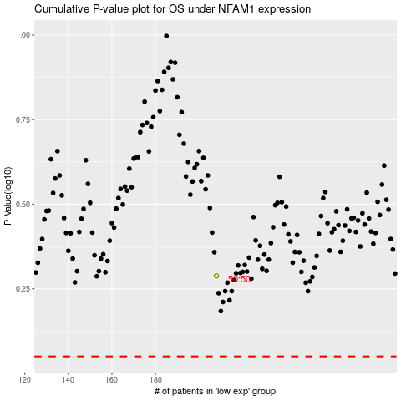

 |  |  |  |  |  | cases_OS | p_OS | rank | exp
 |  |  |  |  |  |  | cases_RFS | p_RFS | rank | exp

