NFATC1 _multivariate
Reported by Tex Li-Hsing Chi. tex@gate.sinica.edu.tw 2019-08-17

Table 2. The clinicopathological features of HNSCC cohort and NFATC1 expression. (Chi square test)
Cutoff at -0.241 (43.2%)
 |  | NFATC1 expression |  | NFATC1 expression |  | (Optimised)
 | Features | Low | (%) | High | (%) | Case no | P-value | Remark | Matthews
Gender | Female | 126 | 30.4 | 180 | 43.4 | 415 | 0.1613 | 0 | 0
2 | Male | 54 | 13 | 55 | 13.3
Age at diagnosis | <=65y | 119 | 28.7 | 155 | 37.3 | 415 | 1 | 0 | 0
4 | >65y | 61 | 14.7 | 80 | 19.3
Clinical T Status | T1+T2 | 65 | 15.7 | 84 | 20.2 | 415 | 1 | 0 | 0
6 | T3+T4 | 115 | 27.7 | 151 | 36.4
Clinical N Status | N0 | 88 | 21.2 | 128 | 30.8 | 415 | 0.3038 | 0 | 0
8 | N1-3 | 92 | 22.2 | 107 | 25.8
Clinical M Status | M0 | 177 | 42.7 | 235 | 56.6 | 415 | 0.0808 | 0 | 0
10 | M1 | 3 | 0.7 | 0 | 0
Clinical Stage | Stage I+II | 47 | 11.3 | 55 | 13.3 | 415 | 0.6033 | 0 | 0
12 | Stage III+IV | 133 | 32 | 180 | 43.4
Surgical Margin status | Negative | 132 | 31.8 | 186 | 44.8 | 415 | 0.1979 | 0 | 0
14 | Positive | 48 | 11.6 | 49 | 11.8
Tobacco Exposure | Low | 78 | 18.8 | 83 | 20 | 415 | 0.1045 | 0 | 0
16 | High | 102 | 24.6 | 152 | 36.6

Table 3. Univariate/Multivariate Cox's proportional hazards regression analyses on OS time of NFATC1 gene expression in HNSCC

 |  | Univariate |  |  |  | Multivariate
 | Features | HR | CI95%(L) | CI95%(H) | P-value | HR | CI95%(L) | CI95%(H) | P-value
1 | Female | 1 |  |  |  | 1
Gender | Male | 1.157 | 0.843 | 1.587 | 0.367 | 1.169 | 0.836 | 1.634 | 0.363
11 | <=65y | 1 |  |  |  | 1
Age at diagnosis | >65y | 1.329 | 0.99 | 1.784 | 0.058 | 1.381 | 1.018 | 1.875 | 0.038
12 | T1+T2 | 1 |  |  |  | 1
Clinical T Status | T3+T4 | 1.409 | 1.028 | 1.931 | 0.033 | 2.187 | 1.155 | 4.138 | 0.016
13 | N0 | 1 |  |  |  | 1
Clinical N Status | N1-3 | 1.185 | 0.89 | 1.577 | 0.246 | 1.217 | 0.852 | 1.736 | 0.28
14 | M0 | 1 |  |  |  | 1
Clinical M Status | M1 | 4.097 | 1.009 | 16.644 | 0.049 | 8.036 | 1.736 | 37.201 | 0.008
15 | Stage I+II | 1 |  |  |  | 1
Clinical Stage | Stage III+IV | 1.245 | 0.882 | 1.759 | 0.213 | 0.526 | 0.245 | 1.129 | 0.099
16 | Negative | 1 |  |  |  | 1
Surgical Margin status | Positive | 1.591 | 1.155 | 2.191 | 0.004 | 1.653 | 1.195 | 2.285 | 0.002
17 | Low | 1 |  |  |  | 1
Tobacco Exposure | High | 1.364 | 1.008 | 1.844 | 0.044 | 1.473 | 1.07 | 2.028 | 0.017
18 | Low | 1 |  |  |  | 1
RNAseq(z-score) | High | 0.737 | 0.553 | 0.984 | 0.039 | 0.767 | 0.571 | 1.032 | 0.08

Table 4. Univariate/Multivariate Cox's proportional hazards regression analyses on RFS time of NFATC1 gene expression in HNSCC

 |  | Univariate |  |  |  | Multivariate
 | Features | HR | CI95%(L) | CI95%(H) | P-value | HR | CI95%(L) | CI95%(H) | P-value
1 | Female | 1 |  |  |  | 1
Gender | Male | 1.157 | 0.843 | 1.587 | 0.367 | 1.169 | 0.836 | 1.634 | 0.363
11 | <=65y | 1 |  |  |  | 1
Age at diagnosis | >65y | 1.329 | 0.99 | 1.784 | 0.058 | 1.381 | 1.018 | 1.875 | 0.038
12 | T1+T2 | 1 |  |  |  | 1
Clinical T Status | T3+T4 | 1.409 | 1.028 | 1.931 | 0.033 | 2.187 | 1.155 | 4.138 | 0.016
13 | N0 | 1 |  |  |  | 1
Clinical N Status | N1-3 | 1.185 | 0.89 | 1.577 | 0.246 | 1.217 | 0.852 | 1.736 | 0.28
14 | M0 | 1 |  |  |  | 1
Clinical M Status | M1 | 4.097 | 1.009 | 16.644 | 0.049 | 8.036 | 1.736 | 37.201 | 0.008
15 | Stage I+II | 1 |  |  |  | 1
Clinical Stage | Stage III+IV | 1.245 | 0.882 | 1.759 | 0.213 | 0.526 | 0.245 | 1.129 | 0.099
16 | Negative | 1 |  |  |  | 1
Surgical Margin status | Positive | 1.591 | 1.155 | 2.191 | 0.004 | 1.653 | 1.195 | 2.285 | 0.002
17 | Low | 1 |  |  |  | 1
Tobacco Exposure | High | 1.364 | 1.008 | 1.844 | 0.044 | 1.473 | 1.07 | 2.028 | 0.017
18 | Low | 1 |  |  |  | 1
RNAseq(z-score) | High | 0.737 | 0.553 | 0.984 | 0.039 | 0.767 | 0.571 | 1.032 | 0.08

Kaplan-Meier survival estimate: Cutoff at -0.241 (43.2%)



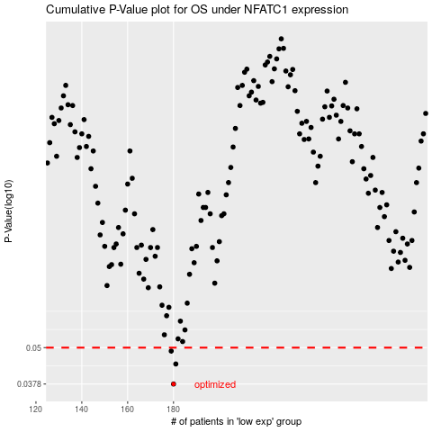

 |  |  |  |  |  | cases_OS | p_OS | rank | exp
 |  |  |  |  |  | 180 | 0.0378 | 96 | -0.24136908582
 |  |  |  |  |  | 181 | 0.0441 | 135 | -0.24017587678
 |  |  |  |  |  | 179 | 0.0487 | 390 | -0.24168591744
 |  |  |  |  |  |  | cases_RFS | p_RFS | rank | exp
 |  |  |  |  |  |  | 179 | 0.0378 | 390 | -0.24168591744
 |  |  |  |  |  |  | 180 | 0.0441 | 96 | -0.24136908582
 |  |  |  |  |  |  | 178 | 0.0487 | 370 | -0.24206994342

