NFATC2IP _multivariate
Reported by Tex Li-Hsing Chi. tex@gate.sinica.edu.tw 2019-08-17

Table 2. The clinicopathological features of HNSCC cohort and NFATC2IP expression. (Chi square test)
Cutoff at -0.127 (49.8%)
 |  | NFATC2IP expression |  | NFATC2IP expression |  | (Optimised)
 | Features | Low | (%) | High | (%) | Case no | P-value | Remark | Matthews
Gender | Female | 143 | 34.5 | 163 | 39.3 | 415 | 0.0416 | 1 | 0
2 | Male | 64 | 15.4 | 45 | 10.8
Age at diagnosis | <=65y | 132 | 31.8 | 142 | 34.2 | 415 | 0.3874 | 0 | 0
4 | >65y | 75 | 18.1 | 66 | 15.9
Clinical T Status | T1+T2 | 75 | 18.1 | 74 | 17.8 | 415 | 0.9707 | 0 | 0
6 | T3+T4 | 132 | 31.8 | 134 | 32.3
Clinical N Status | N0 | 105 | 25.3 | 111 | 26.7 | 415 | 0.6598 | 0 | 0
8 | N1-3 | 102 | 24.6 | 97 | 23.4
Clinical M Status | M0 | 207 | 49.9 | 205 | 49.4 | 415 | 0.2482 | 0 | 0
10 | M1 | 0 | 0 | 3 | 0.7
Clinical Stage | Stage I+II | 55 | 13.3 | 47 | 11.3 | 415 | 0.4087 | 0 | 0
12 | Stage III+IV | 152 | 36.6 | 161 | 38.8
Surgical Margin status | Negative | 163 | 39.3 | 155 | 37.3 | 415 | 0.3537 | 0 | 0
14 | Positive | 44 | 10.6 | 53 | 12.8
Tobacco Exposure | Low | 78 | 18.8 | 83 | 20 | 415 | 0.6873 | 0 | 0
16 | High | 129 | 31.1 | 125 | 30.1

Table 3. Univariate/Multivariate Cox's proportional hazards regression analyses on OS time of NFATC2IP gene expression in HNSCC

 |  | Univariate |  |  |  | Multivariate
 | Features | HR | CI95%(L) | CI95%(H) | P-value | HR | CI95%(L) | CI95%(H) | P-value
1 | Female | 1 |  |  |  | 1
Gender | Male | 1.157 | 0.843 | 1.587 | 0.367 | 1.224 | 0.875 | 1.712 | 0.238
11 | <=65y | 1 |  |  |  | 1
Age at diagnosis | >65y | 1.329 | 0.99 | 1.784 | 0.058 | 1.4 | 1.029 | 1.904 | 0.032
12 | T1+T2 | 1 |  |  |  | 1
Clinical T Status | T3+T4 | 1.409 | 1.028 | 1.931 | 0.033 | 2.23 | 1.179 | 4.22 | 0.014
13 | N0 | 1 |  |  |  | 1
Clinical N Status | N1-3 | 1.185 | 0.89 | 1.577 | 0.246 | 1.275 | 0.891 | 1.826 | 0.184
14 | M0 | 1 |  |  |  | 1
Clinical M Status | M1 | 4.097 | 1.009 | 16.644 | 0.049 | 8.679 | 1.883 | 39.994 | 0.006
15 | Stage I+II | 1 |  |  |  | 1
Clinical Stage | Stage III+IV | 1.245 | 0.882 | 1.759 | 0.213 | 0.489 | 0.227 | 1.053 | 0.068
16 | Negative | 1 |  |  |  | 1
Surgical Margin status | Positive | 1.591 | 1.155 | 2.191 | 0.004 | 1.651 | 1.194 | 2.283 | 0.002
17 | Low | 1 |  |  |  | 1
Tobacco Exposure | High | 1.364 | 1.008 | 1.844 | 0.044 | 1.452 | 1.054 | 2 | 0.022
18 | Low | 1 |  |  |  | 1
RNAseq(z-score) | High | 1.181 | 0.887 | 1.573 | 0.255 | 1.194 | 0.891 | 1.6 | 0.236

Table 4. Univariate/Multivariate Cox's proportional hazards regression analyses on RFS time of NFATC2IP gene expression in HNSCC

 |  | Univariate |  |  |  | Multivariate
 | Features | HR | CI95%(L) | CI95%(H) | P-value | HR | CI95%(L) | CI95%(H) | P-value
1 | Female | 1 |  |  |  | 1
Gender | Male | 1.157 | 0.843 | 1.587 | 0.367 | 1.224 | 0.875 | 1.712 | 0.238
11 | <=65y | 1 |  |  |  | 1
Age at diagnosis | >65y | 1.329 | 0.99 | 1.784 | 0.058 | 1.4 | 1.029 | 1.904 | 0.032
12 | T1+T2 | 1 |  |  |  | 1
Clinical T Status | T3+T4 | 1.409 | 1.028 | 1.931 | 0.033 | 2.23 | 1.179 | 4.22 | 0.014
13 | N0 | 1 |  |  |  | 1
Clinical N Status | N1-3 | 1.185 | 0.89 | 1.577 | 0.246 | 1.275 | 0.891 | 1.826 | 0.184
14 | M0 | 1 |  |  |  | 1
Clinical M Status | M1 | 4.097 | 1.009 | 16.644 | 0.049 | 8.679 | 1.883 | 39.994 | 0.006
15 | Stage I+II | 1 |  |  |  | 1
Clinical Stage | Stage III+IV | 1.245 | 0.882 | 1.759 | 0.213 | 0.489 | 0.227 | 1.053 | 0.068
16 | Negative | 1 |  |  |  | 1
Surgical Margin status | Positive | 1.591 | 1.155 | 2.191 | 0.004 | 1.651 | 1.194 | 2.283 | 0.002
17 | Low | 1 |  |  |  | 1
Tobacco Exposure | High | 1.364 | 1.008 | 1.844 | 0.044 | 1.452 | 1.054 | 2 | 0.022
18 | Low | 1 |  |  |  | 1
RNAseq(z-score) | High | 1.181 | 0.887 | 1.573 | 0.255 | 1.194 | 0.891 | 1.6 | 0.236

Kaplan-Meier survival estimate: Cutoff at -0.127 (49.8%)



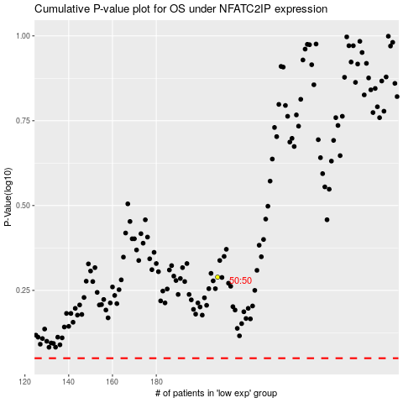

 |  |  |  |  |  | cases_OS | p_OS | rank | exp
 |  |  |  |  |  |  | cases_RFS | p_RFS | rank | exp

