NFATC3 _multivariate
Reported by Tex Li-Hsing Chi. tex@gate.sinica.edu.tw 2019-08-17

Table 2. The clinicopathological features of HNSCC cohort and NFATC3 expression. (Chi square test)
Cutoff at -0.089 (49.8%)
 |  | NFATC3 expression |  | NFATC3 expression |  | (Optimised)
 | Features | Low | (%) | High | (%) | Case no | P-value | Remark | Matthews
Gender | Female | 146 | 35.2 | 160 | 38.6 | 415 | 0.1714 | 0 | 0
2 | Male | 61 | 14.7 | 48 | 11.6
Age at diagnosis | <=65y | 134 | 32.3 | 140 | 33.7 | 415 | 0.6529 | 0 | 0
4 | >65y | 73 | 17.6 | 68 | 16.4
Clinical T Status | T1+T2 | 76 | 18.3 | 73 | 17.6 | 415 | 0.8092 | 0 | 0
6 | T3+T4 | 131 | 31.6 | 135 | 32.5
Clinical N Status | N0 | 103 | 24.8 | 113 | 27.2 | 415 | 0.4047 | 0 | 0
8 | N1-3 | 104 | 25.1 | 95 | 22.9
Clinical M Status | M0 | 205 | 49.4 | 207 | 49.9 | 415 | 0.6232 | 0 | 0
10 | M1 | 2 | 0.5 | 1 | 0.2
Clinical Stage | Stage I+II | 52 | 12.5 | 50 | 12 | 415 | 0.8871 | 0 | 0
12 | Stage III+IV | 155 | 37.3 | 158 | 38.1
Surgical Margin status | Negative | 145 | 34.9 | 173 | 41.7 | 415 | 0.0017 | 1 | 0
14 | Positive | 62 | 14.9 | 35 | 8.4
Tobacco Exposure | Low | 90 | 21.7 | 71 | 17.1 | 415 | 0.0559 | 0 | 0
16 | High | 117 | 28.2 | 137 | 33

Table 3. Univariate/Multivariate Cox's proportional hazards regression analyses on OS time of NFATC3 gene expression in HNSCC

 |  | Univariate |  |  |  | Multivariate
 | Features | HR | CI95%(L) | CI95%(H) | P-value | HR | CI95%(L) | CI95%(H) | P-value
1 | Female | 1 |  |  |  | 1
Gender | Male | 1.157 | 0.843 | 1.587 | 0.367 | 1.186 | 0.847 | 1.661 | 0.321
11 | <=65y | 1 |  |  |  | 1
Age at diagnosis | >65y | 1.329 | 0.99 | 1.784 | 0.058 | 1.376 | 1.012 | 1.872 | 0.042
12 | T1+T2 | 1 |  |  |  | 1
Clinical T Status | T3+T4 | 1.409 | 1.028 | 1.931 | 0.033 | 2.196 | 1.162 | 4.152 | 0.015
13 | N0 | 1 |  |  |  | 1
Clinical N Status | N1-3 | 1.185 | 0.89 | 1.577 | 0.246 | 1.235 | 0.865 | 1.761 | 0.245
14 | M0 | 1 |  |  |  | 1
Clinical M Status | M1 | 4.097 | 1.009 | 16.644 | 0.049 | 9.172 | 1.999 | 42.083 | 0.004
15 | Stage I+II | 1 |  |  |  | 1
Clinical Stage | Stage III+IV | 1.245 | 0.882 | 1.759 | 0.213 | 0.512 | 0.238 | 1.1 | 0.086
16 | Negative | 1 |  |  |  | 1
Surgical Margin status | Positive | 1.591 | 1.155 | 2.191 | 0.004 | 1.631 | 1.175 | 2.265 | 0.003
17 | Low | 1 |  |  |  | 1
Tobacco Exposure | High | 1.364 | 1.008 | 1.844 | 0.044 | 1.457 | 1.057 | 2.008 | 0.021
18 | Low | 1 |  |  |  | 1
RNAseq(z-score) | High | 0.809 | 0.607 | 1.078 | 0.149 | 0.88 | 0.655 | 1.184 | 0.398

Table 4. Univariate/Multivariate Cox's proportional hazards regression analyses on RFS time of NFATC3 gene expression in HNSCC

 |  | Univariate |  |  |  | Multivariate
 | Features | HR | CI95%(L) | CI95%(H) | P-value | HR | CI95%(L) | CI95%(H) | P-value
1 | Female | 1 |  |  |  | 1
Gender | Male | 1.157 | 0.843 | 1.587 | 0.367 | 1.186 | 0.847 | 1.661 | 0.321
11 | <=65y | 1 |  |  |  | 1
Age at diagnosis | >65y | 1.329 | 0.99 | 1.784 | 0.058 | 1.376 | 1.012 | 1.872 | 0.042
12 | T1+T2 | 1 |  |  |  | 1
Clinical T Status | T3+T4 | 1.409 | 1.028 | 1.931 | 0.033 | 2.196 | 1.162 | 4.152 | 0.015
13 | N0 | 1 |  |  |  | 1
Clinical N Status | N1-3 | 1.185 | 0.89 | 1.577 | 0.246 | 1.235 | 0.865 | 1.761 | 0.245
14 | M0 | 1 |  |  |  | 1
Clinical M Status | M1 | 4.097 | 1.009 | 16.644 | 0.049 | 9.172 | 1.999 | 42.083 | 0.004
15 | Stage I+II | 1 |  |  |  | 1
Clinical Stage | Stage III+IV | 1.245 | 0.882 | 1.759 | 0.213 | 0.512 | 0.238 | 1.1 | 0.086
16 | Negative | 1 |  |  |  | 1
Surgical Margin status | Positive | 1.591 | 1.155 | 2.191 | 0.004 | 1.631 | 1.175 | 2.265 | 0.003
17 | Low | 1 |  |  |  | 1
Tobacco Exposure | High | 1.364 | 1.008 | 1.844 | 0.044 | 1.457 | 1.057 | 2.008 | 0.021
18 | Low | 1 |  |  |  | 1
RNAseq(z-score) | High | 0.809 | 0.607 | 1.078 | 0.149 | 0.88 | 0.655 | 1.184 | 0.398

Kaplan-Meier survival estimate: Cutoff at -0.089 (49.8%)



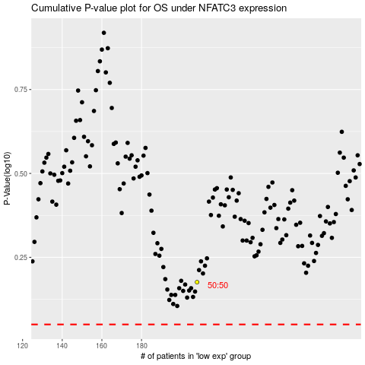

 |  |  |  |  |  | cases_OS | p_OS | rank | exp
 |  |  |  |  |  |  | cases_RFS | p_RFS | rank | exp

