NFATC4 _multivariate
Reported by Tex Li-Hsing Chi. tex@gate.sinica.edu.tw 2019-08-17

Table 2. The clinicopathological features of HNSCC cohort and NFATC4 expression. (Chi square test)
Cutoff at -0.529 (30.2%)
 |  | NFATC4 expression |  | NFATC4 expression |  | (Optimised)
 | Features | Low | (%) | High | (%) | Case no | P-value | Remark | Matthews
Gender | Female | 94 | 22.7 | 212 | 51.1 | 415 | 0.7462 | 0 | 0
2 | Male | 31 | 7.5 | 78 | 18.8
Age at diagnosis | <=65y | 84 | 20.2 | 190 | 45.8 | 415 | 0.8266 | 0 | 0
4 | >65y | 41 | 9.9 | 100 | 24.1
Clinical T Status | T1+T2 | 48 | 11.6 | 101 | 24.3 | 415 | 0.5589 | 0 | 0
6 | T3+T4 | 77 | 18.6 | 189 | 45.5
Clinical N Status | N0 | 58 | 14 | 158 | 38.1 | 415 | 0.16 | 0 | 0
8 | N1-3 | 67 | 16.1 | 132 | 31.8
Clinical M Status | M0 | 122 | 29.4 | 290 | 69.9 | 415 | 0.0269 | 1 | 0
10 | M1 | 3 | 0.7 | 0 | 0
Clinical Stage | Stage I+II | 29 | 7 | 73 | 17.6 | 415 | 0.7612 | 0 | 0
12 | Stage III+IV | 96 | 23.1 | 217 | 52.3
Surgical Margin status | Negative | 94 | 22.7 | 224 | 54 | 415 | 0.7047 | 0 | 0
14 | Positive | 31 | 7.5 | 66 | 15.9
Tobacco Exposure | Low | 57 | 13.7 | 104 | 25.1 | 415 | 0.0787 | 0 | 0
16 | High | 68 | 16.4 | 186 | 44.8

Table 3. Univariate/Multivariate Cox's proportional hazards regression analyses on OS time of NFATC4 gene expression in HNSCC

 |  | Univariate |  |  |  | Multivariate
 | Features | HR | CI95%(L) | CI95%(H) | P-value | HR | CI95%(L) | CI95%(H) | P-value
1 | Female | 1 |  |  |  | 1
Gender | Male | 1.157 | 0.843 | 1.587 | 0.367 | 1.211 | 0.867 | 1.691 | 0.262
11 | <=65y | 1 |  |  |  | 1
Age at diagnosis | >65y | 1.329 | 0.99 | 1.784 | 0.058 | 1.411 | 1.038 | 1.918 | 0.028
12 | T1+T2 | 1 |  |  |  | 1
Clinical T Status | T3+T4 | 1.409 | 1.028 | 1.931 | 0.033 | 2.244 | 1.187 | 4.244 | 0.013
13 | N0 | 1 |  |  |  | 1
Clinical N Status | N1-3 | 1.185 | 0.89 | 1.577 | 0.246 | 1.2 | 0.84 | 1.715 | 0.316
14 | M0 | 1 |  |  |  | 1
Clinical M Status | M1 | 4.097 | 1.009 | 16.644 | 0.049 | 7.812 | 1.689 | 36.131 | 0.009
15 | Stage I+II | 1 |  |  |  | 1
Clinical Stage | Stage III+IV | 1.245 | 0.882 | 1.759 | 0.213 | 0.493 | 0.23 | 1.057 | 0.069
16 | Negative | 1 |  |  |  | 1
Surgical Margin status | Positive | 1.591 | 1.155 | 2.191 | 0.004 | 1.644 | 1.189 | 2.273 | 0.003
17 | Low | 1 |  |  |  | 1
Tobacco Exposure | High | 1.364 | 1.008 | 1.844 | 0.044 | 1.506 | 1.09 | 2.08 | 0.013
18 | Low | 1 |  |  |  | 1
RNAseq(z-score) | High | 0.725 | 0.535 | 0.984 | 0.039 | 0.714 | 0.522 | 0.977 | 0.035

Table 4. Univariate/Multivariate Cox's proportional hazards regression analyses on RFS time of NFATC4 gene expression in HNSCC

 |  | Univariate |  |  |  | Multivariate
 | Features | HR | CI95%(L) | CI95%(H) | P-value | HR | CI95%(L) | CI95%(H) | P-value
1 | Female | 1 |  |  |  | 1
Gender | Male | 1.157 | 0.843 | 1.587 | 0.367 | 1.211 | 0.867 | 1.691 | 0.262
11 | <=65y | 1 |  |  |  | 1
Age at diagnosis | >65y | 1.329 | 0.99 | 1.784 | 0.058 | 1.411 | 1.038 | 1.918 | 0.028
12 | T1+T2 | 1 |  |  |  | 1
Clinical T Status | T3+T4 | 1.409 | 1.028 | 1.931 | 0.033 | 2.244 | 1.187 | 4.244 | 0.013
13 | N0 | 1 |  |  |  | 1
Clinical N Status | N1-3 | 1.185 | 0.89 | 1.577 | 0.246 | 1.2 | 0.84 | 1.715 | 0.316
14 | M0 | 1 |  |  |  | 1
Clinical M Status | M1 | 4.097 | 1.009 | 16.644 | 0.049 | 7.812 | 1.689 | 36.131 | 0.009
15 | Stage I+II | 1 |  |  |  | 1
Clinical Stage | Stage III+IV | 1.245 | 0.882 | 1.759 | 0.213 | 0.493 | 0.23 | 1.057 | 0.069
16 | Negative | 1 |  |  |  | 1
Surgical Margin status | Positive | 1.591 | 1.155 | 2.191 | 0.004 | 1.644 | 1.189 | 2.273 | 0.003
17 | Low | 1 |  |  |  | 1
Tobacco Exposure | High | 1.364 | 1.008 | 1.844 | 0.044 | 1.506 | 1.09 | 2.08 | 0.013
18 | Low | 1 |  |  |  | 1
RNAseq(z-score) | High | 0.725 | 0.535 | 0.984 | 0.039 | 0.714 | 0.522 | 0.977 | 0.035

Kaplan-Meier survival estimate: Cutoff at -0.529 (30.2%)



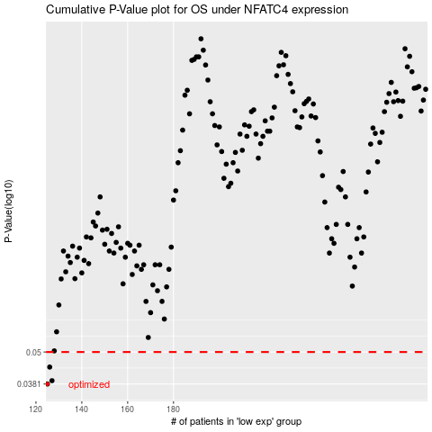

 |  |  |  |  |  | cases_OS | p_OS | rank | exp
 |  |  |  |  |  | 125 | 0.0381 | 29 | -0.52884798824
 |  |  |  |  |  | 127 | 0.0392 | 152 | -0.51253013362
 |  |  |  |  |  | 126 | 0.044 | 278 | -0.51918660253
 |  |  |  |  |  |  | cases_RFS | p_RFS | rank | exp
 |  |  |  |  |  |  |  | 0.0381 | 223 | -0.53509779473
 |  |  |  |  |  |  | 126 | 0.0392 | 278 | -0.51918660253
 |  |  |  |  |  |  | 125 | 0.044 | 29 | -0.52884798824

