NFE2 _multivariate
Reported by Tex Li-Hsing Chi. tex@gate.sinica.edu.tw 2019-08-17

Table 2. The clinicopathological features of HNSCC cohort and NFE2 expression. (Chi square test)
Cutoff at -0.303 (50.0%)
 |  | NFE2 expression |  | NFE2 expression |  | (Optimised)
 | Features | Low | (%) | High | (%) | Case no | P-value | Remark | Matthews
Gender | Female | 160 | 38.6 | 146 | 35.2 | 415 | 0.1254 | 0 | 0
2 | Male | 47 | 11.3 | 62 | 14.9
Age at diagnosis | <=65y | 143 | 34.5 | 131 | 31.6 | 415 | 0.2269 | 0 | 0
4 | >65y | 64 | 15.4 | 77 | 18.6
Clinical T Status | T1+T2 | 67 | 16.1 | 82 | 19.8 | 415 | 0.1628 | 0 | 0
6 | T3+T4 | 140 | 33.7 | 126 | 30.4
Clinical N Status | N0 | 104 | 25.1 | 112 | 27 | 415 | 0.5243 | 0 | 0
8 | N1-3 | 103 | 24.8 | 96 | 23.1
Clinical M Status | M0 | 206 | 49.6 | 206 | 49.6 | 415 | 1 | 0 | 0
10 | M1 | 1 | 0.2 | 2 | 0.5
Clinical Stage | Stage I+II | 40 | 9.6 | 62 | 14.9 | 415 | 0.018 | 1 | 0
12 | Stage III+IV | 167 | 40.2 | 146 | 35.2
Surgical Margin status | Negative | 154 | 37.1 | 164 | 39.5 | 415 | 0.2984 | 0 | 0
14 | Positive | 53 | 12.8 | 44 | 10.6
Tobacco Exposure | Low | 65 | 15.7 | 96 | 23.1 | 415 | 0.0025 | 1 | 0
16 | High | 142 | 34.2 | 112 | 27

Table 3. Univariate/Multivariate Cox's proportional hazards regression analyses on OS time of NFE2 gene expression in HNSCC

 |  | Univariate |  |  |  | Multivariate
 | Features | HR | CI95%(L) | CI95%(H) | P-value | HR | CI95%(L) | CI95%(H) | P-value
1 | Female | 1 |  |  |  | 1
Gender | Male | 1.157 | 0.843 | 1.587 | 0.367 | 1.221 | 0.874 | 1.706 | 0.243
11 | <=65y | 1 |  |  |  | 1
Age at diagnosis | >65y | 1.329 | 0.99 | 1.784 | 0.058 | 1.406 | 1.034 | 1.912 | 0.03
12 | T1+T2 | 1 |  |  |  | 1
Clinical T Status | T3+T4 | 1.409 | 1.028 | 1.931 | 0.033 | 2.24 | 1.183 | 4.239 | 0.013
13 | N0 | 1 |  |  |  | 1
Clinical N Status | N1-3 | 1.185 | 0.89 | 1.577 | 0.246 | 1.251 | 0.876 | 1.785 | 0.218
14 | M0 | 1 |  |  |  | 1
Clinical M Status | M1 | 4.097 | 1.009 | 16.644 | 0.049 | 10.054 | 2.18 | 46.375 | 0.003
15 | Stage I+II | 1 |  |  |  | 1
Clinical Stage | Stage III+IV | 1.245 | 0.882 | 1.759 | 0.213 | 0.484 | 0.225 | 1.044 | 0.064
16 | Negative | 1 |  |  |  | 1
Surgical Margin status | Positive | 1.591 | 1.155 | 2.191 | 0.004 | 1.67 | 1.208 | 2.308 | 0.002
17 | Low | 1 |  |  |  | 1
Tobacco Exposure | High | 1.364 | 1.008 | 1.844 | 0.044 | 1.427 | 1.034 | 1.969 | 0.03
18 | Low | 1 |  |  |  | 1
RNAseq(z-score) | High | 0.888 | 0.666 | 1.184 | 0.419 | 0.863 | 0.64 | 1.163 | 0.334

Table 4. Univariate/Multivariate Cox's proportional hazards regression analyses on RFS time of NFE2 gene expression in HNSCC

 |  | Univariate |  |  |  | Multivariate
 | Features | HR | CI95%(L) | CI95%(H) | P-value | HR | CI95%(L) | CI95%(H) | P-value
1 | Female | 1 |  |  |  | 1
Gender | Male | 1.157 | 0.843 | 1.587 | 0.367 | 1.221 | 0.874 | 1.706 | 0.243
11 | <=65y | 1 |  |  |  | 1
Age at diagnosis | >65y | 1.329 | 0.99 | 1.784 | 0.058 | 1.406 | 1.034 | 1.912 | 0.03
12 | T1+T2 | 1 |  |  |  | 1
Clinical T Status | T3+T4 | 1.409 | 1.028 | 1.931 | 0.033 | 2.24 | 1.183 | 4.239 | 0.013
13 | N0 | 1 |  |  |  | 1
Clinical N Status | N1-3 | 1.185 | 0.89 | 1.577 | 0.246 | 1.251 | 0.876 | 1.785 | 0.218
14 | M0 | 1 |  |  |  | 1
Clinical M Status | M1 | 4.097 | 1.009 | 16.644 | 0.049 | 10.054 | 2.18 | 46.375 | 0.003
15 | Stage I+II | 1 |  |  |  | 1
Clinical Stage | Stage III+IV | 1.245 | 0.882 | 1.759 | 0.213 | 0.484 | 0.225 | 1.044 | 0.064
16 | Negative | 1 |  |  |  | 1
Surgical Margin status | Positive | 1.591 | 1.155 | 2.191 | 0.004 | 1.67 | 1.208 | 2.308 | 0.002
17 | Low | 1 |  |  |  | 1
Tobacco Exposure | High | 1.364 | 1.008 | 1.844 | 0.044 | 1.427 | 1.034 | 1.969 | 0.03
18 | Low | 1 |  |  |  | 1
RNAseq(z-score) | High | 0.888 | 0.666 | 1.184 | 0.419 | 0.863 | 0.64 | 1.163 | 0.334

Kaplan-Meier survival estimate: Cutoff at -0.303 (50.0%)



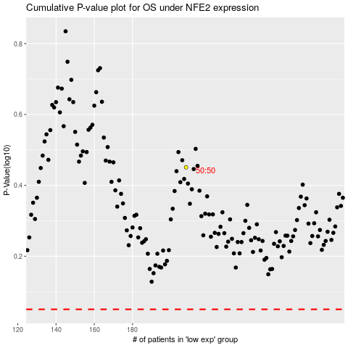

 |  |  |  |  |  | cases_OS | p_OS | rank | exp
 |  |  |  |  |  |  | cases_RFS | p_RFS | rank | exp

