NFE2L2 _multivariate
Reported by Tex Li-Hsing Chi. tex@gate.sinica.edu.tw 2019-08-17

Table 2. The clinicopathological features of HNSCC cohort and NFE2L2 expression. (Chi square test)
Cutoff at -0.332 (49.8%)
 |  | NFE2L2 expression |  | NFE2L2 expression |  | (Optimised)
 | Features | Low | (%) | High | (%) | Case no | P-value | Remark | Matthews
Gender | Female | 140 | 33.7 | 166 | 40 | 415 | 0.0068 | 1 | 0
2 | Male | 67 | 16.1 | 42 | 10.1
Age at diagnosis | <=65y | 132 | 31.8 | 142 | 34.2 | 415 | 0.3874 | 0 | 0
4 | >65y | 75 | 18.1 | 66 | 15.9
Clinical T Status | T1+T2 | 67 | 16.1 | 82 | 19.8 | 415 | 0.1628 | 0 | 0
6 | T3+T4 | 140 | 33.7 | 126 | 30.4
Clinical N Status | N0 | 99 | 23.9 | 117 | 28.2 | 415 | 0.1054 | 0 | 0
8 | N1-3 | 108 | 26 | 91 | 21.9
Clinical M Status | M0 | 205 | 49.4 | 207 | 49.9 | 415 | 0.6232 | 0 | 0
10 | M1 | 2 | 0.5 | 1 | 0.2
Clinical Stage | Stage I+II | 49 | 11.8 | 53 | 12.8 | 415 | 0.7535 | 0 | 0
12 | Stage III+IV | 158 | 38.1 | 155 | 37.3
Surgical Margin status | Negative | 158 | 38.1 | 160 | 38.6 | 415 | 0.9081 | 0 | 0
14 | Positive | 49 | 11.8 | 48 | 11.6
Tobacco Exposure | Low | 92 | 22.2 | 69 | 16.6 | 415 | 0.0206 | 1 | 0
16 | High | 115 | 27.7 | 139 | 33.5

Table 3. Univariate/Multivariate Cox's proportional hazards regression analyses on OS time of NFE2L2 gene expression in HNSCC

 |  | Univariate |  |  |  | Multivariate
 | Features | HR | CI95%(L) | CI95%(H) | P-value | HR | CI95%(L) | CI95%(H) | P-value
1 | Female | 1 |  |  |  | 1
Gender | Male | 1.157 | 0.843 | 1.587 | 0.367 | 1.212 | 0.866 | 1.697 | 0.262
11 | <=65y | 1 |  |  |  | 1
Age at diagnosis | >65y | 1.329 | 0.99 | 1.784 | 0.058 | 1.395 | 1.026 | 1.897 | 0.034
12 | T1+T2 | 1 |  |  |  | 1
Clinical T Status | T3+T4 | 1.409 | 1.028 | 1.931 | 0.033 | 2.237 | 1.179 | 4.243 | 0.014
13 | N0 | 1 |  |  |  | 1
Clinical N Status | N1-3 | 1.185 | 0.89 | 1.577 | 0.246 | 1.255 | 0.877 | 1.796 | 0.215
14 | M0 | 1 |  |  |  | 1
Clinical M Status | M1 | 4.097 | 1.009 | 16.644 | 0.049 | 9.579 | 2.086 | 43.998 | 0.004
15 | Stage I+II | 1 |  |  |  | 1
Clinical Stage | Stage III+IV | 1.245 | 0.882 | 1.759 | 0.213 | 0.493 | 0.228 | 1.065 | 0.072
16 | Negative | 1 |  |  |  | 1
Surgical Margin status | Positive | 1.591 | 1.155 | 2.191 | 0.004 | 1.671 | 1.209 | 2.309 | 0.002
17 | Low | 1 |  |  |  | 1
Tobacco Exposure | High | 1.364 | 1.008 | 1.844 | 0.044 | 1.443 | 1.046 | 1.991 | 0.026
18 | Low | 1 |  |  |  | 1
RNAseq(z-score) | High | 1.032 | 0.773 | 1.379 | 0.829 | 1.072 | 0.796 | 1.445 | 0.647

Table 4. Univariate/Multivariate Cox's proportional hazards regression analyses on RFS time of NFE2L2 gene expression in HNSCC

 |  | Univariate |  |  |  | Multivariate
 | Features | HR | CI95%(L) | CI95%(H) | P-value | HR | CI95%(L) | CI95%(H) | P-value
1 | Female | 1 |  |  |  | 1
Gender | Male | 1.157 | 0.843 | 1.587 | 0.367 | 1.212 | 0.866 | 1.697 | 0.262
11 | <=65y | 1 |  |  |  | 1
Age at diagnosis | >65y | 1.329 | 0.99 | 1.784 | 0.058 | 1.395 | 1.026 | 1.897 | 0.034
12 | T1+T2 | 1 |  |  |  | 1
Clinical T Status | T3+T4 | 1.409 | 1.028 | 1.931 | 0.033 | 2.237 | 1.179 | 4.243 | 0.014
13 | N0 | 1 |  |  |  | 1
Clinical N Status | N1-3 | 1.185 | 0.89 | 1.577 | 0.246 | 1.255 | 0.877 | 1.796 | 0.215
14 | M0 | 1 |  |  |  | 1
Clinical M Status | M1 | 4.097 | 1.009 | 16.644 | 0.049 | 9.579 | 2.086 | 43.998 | 0.004
15 | Stage I+II | 1 |  |  |  | 1
Clinical Stage | Stage III+IV | 1.245 | 0.882 | 1.759 | 0.213 | 0.493 | 0.228 | 1.065 | 0.072
16 | Negative | 1 |  |  |  | 1
Surgical Margin status | Positive | 1.591 | 1.155 | 2.191 | 0.004 | 1.671 | 1.209 | 2.309 | 0.002
17 | Low | 1 |  |  |  | 1
Tobacco Exposure | High | 1.364 | 1.008 | 1.844 | 0.044 | 1.443 | 1.046 | 1.991 | 0.026
18 | Low | 1 |  |  |  | 1
RNAseq(z-score) | High | 1.032 | 0.773 | 1.379 | 0.829 | 1.072 | 0.796 | 1.445 | 0.647

Kaplan-Meier survival estimate: Cutoff at -0.332 (49.8%)



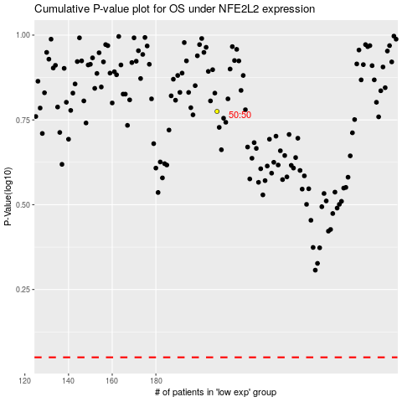

 |  |  |  |  |  | cases_OS | p_OS | rank | exp
 |  |  |  |  |  |  | cases_RFS | p_RFS | rank | exp

