NFIB _multivariate
Reported by Tex Li-Hsing Chi. tex@gate.sinica.edu.tw 2019-08-17

Table 2. The clinicopathological features of HNSCC cohort and NFIB expression. (Chi square test)
Cutoff at -0.32 (49.8%)
 |  | NFIB expression |  | NFIB expression |  | (Optimised)
 | Features | Low | (%) | High | (%) | Case no | P-value | Remark | Matthews
Gender | Female | 154 | 37.1 | 152 | 36.6 | 415 | 0.8463 | 0 | 0
2 | Male | 53 | 12.8 | 56 | 13.5
Age at diagnosis | <=65y | 138 | 33.3 | 136 | 32.8 | 415 | 0.8634 | 0 | 0
4 | >65y | 69 | 16.6 | 72 | 17.3
Clinical T Status | T1+T2 | 65 | 15.7 | 84 | 20.2 | 415 | 0.0711 | 0 | 0
6 | T3+T4 | 142 | 34.2 | 124 | 29.9
Clinical N Status | N0 | 110 | 26.5 | 106 | 25.5 | 415 | 0.7294 | 0 | 0
8 | N1-3 | 97 | 23.4 | 102 | 24.6
Clinical M Status | M0 | 204 | 49.2 | 208 | 50.1 | 415 | 0.1232 | 0 | 0
10 | M1 | 3 | 0.7 | 0 | 0
Clinical Stage | Stage I+II | 46 | 11.1 | 56 | 13.5 | 415 | 0.3182 | 0 | 0
12 | Stage III+IV | 161 | 38.8 | 152 | 36.6
Surgical Margin status | Negative | 156 | 37.6 | 162 | 39 | 415 | 0.5636 | 0 | 0
14 | Positive | 51 | 12.3 | 46 | 11.1
Tobacco Exposure | Low | 81 | 19.5 | 80 | 19.3 | 415 | 0.9199 | 0 | 0
16 | High | 126 | 30.4 | 128 | 30.8

Table 3. Univariate/Multivariate Cox's proportional hazards regression analyses on OS time of NFIB gene expression in HNSCC

 |  | Univariate |  |  |  | Multivariate
 | Features | HR | CI95%(L) | CI95%(H) | P-value | HR | CI95%(L) | CI95%(H) | P-value
1 | Female | 1 |  |  |  | 1
Gender | Male | 1.157 | 0.843 | 1.587 | 0.367 | 1.195 | 0.855 | 1.671 | 0.296
11 | <=65y | 1 |  |  |  | 1
Age at diagnosis | >65y | 1.329 | 0.99 | 1.784 | 0.058 | 1.395 | 1.026 | 1.896 | 0.033
12 | T1+T2 | 1 |  |  |  | 1
Clinical T Status | T3+T4 | 1.409 | 1.028 | 1.931 | 0.033 | 2.17 | 1.147 | 4.107 | 0.017
13 | N0 | 1 |  |  |  | 1
Clinical N Status | N1-3 | 1.185 | 0.89 | 1.577 | 0.246 | 1.256 | 0.879 | 1.794 | 0.211
14 | M0 | 1 |  |  |  | 1
Clinical M Status | M1 | 4.097 | 1.009 | 16.644 | 0.049 | 8.711 | 1.88 | 40.365 | 0.006
15 | Stage I+II | 1 |  |  |  | 1
Clinical Stage | Stage III+IV | 1.245 | 0.882 | 1.759 | 0.213 | 0.506 | 0.236 | 1.088 | 0.081
16 | Negative | 1 |  |  |  | 1
Surgical Margin status | Positive | 1.591 | 1.155 | 2.191 | 0.004 | 1.66 | 1.201 | 2.294 | 0.002
17 | Low | 1 |  |  |  | 1
Tobacco Exposure | High | 1.364 | 1.008 | 1.844 | 0.044 | 1.447 | 1.051 | 1.994 | 0.024
18 | Low | 1 |  |  |  | 1
RNAseq(z-score) | High | 0.845 | 0.633 | 1.128 | 0.252 | 0.887 | 0.662 | 1.189 | 0.423

Table 4. Univariate/Multivariate Cox's proportional hazards regression analyses on RFS time of NFIB gene expression in HNSCC

 |  | Univariate |  |  |  | Multivariate
 | Features | HR | CI95%(L) | CI95%(H) | P-value | HR | CI95%(L) | CI95%(H) | P-value
1 | Female | 1 |  |  |  | 1
Gender | Male | 1.157 | 0.843 | 1.587 | 0.367 | 1.195 | 0.855 | 1.671 | 0.296
11 | <=65y | 1 |  |  |  | 1
Age at diagnosis | >65y | 1.329 | 0.99 | 1.784 | 0.058 | 1.395 | 1.026 | 1.896 | 0.033
12 | T1+T2 | 1 |  |  |  | 1
Clinical T Status | T3+T4 | 1.409 | 1.028 | 1.931 | 0.033 | 2.17 | 1.147 | 4.107 | 0.017
13 | N0 | 1 |  |  |  | 1
Clinical N Status | N1-3 | 1.185 | 0.89 | 1.577 | 0.246 | 1.256 | 0.879 | 1.794 | 0.211
14 | M0 | 1 |  |  |  | 1
Clinical M Status | M1 | 4.097 | 1.009 | 16.644 | 0.049 | 8.711 | 1.88 | 40.365 | 0.006
15 | Stage I+II | 1 |  |  |  | 1
Clinical Stage | Stage III+IV | 1.245 | 0.882 | 1.759 | 0.213 | 0.506 | 0.236 | 1.088 | 0.081
16 | Negative | 1 |  |  |  | 1
Surgical Margin status | Positive | 1.591 | 1.155 | 2.191 | 0.004 | 1.66 | 1.201 | 2.294 | 0.002
17 | Low | 1 |  |  |  | 1
Tobacco Exposure | High | 1.364 | 1.008 | 1.844 | 0.044 | 1.447 | 1.051 | 1.994 | 0.024
18 | Low | 1 |  |  |  | 1
RNAseq(z-score) | High | 0.845 | 0.633 | 1.128 | 0.252 | 0.887 | 0.662 | 1.189 | 0.423

Kaplan-Meier survival estimate: Cutoff at -0.32 (49.8%)



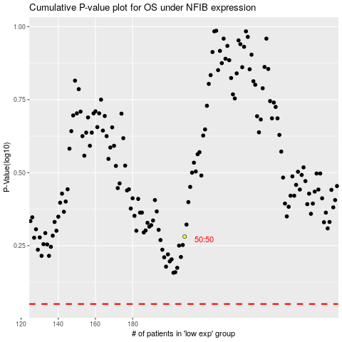

 |  |  |  |  |  | cases_OS | p_OS | rank | exp
 |  |  |  |  |  |  | cases_RFS | p_RFS | rank | exp

