NFIC _multivariate
Reported by Tex Li-Hsing Chi. tex@gate.sinica.edu.tw 2019-08-17

Table 2. The clinicopathological features of HNSCC cohort and NFIC expression. (Chi square test)
Cutoff at -0.222 (49.8%)
 |  | NFIC expression |  | NFIC expression |  | (Optimised)
 | Features | Low | (%) | High | (%) | Case no | P-value | Remark | Matthews
Gender | Female | 149 | 35.9 | 157 | 37.8 | 415 | 0.4848 | 0 | 0
2 | Male | 58 | 14 | 51 | 12.3
Age at diagnosis | <=65y | 137 | 33 | 137 | 33 | 415 | 1 | 0 | 0
4 | >65y | 70 | 16.9 | 71 | 17.1
Clinical T Status | T1+T2 | 68 | 16.4 | 81 | 19.5 | 415 | 0.2336 | 0 | 0
6 | T3+T4 | 139 | 33.5 | 127 | 30.6
Clinical N Status | N0 | 113 | 27.2 | 103 | 24.8 | 415 | 0.3495 | 1 | 0
8 | N1-3 | 94 | 22.7 | 105 | 25.3
Clinical M Status | M0 | 204 | 49.2 | 208 | 50.1 | 415 | 0.1232 | 0 | 0
10 | M1 | 3 | 0.7 | 0 | 0
Clinical Stage | Stage I+II | 49 | 11.8 | 53 | 12.8 | 415 | 0.7535 | 0 | 0
12 | Stage III+IV | 158 | 38.1 | 155 | 37.3
Surgical Margin status | Negative | 155 | 37.3 | 163 | 39.3 | 415 | 0.4187 | 0 | 0
14 | Positive | 52 | 12.5 | 45 | 10.8
Tobacco Exposure | Low | 89 | 21.4 | 72 | 17.3 | 415 | 0.0872 | 0 | 0
16 | High | 118 | 28.4 | 136 | 32.8

Table 3. Univariate/Multivariate Cox's proportional hazards regression analyses on OS time of NFIC gene expression in HNSCC

 |  | Univariate |  |  |  | Multivariate
 | Features | HR | CI95%(L) | CI95%(H) | P-value | HR | CI95%(L) | CI95%(H) | P-value
1 | Female | 1 |  |  |  | 1
Gender | Male | 1.157 | 0.843 | 1.587 | 0.367 | 1.191 | 0.852 | 1.666 | 0.306
11 | <=65y | 1 |  |  |  | 1
Age at diagnosis | >65y | 1.329 | 0.99 | 1.784 | 0.058 | 1.39 | 1.023 | 1.889 | 0.035
12 | T1+T2 | 1 |  |  |  | 1
Clinical T Status | T3+T4 | 1.409 | 1.028 | 1.931 | 0.033 | 2.181 | 1.153 | 4.127 | 0.017
13 | N0 | 1 |  |  |  | 1
Clinical N Status | N1-3 | 1.185 | 0.89 | 1.577 | 0.246 | 1.257 | 0.88 | 1.795 | 0.209
14 | M0 | 1 |  |  |  | 1
Clinical M Status | M1 | 4.097 | 1.009 | 16.644 | 0.049 | 8.654 | 1.867 | 40.116 | 0.006
15 | Stage I+II | 1 |  |  |  | 1
Clinical Stage | Stage III+IV | 1.245 | 0.882 | 1.759 | 0.213 | 0.508 | 0.237 | 1.091 | 0.083
16 | Negative | 1 |  |  |  | 1
Surgical Margin status | Positive | 1.591 | 1.155 | 2.191 | 0.004 | 1.654 | 1.195 | 2.287 | 0.002
17 | Low | 1 |  |  |  | 1
Tobacco Exposure | High | 1.364 | 1.008 | 1.844 | 0.044 | 1.459 | 1.058 | 2.01 | 0.021
18 | Low | 1 |  |  |  | 1
RNAseq(z-score) | High | 0.846 | 0.634 | 1.13 | 0.258 | 0.877 | 0.654 | 1.177 | 0.383

Table 4. Univariate/Multivariate Cox's proportional hazards regression analyses on RFS time of NFIC gene expression in HNSCC

 |  | Univariate |  |  |  | Multivariate
 | Features | HR | CI95%(L) | CI95%(H) | P-value | HR | CI95%(L) | CI95%(H) | P-value
1 | Female | 1 |  |  |  | 1
Gender | Male | 1.157 | 0.843 | 1.587 | 0.367 | 1.191 | 0.852 | 1.666 | 0.306
11 | <=65y | 1 |  |  |  | 1
Age at diagnosis | >65y | 1.329 | 0.99 | 1.784 | 0.058 | 1.39 | 1.023 | 1.889 | 0.035
12 | T1+T2 | 1 |  |  |  | 1
Clinical T Status | T3+T4 | 1.409 | 1.028 | 1.931 | 0.033 | 2.181 | 1.153 | 4.127 | 0.017
13 | N0 | 1 |  |  |  | 1
Clinical N Status | N1-3 | 1.185 | 0.89 | 1.577 | 0.246 | 1.257 | 0.88 | 1.795 | 0.209
14 | M0 | 1 |  |  |  | 1
Clinical M Status | M1 | 4.097 | 1.009 | 16.644 | 0.049 | 8.654 | 1.867 | 40.116 | 0.006
15 | Stage I+II | 1 |  |  |  | 1
Clinical Stage | Stage III+IV | 1.245 | 0.882 | 1.759 | 0.213 | 0.508 | 0.237 | 1.091 | 0.083
16 | Negative | 1 |  |  |  | 1
Surgical Margin status | Positive | 1.591 | 1.155 | 2.191 | 0.004 | 1.654 | 1.195 | 2.287 | 0.002
17 | Low | 1 |  |  |  | 1
Tobacco Exposure | High | 1.364 | 1.008 | 1.844 | 0.044 | 1.459 | 1.058 | 2.01 | 0.021
18 | Low | 1 |  |  |  | 1
RNAseq(z-score) | High | 0.846 | 0.634 | 1.13 | 0.258 | 0.877 | 0.654 | 1.177 | 0.383

Kaplan-Meier survival estimate: Cutoff at -0.222 (49.8%)



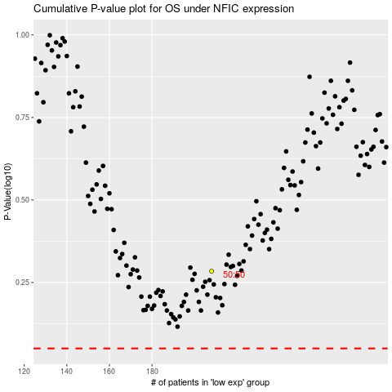

 |  |  |  |  |  | cases_OS | p_OS | rank | exp
 |  |  |  |  |  |  | cases_RFS | p_RFS | rank | exp

