NFKB2 _multivariate
Reported by Tex Li-Hsing Chi. tex@gate.sinica.edu.tw 2019-08-17

Table 2. The clinicopathological features of HNSCC cohort and NFKB2 expression. (Chi square test)
Cutoff at -0.188 (49.8%)
 |  | NFKB2 expression |  | NFKB2 expression |  | (Optimised)
 | Features | Low | (%) | High | (%) | Case no | P-value | Remark | Matthews
Gender | Female | 153 | 36.9 | 153 | 36.9 | 415 | 1 | 0 | 0
2 | Male | 54 | 13 | 55 | 13.3
Age at diagnosis | <=65y | 132 | 31.8 | 142 | 34.2 | 415 | 0.3874 | 0 | 0
4 | >65y | 75 | 18.1 | 66 | 15.9
Clinical T Status | T1+T2 | 67 | 16.1 | 82 | 19.8 | 415 | 0.1628 | 0 | 0
6 | T3+T4 | 140 | 33.7 | 126 | 30.4
Clinical N Status | N0 | 116 | 28 | 100 | 24.1 | 415 | 0.1273 | 1 | 0
8 | N1-3 | 91 | 21.9 | 108 | 26
Clinical M Status | M0 | 207 | 49.9 | 205 | 49.4 | 415 | 0.2482 | 0 | 0
10 | M1 | 0 | 0 | 3 | 0.7
Clinical Stage | Stage I+II | 48 | 11.6 | 54 | 13 | 415 | 0.5878 | 0 | 0
12 | Stage III+IV | 159 | 38.3 | 154 | 37.1
Surgical Margin status | Negative | 156 | 37.6 | 162 | 39 | 415 | 0.5636 | 0 | 0
14 | Positive | 51 | 12.3 | 46 | 11.1
Tobacco Exposure | Low | 81 | 19.5 | 80 | 19.3 | 415 | 0.9199 | 0 | 0
16 | High | 126 | 30.4 | 128 | 30.8

Table 3. Univariate/Multivariate Cox's proportional hazards regression analyses on OS time of NFKB2 gene expression in HNSCC

 |  | Univariate |  |  |  | Multivariate
 | Features | HR | CI95%(L) | CI95%(H) | P-value | HR | CI95%(L) | CI95%(H) | P-value
1 | Female | 1 |  |  |  | 1
Gender | Male | 1.157 | 0.843 | 1.587 | 0.367 | 1.211 | 0.866 | 1.693 | 0.263
11 | <=65y | 1 |  |  |  | 1
Age at diagnosis | >65y | 1.329 | 0.99 | 1.784 | 0.058 | 1.386 | 1.02 | 1.884 | 0.037
12 | T1+T2 | 1 |  |  |  | 1
Clinical T Status | T3+T4 | 1.409 | 1.028 | 1.931 | 0.033 | 2.195 | 1.161 | 4.151 | 0.016
13 | N0 | 1 |  |  |  | 1
Clinical N Status | N1-3 | 1.185 | 0.89 | 1.577 | 0.246 | 1.266 | 0.884 | 1.811 | 0.198
14 | M0 | 1 |  |  |  | 1
Clinical M Status | M1 | 4.097 | 1.009 | 16.644 | 0.049 | 9.969 | 2.161 | 45.993 | 0.003
15 | Stage I+II | 1 |  |  |  | 1
Clinical Stage | Stage III+IV | 1.245 | 0.882 | 1.759 | 0.213 | 0.496 | 0.231 | 1.066 | 0.072
16 | Negative | 1 |  |  |  | 1
Surgical Margin status | Positive | 1.591 | 1.155 | 2.191 | 0.004 | 1.68 | 1.215 | 2.323 | 0.002
17 | Low | 1 |  |  |  | 1
Tobacco Exposure | High | 1.364 | 1.008 | 1.844 | 0.044 | 1.457 | 1.057 | 2.007 | 0.021
18 | Low | 1 |  |  |  | 1
RNAseq(z-score) | High | 0.913 | 0.685 | 1.216 | 0.534 | 0.883 | 0.659 | 1.184 | 0.406

Table 4. Univariate/Multivariate Cox's proportional hazards regression analyses on RFS time of NFKB2 gene expression in HNSCC

 |  | Univariate |  |  |  | Multivariate
 | Features | HR | CI95%(L) | CI95%(H) | P-value | HR | CI95%(L) | CI95%(H) | P-value
1 | Female | 1 |  |  |  | 1
Gender | Male | 1.157 | 0.843 | 1.587 | 0.367 | 1.211 | 0.866 | 1.693 | 0.263
11 | <=65y | 1 |  |  |  | 1
Age at diagnosis | >65y | 1.329 | 0.99 | 1.784 | 0.058 | 1.386 | 1.02 | 1.884 | 0.037
12 | T1+T2 | 1 |  |  |  | 1
Clinical T Status | T3+T4 | 1.409 | 1.028 | 1.931 | 0.033 | 2.195 | 1.161 | 4.151 | 0.016
13 | N0 | 1 |  |  |  | 1
Clinical N Status | N1-3 | 1.185 | 0.89 | 1.577 | 0.246 | 1.266 | 0.884 | 1.811 | 0.198
14 | M0 | 1 |  |  |  | 1
Clinical M Status | M1 | 4.097 | 1.009 | 16.644 | 0.049 | 9.969 | 2.161 | 45.993 | 0.003
15 | Stage I+II | 1 |  |  |  | 1
Clinical Stage | Stage III+IV | 1.245 | 0.882 | 1.759 | 0.213 | 0.496 | 0.231 | 1.066 | 0.072
16 | Negative | 1 |  |  |  | 1
Surgical Margin status | Positive | 1.591 | 1.155 | 2.191 | 0.004 | 1.68 | 1.215 | 2.323 | 0.002
17 | Low | 1 |  |  |  | 1
Tobacco Exposure | High | 1.364 | 1.008 | 1.844 | 0.044 | 1.457 | 1.057 | 2.007 | 0.021
18 | Low | 1 |  |  |  | 1
RNAseq(z-score) | High | 0.913 | 0.685 | 1.216 | 0.534 | 0.883 | 0.659 | 1.184 | 0.406

Kaplan-Meier survival estimate: Cutoff at -0.188 (49.8%)



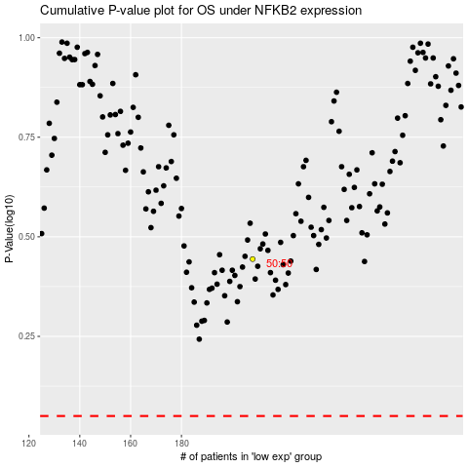

 |  |  |  |  |  | cases_OS | p_OS | rank | exp
 |  |  |  |  |  |  | cases_RFS | p_RFS | rank | exp

