NFKBIA _multivariate
Reported by Tex Li-Hsing Chi. tex@gate.sinica.edu.tw 2019-08-17

Table 2. The clinicopathological features of HNSCC cohort and NFKBIA expression. (Chi square test)
Cutoff at -0.236 (50.0%)
 |  | NFKBIA expression |  | NFKBIA expression |  | (Optimised)
 | Features | Low | (%) | High | (%) | Case no | P-value | Remark | Matthews
Gender | Female | 148 | 35.7 | 158 | 38.1 | 415 | 0.3567 | 0 | 0
2 | Male | 59 | 14.2 | 50 | 12
Age at diagnosis | <=65y | 133 | 32 | 141 | 34 | 415 | 0.5111 | 0 | 0
4 | >65y | 74 | 17.8 | 67 | 16.1
Clinical T Status | T1+T2 | 86 | 20.7 | 63 | 15.2 | 415 | 0.0221 | 1 | 0
6 | T3+T4 | 121 | 29.2 | 145 | 34.9
Clinical N Status | N0 | 112 | 27 | 104 | 25.1 | 415 | 0.4599 | 0 | 0
8 | N1-3 | 95 | 22.9 | 104 | 25.1
Clinical M Status | M0 | 206 | 49.6 | 206 | 49.6 | 415 | 1 | 0 | 0
10 | M1 | 1 | 0.2 | 2 | 0.5
Clinical Stage | Stage I+II | 63 | 15.2 | 39 | 9.4 | 415 | 0.008 | 1 | 0
12 | Stage III+IV | 144 | 34.7 | 169 | 40.7
Surgical Margin status | Negative | 165 | 39.8 | 153 | 36.9 | 415 | 0.1639 | 0 | 0
14 | Positive | 42 | 10.1 | 55 | 13.3
Tobacco Exposure | Low | 94 | 22.7 | 67 | 16.1 | 415 | 0.0065 | 1 | 0
16 | High | 113 | 27.2 | 141 | 34

Table 3. Univariate/Multivariate Cox's proportional hazards regression analyses on OS time of NFKBIA gene expression in HNSCC

 |  | Univariate |  |  |  | Multivariate
 | Features | HR | CI95%(L) | CI95%(H) | P-value | HR | CI95%(L) | CI95%(H) | P-value
1 | Female | 1 |  |  |  | 1
Gender | Male | 1.157 | 0.843 | 1.587 | 0.367 | 1.202 | 0.861 | 1.679 | 0.28
11 | <=65y | 1 |  |  |  | 1
Age at diagnosis | >65y | 1.329 | 0.99 | 1.784 | 0.058 | 1.396 | 1.026 | 1.898 | 0.034
12 | T1+T2 | 1 |  |  |  | 1
Clinical T Status | T3+T4 | 1.409 | 1.028 | 1.931 | 0.033 | 2.223 | 1.176 | 4.204 | 0.014
13 | N0 | 1 |  |  |  | 1
Clinical N Status | N1-3 | 1.185 | 0.89 | 1.577 | 0.246 | 1.226 | 0.859 | 1.751 | 0.262
14 | M0 | 1 |  |  |  | 1
Clinical M Status | M1 | 4.097 | 1.009 | 16.644 | 0.049 | 9.576 | 2.088 | 43.928 | 0.004
15 | Stage I+II | 1 |  |  |  | 1
Clinical Stage | Stage III+IV | 1.245 | 0.882 | 1.759 | 0.213 | 0.517 | 0.24 | 1.111 | 0.091
16 | Negative | 1 |  |  |  | 1
Surgical Margin status | Positive | 1.591 | 1.155 | 2.191 | 0.004 | 1.694 | 1.225 | 2.344 | 0.001
17 | Low | 1 |  |  |  | 1
Tobacco Exposure | High | 1.364 | 1.008 | 1.844 | 0.044 | 1.464 | 1.062 | 2.018 | 0.02
18 | Low | 1 |  |  |  | 1
RNAseq(z-score) | High | 0.955 | 0.717 | 1.272 | 0.753 | 0.871 | 0.65 | 1.168 | 0.357

Table 4. Univariate/Multivariate Cox's proportional hazards regression analyses on RFS time of NFKBIA gene expression in HNSCC

 |  | Univariate |  |  |  | Multivariate
 | Features | HR | CI95%(L) | CI95%(H) | P-value | HR | CI95%(L) | CI95%(H) | P-value
1 | Female | 1 |  |  |  | 1
Gender | Male | 1.157 | 0.843 | 1.587 | 0.367 | 1.202 | 0.861 | 1.679 | 0.28
11 | <=65y | 1 |  |  |  | 1
Age at diagnosis | >65y | 1.329 | 0.99 | 1.784 | 0.058 | 1.396 | 1.026 | 1.898 | 0.034
12 | T1+T2 | 1 |  |  |  | 1
Clinical T Status | T3+T4 | 1.409 | 1.028 | 1.931 | 0.033 | 2.223 | 1.176 | 4.204 | 0.014
13 | N0 | 1 |  |  |  | 1
Clinical N Status | N1-3 | 1.185 | 0.89 | 1.577 | 0.246 | 1.226 | 0.859 | 1.751 | 0.262
14 | M0 | 1 |  |  |  | 1
Clinical M Status | M1 | 4.097 | 1.009 | 16.644 | 0.049 | 9.576 | 2.088 | 43.928 | 0.004
15 | Stage I+II | 1 |  |  |  | 1
Clinical Stage | Stage III+IV | 1.245 | 0.882 | 1.759 | 0.213 | 0.517 | 0.24 | 1.111 | 0.091
16 | Negative | 1 |  |  |  | 1
Surgical Margin status | Positive | 1.591 | 1.155 | 2.191 | 0.004 | 1.694 | 1.225 | 2.344 | 0.001
17 | Low | 1 |  |  |  | 1
Tobacco Exposure | High | 1.364 | 1.008 | 1.844 | 0.044 | 1.464 | 1.062 | 2.018 | 0.02
18 | Low | 1 |  |  |  | 1
RNAseq(z-score) | High | 0.955 | 0.717 | 1.272 | 0.753 | 0.871 | 0.65 | 1.168 | 0.357

Kaplan-Meier survival estimate: Cutoff at -0.236 (50.0%)

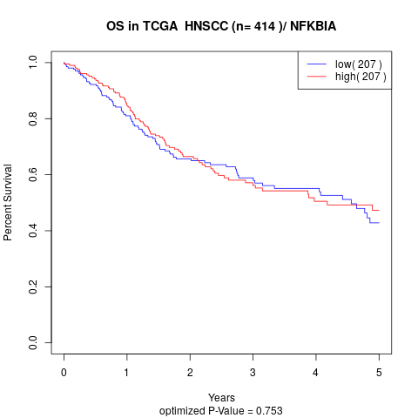

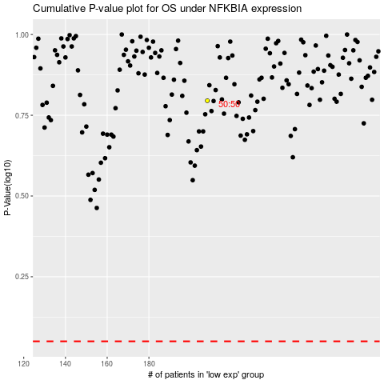

 |  |  |  |  |  | cases_OS | p_OS | rank | exp
 |  |  |  |  |  |  | cases_RFS | p_RFS | rank | exp

