NFKBIL1 _multivariate
Reported by Tex Li-Hsing Chi. tex@gate.sinica.edu.tw 2019-08-17

Table 2. The clinicopathological features of HNSCC cohort and NFKBIL1 expression. (Chi square test)
Cutoff at -0.235 (50.0%)
 |  | NFKBIL1 expression |  | NFKBIL1 expression |  | (Optimised)
 | Features | Low | (%) | High | (%) | Case no | P-value | Remark | Matthews
Gender | Female | 148 | 35.7 | 158 | 38.1 | 415 | 0.3567 | 0 | 0
2 | Male | 59 | 14.2 | 50 | 12
Age at diagnosis | <=65y | 131 | 31.6 | 143 | 34.5 | 415 | 0.2839 | 0 | 0
4 | >65y | 76 | 18.3 | 65 | 15.7
Clinical T Status | T1+T2 | 71 | 17.1 | 78 | 18.8 | 415 | 0.5638 | 0 | 0
6 | T3+T4 | 136 | 32.8 | 130 | 31.3
Clinical N Status | N0 | 104 | 25.1 | 112 | 27 | 415 | 0.5243 | 0 | 0
8 | N1-3 | 103 | 24.8 | 96 | 23.1
Clinical M Status | M0 | 206 | 49.6 | 206 | 49.6 | 415 | 1 | 0 | 0
10 | M1 | 1 | 0.2 | 2 | 0.5
Clinical Stage | Stage I+II | 49 | 11.8 | 53 | 12.8 | 415 | 0.7535 | 0 | 0
12 | Stage III+IV | 158 | 38.1 | 155 | 37.3
Surgical Margin status | Negative | 168 | 40.5 | 150 | 36.1 | 415 | 0.0366 | 1 | 0
14 | Positive | 39 | 9.4 | 58 | 14
Tobacco Exposure | Low | 76 | 18.3 | 85 | 20.5 | 415 | 0.4207 | 0 | 0
16 | High | 131 | 31.6 | 123 | 29.6

Table 3. Univariate/Multivariate Cox's proportional hazards regression analyses on OS time of NFKBIL1 gene expression in HNSCC

 |  | Univariate |  |  |  | Multivariate
 | Features | HR | CI95%(L) | CI95%(H) | P-value | HR | CI95%(L) | CI95%(H) | P-value
1 | Female | 1 |  |  |  | 1
Gender | Male | 1.157 | 0.843 | 1.587 | 0.367 | 1.201 | 0.86 | 1.676 | 0.283
11 | <=65y | 1 |  |  |  | 1
Age at diagnosis | >65y | 1.329 | 0.99 | 1.784 | 0.058 | 1.384 | 1.017 | 1.883 | 0.039
12 | T1+T2 | 1 |  |  |  | 1
Clinical T Status | T3+T4 | 1.409 | 1.028 | 1.931 | 0.033 | 2.199 | 1.163 | 4.159 | 0.015
13 | N0 | 1 |  |  |  | 1
Clinical N Status | N1-3 | 1.185 | 0.89 | 1.577 | 0.246 | 1.24 | 0.869 | 1.769 | 0.235
14 | M0 | 1 |  |  |  | 1
Clinical M Status | M1 | 4.097 | 1.009 | 16.644 | 0.049 | 9.562 | 2.081 | 43.93 | 0.004
15 | Stage I+II | 1 |  |  |  | 1
Clinical Stage | Stage III+IV | 1.245 | 0.882 | 1.759 | 0.213 | 0.504 | 0.235 | 1.083 | 0.079
16 | Negative | 1 |  |  |  | 1
Surgical Margin status | Positive | 1.591 | 1.155 | 2.191 | 0.004 | 1.687 | 1.217 | 2.339 | 0.002
17 | Low | 1 |  |  |  | 1
Tobacco Exposure | High | 1.364 | 1.008 | 1.844 | 0.044 | 1.449 | 1.051 | 1.996 | 0.023
18 | Low | 1 |  |  |  | 1
RNAseq(z-score) | High | 0.972 | 0.728 | 1.298 | 0.85 | 0.944 | 0.703 | 1.267 | 0.7

Table 4. Univariate/Multivariate Cox's proportional hazards regression analyses on RFS time of NFKBIL1 gene expression in HNSCC

 |  | Univariate |  |  |  | Multivariate
 | Features | HR | CI95%(L) | CI95%(H) | P-value | HR | CI95%(L) | CI95%(H) | P-value
1 | Female | 1 |  |  |  | 1
Gender | Male | 1.157 | 0.843 | 1.587 | 0.367 | 1.201 | 0.86 | 1.676 | 0.283
11 | <=65y | 1 |  |  |  | 1
Age at diagnosis | >65y | 1.329 | 0.99 | 1.784 | 0.058 | 1.384 | 1.017 | 1.883 | 0.039
12 | T1+T2 | 1 |  |  |  | 1
Clinical T Status | T3+T4 | 1.409 | 1.028 | 1.931 | 0.033 | 2.199 | 1.163 | 4.159 | 0.015
13 | N0 | 1 |  |  |  | 1
Clinical N Status | N1-3 | 1.185 | 0.89 | 1.577 | 0.246 | 1.24 | 0.869 | 1.769 | 0.235
14 | M0 | 1 |  |  |  | 1
Clinical M Status | M1 | 4.097 | 1.009 | 16.644 | 0.049 | 9.562 | 2.081 | 43.93 | 0.004
15 | Stage I+II | 1 |  |  |  | 1
Clinical Stage | Stage III+IV | 1.245 | 0.882 | 1.759 | 0.213 | 0.504 | 0.235 | 1.083 | 0.079
16 | Negative | 1 |  |  |  | 1
Surgical Margin status | Positive | 1.591 | 1.155 | 2.191 | 0.004 | 1.687 | 1.217 | 2.339 | 0.002
17 | Low | 1 |  |  |  | 1
Tobacco Exposure | High | 1.364 | 1.008 | 1.844 | 0.044 | 1.449 | 1.051 | 1.996 | 0.023
18 | Low | 1 |  |  |  | 1
RNAseq(z-score) | High | 0.972 | 0.728 | 1.298 | 0.85 | 0.944 | 0.703 | 1.267 | 0.7

Kaplan-Meier survival estimate: Cutoff at -0.235 (50.0%)

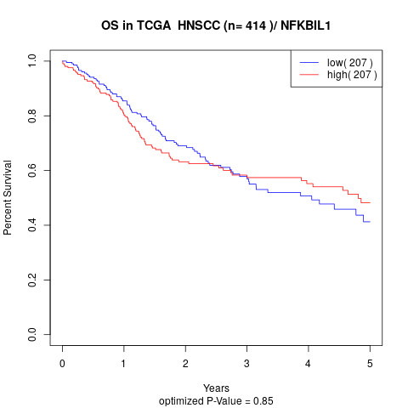

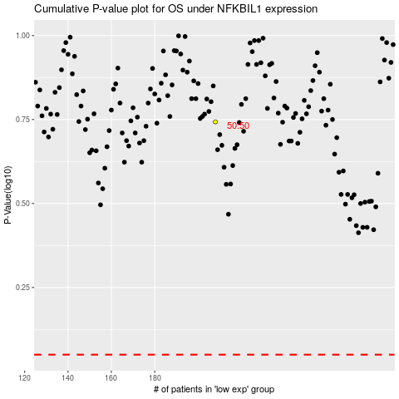

 |  |  |  |  |  | cases_OS | p_OS | rank | exp
 |  |  |  |  |  |  | cases_RFS | p_RFS | rank | exp

